Fig 3a For ICP-MS plot
 | 0.3% w/w | 0.3% w/w | 0.3% w/w | 0.7% w/w | 0.7% w/w | 0.7% w/w | 2.3% w/w | 2.3% w/w | 2.3% w/w | Average for Fig 1
Size (nm) | Concentration (NP/mL) | Concentration (NP/mL) | Concentration (NP/mL) | Concentration (NP/mL) | Concentration (NP/mL) | Concentration (NP/mL) | Concentration (NP/mL) | Concentration (NP/mL) | Concentration (NP/mL) |  | Size (nm) | 0.25% w/w | 0.7% w/w | 2.6% w/w
2.5 | 0 | 0 | 0 | 0 | 0 | 0 | 0 | 0 | 0 |  | 2.5 | 0 | 0 | 0
Fig 1 Adjusted concentration distribution
7.5 | 0 | 0 | 0 | 0 | 0 | 0 | 0 | 0 | 0 |  | 7.5 | 0 | 0 | 0
12.5 | 0 | 0 | 0 | 0 | 0 | 0 | 0 | 0 | 0 |  | 12.5 | 0 | 0 | 0
17.5 | 0 | 0 | 0 | 0 | 0 | 0 | 0 | 0 | 4453.9087197 |  | 17.5 | 0 | 0 | 1484.6362399
22.5 | 0 | 0 | 0 | 0 | 0 | 0 | 0 | 9726.6166253 | 0 |  | 22.5 | 0 | 0 | 3242.2055418
27.5 | 9021.7999437 | 0 | 9016.1642339 | 4600.7222672 | 0 | 9956.7350107 | 0 | 15032.043876 | 0 |  | 27.5 | 6012.6547259 | 4852.4857593 | 5010.6812918
32.5 | 18945.779882 | 16423.877059 | 28851.725549 | 11961.877895 | 0 | 15387.68138 | 5410.2643301 | 13263.568125 | 9798.5991834 |  | 32.5 | 21407.127497 | 9116.5197583 | 9490.8105463
37.5 | 19847.959876 | 41972.130263 | 33359.807665 | 21163.322429 | 20089.466074 | 43447.570956 | 14427.371547 | 20337.471126 | 62354.722076 |  | 37.5 | 31726.632602 | 28233.453153 | 32373.18825
42.5 | 19847.959876 | 19161.189903 | 45982.437593 | 32205.05587 | 32873.671758 | 59740.410064 | 43282.114641 | 78697.170878 | 57010.031613 |  | 42.5 | 28330.529124 | 41606.379231 | 59663.10571
47.5 | 67663.499578 | 111317.38896 | 91063.258763 | 76371.989636 | 40178.932149 | 108618.92739 | 104598.44371 | 151204.67663 | 165685.40437 |  | 47.5 | 90014.715766 | 75056.616391 | 140496.17491
52.5 | 127207.37921 | 125003.95317 | 128931.14854 | 144462.67919 | 92228.912432 | 134868.50151 | 126239.50103 | 183037.24013 | 137180.38857 |  | 52.5 | 127047.49364 | 123853.36438 | 148819.04324
57.5 | 152468.41905 | 188874.58618 | 121718.21716 | 149983.54591 | 136060.47478 | 203660.48886 | 178538.72289 | 308599.01839 | 185282.60274 |  | 57.5 | 154353.7408 | 163234.83651 | 224140.11467
62.5 | 155174.95903 | 247270.5935 | 252452.59855 | 264081.45814 | 186284.13996 | 240771.95571 | 267808.08434 | 397907.04376 | 321572.20957 |  | 62.5 | 218299.3837 | 230379.1846 | 329095.77922
67.5 | 289599.77819 | 370449.67145 | 330893.22738 | 283404.49166 | 313213.03925 | 272452.4762 | 407573.2462 | 541153.57952 | 507745.59405 |  | 67.5 | 330314.22568 | 289690.00237 | 485490.80659
72.5 | 406883.17746 | 397822.79988 | 408432.2398 | 506079.44939 | 382613.01296 | 497836.75054 | 613163.29074 | 490752.02064 | 717970.08562 |  | 72.5 | 404379.40571 | 462176.4043 | 607295.13234
77.5 | 461013.97713 | 612245.63927 | 787111.13762 | 454551.36 | 390831.4309 | 538568.84831 | 735795.94889 | 859479.21453 | 910378.94231 |  | 77.5 | 620123.58467 | 461317.21307 | 835218.03524
82.5 | 735276.69541 | 651480.45669 | 824979.0274 | 679066.60664 | 537849.79626 | 698781.76621 | 1088364.8411 | 1045169.1683 | 1067156.5292 |  | 82.5 | 737245.39317 | 638566.05637 | 1066896.8462
87.5 | 992397.99381 | 1163357.9584 | 983663.51792 | 778442.20761 | 841018.10248 | 1011966.3402 | 1589716.0023 | 1378526.8472 | 1229278.8066 |  | 87.5 | 1046473.1567 | 877142.21676 | 1399173.8854
92.5 | 1063670.2134 | 1162445.5208 | 1242427.4314 | 1036082.6546 | 924115.43942 | 1093430.5357 | 1462574.7906 | 1397980.0804 | 1449301.8974 |  | 92.5 | 1156181.0552 | 1017876.2099 | 1436618.9228
97.5 | 1520173.2905 | 1467199.684 | 1466929.9209 | 1211830.2452 | 981644.365 | 1080758.3275 | 2311084.5797 | 2137202.9439 | 1892911.2059 |  | 97.5 | 1484767.6318 | 1091410.9792 | 2113732.9098
102.5 | 1320791.5118 | 1478148.9353 | 1553485.0975 | 1534800.9483 | 1014518.0368 | 1328771.5451 | 1971139.6376 | 2049663.3943 | 2422035.5618 |  | 102.5 | 1450808.5149 | 1292696.8434 | 2147612.8646
107.5 | 2071405.2671 | 1427964.8665 | 1725693.8344 | 2027998.3754 | 1256504.7872 | 1587646.6553 | 2611354.25 | 2412200.9231 | 2838921.418 |  | 107.5 | 1741687.9893 | 1624049.9393 | 2620825.5303
112.5 | 1896382.3482 | 1924330.9288 | 1649056.4384 | 1638777.2716 | 1162449.5597 | 1519759.8257 | 2715050.983 | 2694272.8052 | 2570796.113 |  | 112.5 | 1823256.5718 | 1440328.8857 | 2660039.9671
117.5 | 2453027.4047 | 2178901.0232 | 2328875.2216 | 2494511.6133 | 1871972.9751 | 2295479.9988 | 2815140.8731 | 2659787.5281 | 3362701.0834 |  | 117.5 | 2320267.8832 | 2220654.8624 | 2945876.4949
122.5 | 2818410.3024 | 2065758.759 | 2337891.3859 | 2764113.9381 | 1796180.8986 | 2657543.0901 | 2683491.1077 | 2785349.3063 | 3143568.7744 |  | 122.5 | 2407353.4824 | 2405945.9756 | 2870803.0628
127.5 | 3205445.52 | 2421609.4286 | 2590343.9844 | 2769634.8049 | 2470091.1696 | 2551639.6359 | 2905311.9452 | 3284059.4679 | 4175984.8156 |  | 127.5 | 2739132.9777 | 2597121.8701 | 3455118.7429
132.5 | 2699322.5432 | 2366863.1718 | 2650752.2848 | 2984028.4625 | 3096517.2481 | 2272851.0556 | 3279521.8947 | 2703999.4218 | 3963978.7606 |  | 132.5 | 2572312.6666 | 2784465.5887 | 3315833.3591
137.5 | 2668648.4234 | 2777460.0983 | 2091750.1023 | 2553400.8583 | 2749517.3795 | 2963486.4023 | 3322804.0094 | 2726989.6066 | 3676256.2573 |  | 137.5 | 2512619.5413 | 2755468.2134 | 3242016.6244
142.5 | 3440914.4985 | 3766542.4723 | 2341497.8515 | 3298717.8656 | 2541317.4584 | 2605949.0996 | 3890881.764 | 3998523.6709 | 3950617.0344 |  | 142.5 | 3182984.9408 | 2815328.1412 | 3946674.1564
147.5 | 3028618.2411 | 3029292.8798 | 2911319.4311 | 3468024.445 | 3501046.0422 | 2670215.2983 | 3498637.6001 | 4048925.2298 | 4403134.1603 |  | 147.5 | 2989743.5174 | 3213095.2619 | 3983565.6634
152.5 | 3162140.8803 | 2814870.0404 | 2808535.1589 | 3252710.6429 | 2712077.92 | 2910987.254 | 3672667.7694 | 3047967.9552 | 3809873.5189 |  | 152.5 | 2928515.3599 | 2958591.939 | 3510169.7478
157.5 | 2902313.0419 | 3143347.5816 | 3167378.4954 | 3515871.9566 | 2857269.9703 | 2513623.0113 | 3150577.2615 | 3422884.8142 | 3529277.2695 |  | 157.5 | 3071013.0396 | 2962254.9794 | 3367579.7818
162.5 | 3122444.9605 | 2803920.7891 | 3904900.7297 | 3005191.7849 | 3350375.0467 | 3077536.276 | 3464372.5927 | 4274405.8879 | 5048060.143 |  | 162.5 | 3277088.8264 | 3144367.7026 | 4262279.5412
167.5 | 2955541.6616 | 3713621.0906 | 3423437.5596 | 3502989.9343 | 3869048.5344 | 2529010.6927 | 3600530.9117 | 4015324.1905 | 3967541.8875 |  | 167.5 | 3364200.1039 | 3300349.7205 | 3861132.3299
172.5 | 3355207.3991 | 3678948.4613 | 3555073.5574 | 3189220.6756 | 3402425.027 | 4074114.9348 | 3289440.7127 | 3171761.2577 | 3248681.0202 |  | 172.5 | 3529743.1393 | 3555253.5458 | 3236627.6635
177.5 | 3212662.96 | 3692635.0255 | 3884163.552 | 3871047.7156 | 3954885.344 | 4083166.5121 | 3262389.391 | 3948122.112 | 4087797.423 |  | 177.5 | 3596487.1791 | 3969699.8572 | 3766102.9753
182.5 | 3081846.8608 | 3550294.7577 | 4475623.9257 | 3175418.5088 | 2720296.338 | 3187060.3612 | 3938672.4323 | 3430842.9551 | 3949726.2527 |  | 182.5 | 3702588.5147 | 3027591.736 | 3773080.5467
187.5 | 2974487.4415 | 3064877.9468 | 3190820.5224 | 3190140.8201 | 3374117.1429 | 3457702.5219 | 4293946.4566 | 3473286.3731 | 3786713.1935 |  | 187.5 | 3076728.6369 | 3340653.495 | 3851315.3411
192.5 | 3096281.7407 | 3254664.9706 | 3939162.1538 | 3826880.7819 | 3346722.4165 | 3665888.7994 | 3737590.9414 | 3949006.3499 | 3027767.1477 |  | 192.5 | 3430036.2884 | 3613163.9992 | 3571454.813
197.5 | 3791862.5164 | 4208162.2777 | 3512697.5855 | 4251987.5194 | 3930230.0902 | 3888557.6005 | 3772757.6595 | 3255763.8559 | 3813436.6458 |  | 197.5 | 3837574.1265 | 4023591.7367 | 3613986.0537
202.5 | 2657822.2634 | 4108706.5777 | 3116887.9757 | 5174892.4062 | 3190572.4756 | 3315592.7586 | 3314688.6129 | 4339839.4907 | 3652205.1502 |  | 202.5 | 3294472.2723 | 3893685.8801 | 3768911.0846
207.5 | 3652024.6172 | 3535695.7558 | 2822059.4052 | 3625369.1466 | 3434385.5412 | 3306541.1813 | 2452653.163 | 3662513.2784 | 3423274.242 |  | 207.5 | 3336593.2594 | 3455431.9563 | 3179480.2278
212.5 | 3183793.2001 | 2870528.7349 | 2926646.9103 | 3482746.7563 | 3654456.5104 | 2644870.8819 | 3378710.0741 | 3743863.1629 | 3301237.1431 |  | 212.5 | 2993656.2818 | 3260691.3829 | 3474603.46
217.5 | 3086357.7608 | 3047541.6321 | 2976235.8136 | 3652973.4802 | 2846312.0797 | 3227792.4589 | 2853012.7234 | 3349493.0706 | 2835358.291 |  | 217.5 | 3036711.7355 | 3242359.3396 | 3012621.3617
222.5 | 2708344.3431 | 3101375.4514 | 3253933.672 | 3479066.1785 | 3438038.1714 | 3887652.4428 | 3507654.7073 | 3109864.6065 | 3926565.9273 |  | 222.5 | 3021217.8222 | 3601585.5975 | 3514695.0804
227.5 | 2741725.0029 | 2986408.312 | 3487452.3257 | 3255471.0763 | 3214314.5719 | 2906461.4654 | 2857521.277 | 3212436.2 | 2873661.906 |  | 227.5 | 3071861.8802 | 3125415.7045 | 2981206.461
232.5 | 2218460.6062 | 3771104.6603 | 2683210.476 | 3744987.9255 | 2823483.141 | 2821376.6389 | 2862931.5413 | 3325618.648 | 3168510.6632 |  | 232.5 | 2890925.2475 | 3129949.2351 | 3119020.2842
237.5 | 3801786.4963 | 2732750.6552 | 2864435.3771 | 3831481.5041 | 3706506.4907 | 2848531.3708 | 3247962.0195 | 3010829.9645 | 2955613.8264 |  | 237.5 | 3132990.8429 | 3462173.1219 | 3071468.6035
242.5 | 2820214.6624 | 3197181.4009 | 2368546.3442 | 2949983.1177 | 3172309.3247 | 3159905.6293 | 2703328.7436 | 3055926.0961 | 2775675.9141 |  | 242.5 | 2795314.1358 | 3094066.0239 | 2844976.9179
247.5 | 2722779.223 | 2948085.9322 | 2466822.5344 | 3403614.3333 | 2587888.4934 | 3010554.6041 | 3064013.0323 | 2763243.3595 | 2537837.1885 |  | 247.5 | 2712562.5632 | 3000685.8103 | 2788364.5267
252.5 | 2699322.5432 | 2806658.1019 | 2686816.9417 | 3399013.611 | 2834441.0316 | 2312677.9957 | 2853012.7234 | 2681893.475 | 2898603.7948 |  | 252.5 | 2730932.5289 | 2848710.8794 | 2811169.9977
257.5 | 2746235.9029 | 2490954.6873 | 2278384.7019 | 3020834.2406 | 2741298.9616 | 3438694.2096 | 2259687.0685 | 2921521.9391 | 3019750.112 |  | 257.5 | 2505191.764 | 3066942.4706 | 2733653.0399
262.5 | 2397092.2451 | 2743699.9065 | 2007899.7749 | 2838645.6389 | 3186006.6879 | 2305436.7338 | 2771858.7584 | 2008104.2142 | 3425946.5872 |  | 262.5 | 2382897.3088 | 2776696.3535 | 2735303.1866
267.5 | 2600082.7438 | 2883302.8615 | 3412618.1625 | 2894774.4505 | 1873799.2902 | 2629483.2006 | 2779974.1549 | 2484708.4288 | 2179742.9274 |  | 267.5 | 2965334.5893 | 2466018.9804 | 2481475.1704
272.5 | 2112003.3668 | 2911588.4276 | 2082733.938 | 3003351.496 | 2754083.1673 | 2494614.699 | 2545529.3673 | 1986882.5052 | 2456776.0498 |  | 272.5 | 2368775.2441 | 2750683.1208 | 2329729.3074
277.5 | 2476484.0846 | 2575811.3855 | 3219672.2479 | 2585605.9142 | 1945938.7366 | 2271040.7402 | 2496836.9883 | 1862204.9648 | 2528038.5893 |  | 277.5 | 2757322.5727 | 2267528.4636 | 2295693.5142
282.5 | 2683083.3033 | 2271057.2223 | 2312646.126 | 2847847.0834 | 2028122.916 | 2039320.3617 | 2627585.043 | 2058505.7731 | 2087101.6261 |  | 282.5 | 2422262.2172 | 2305096.787 | 2257730.814
287.5 | 2167036.3465 | 2846805.357 | 2344202.7008 | 2002234.3307 | 2134962.3492 | 2727240.2352 | 2173122.8392 | 1967429.2719 | 2419363.2166 |  | 287.5 | 2452681.4681 | 2288145.6384 | 2186638.4426
292.5 | 2357396.3253 | 1692571.7747 | 1924049.4475 | 2894774.4505 | 1912151.9073 | 2194102.3333 | 2446341.1879 | 1411243.6485 | 2292872.2089 |  | 292.5 | 1991339.1825 | 2333676.2304 | 2050152.3485
297.5 | 2082231.427 | 3168895.8348 | 1557091.5632 | 2013276.0641 | 2104828.1501 | 1712558.4218 | 2032455.9667 | 2058505.7731 | 2732027.6087 |  | 297.5 | 2269406.275 | 1943554.212 | 2274329.7828
302.5 | 2456636.1247 | 1765566.7839 | 2673292.6954 | 2039040.1088 | 2193404.4323 | 1555060.9771 | 1491429.5337 | 1675630.7732 | 1671997.3334 |  | 302.5 | 2298498.5346 | 1929168.5061 | 1613019.2134
307.5 | 1317182.7918 | 1764654.3463 | 1817658.7096 | 2011435.7752 | 1667425.6842 | 2016691.4185 | 2198370.7395 | 1658830.2536 | 1908054.4955 |  | 307.5 | 1633165.2825 | 1898517.626 | 1921751.8295
312.5 | 1846762.4485 | 2042947.8187 | 1943885.0088 | 1663621.1718 | 1711257.2465 | 1941563.3271 | 1438228.6011 | 1749906.7547 | 1247094.4415 |  | 312.5 | 1944531.7587 | 1772147.2485 | 1478409.9324
317.5 | 1876534.3883 | 2000975.6884 | 2003391.6928 | 1475911.7033 | 1524059.949 | 1511613.4062 | 1949498.5803 | 1135361.4315 | 1160688.6124 |  | 317.5 | 1960300.5898 | 1503861.6862 | 1415182.8747
322.5 | 1895480.1682 | 1938929.9306 | 996286.14785 | 1393098.7025 | 1030041.7151 | 1348685.0151 | 1496839.798 | 1375874.1335 | 1890238.8607 |  | 322.5 | 1610232.0822 | 1257275.1442 | 1587650.9307
327.5 | 1557162.6703 | 2445332.8066 | 1789708.6004 | 1890896.8518 | 1398044.2073 | 1550535.1885 | 1169518.806 | 1283913.3945 | 1348643.5603 |  | 327.5 | 1930734.6924 | 1613158.7492 | 1267358.587
332.5 | 939169.37414 | 1985464.249 | 2050275.7468 | 1186986.3449 | 1551454.6755 | 1568638.3431 | 1733989.7178 | 1023947.4593 | 1170487.2115 |  | 332.5 | 1658303.1233 | 1435693.1212 | 1309474.7962
337.5 | 927441.03422 | 1729069.2793 | 1193740.1446 | 1174104.3226 | 1192583.7588 | 1536052.6648 | 1403061.8829 | 1132708.7179 | 1464445.1871 |  | 337.5 | 1283416.8194 | 1300913.5821 | 1333405.2626
342.5 | 1292823.9319 | 1591291.1995 | 1264066.2256 | 1403220.2915 | 1039173.2906 | 1687214.0055 | 1487822.6908 | 1250312.3553 | 1021726.6603 |  | 342.5 | 1382727.119 | 1376535.8625 | 1253287.2355
347.5 | 1195388.4925 | 1593116.0748 | 1573320.6588 | 1113374.7887 | 1042825.9208 | 1034595.2834 | 1191159.8633 | 1044284.9304 | 810611.38699 |  | 347.5 | 1453941.742 | 1063598.6643 | 1015352.0602
352.5 | 1365900.5115 | 1050215.6942 | 1194641.761 | 1555964.2708 | 863847.0412 | 1212911.3559 | 1366091.7433 | 1271534.0643 | 976296.79137 |  | 352.5 | 1203585.9889 | 1210907.5559 | 1204640.8663
357.5 | 882332.0345 | 1580341.9482 | 1050383.1333 | 1393098.7025 | 1206281.122 | 1480838.0434 | 1106399.0555 | 869205.83116 | 1029743.696 |  | 357.5 | 1171019.0386 | 1360072.6226 | 1001782.8609
362.5 | 1058257.1334 | 727212.77868 | 1143249.6249 | 1039763.2324 | 1054696.9689 | 1051793.2802 | 1023441.6691 | 661409.93052 | 646707.54611 |  | 362.5 | 976239.84565 | 1048751.1605 | 777186.38191
367.5 | 699189.49564 | 1189818.6492 | 835798.42448 | 1013079.0432 | 665691.8531 | 1100671.7975 | 874659.40003 | 661409.93052 | 1190975.1917 |  | 367.5 | 908268.85644 | 926480.89796 | 909014.84074
372.5 | 776776.97516 | 1316647.4776 | 980958.66865 | 1247715.8789 | 802665.48543 | 910588.67462 | 653740.27322 | 594207.85202 | 634236.60169 |  | 372.5 | 1024794.3738 | 986990.01297 | 627394.90898
377.5 | 1218845.1724 | 1125035.5786 | 752849.71353 | 1020440.1989 | 1016344.3519 | 762142.80718 | 500449.45053 | 743644.0529 | 826645.45838 |  | 377.5 | 1032243.4882 | 932975.78597 | 690246.32061
382.5 | 553036.33655 | 823018.7282 | 644655.74272 | 1062766.8437 | 941465.43285 | 807400.6936 | 871954.26786 | 597744.80352 | 857822.81942 |  | 382.5 | 673570.26916 | 937210.99006 | 775840.63027
387.5 | 461013.97713 | 788346.09885 | 788012.75404 | 844692.60826 | 609989.24262 | 881623.62731 | 631197.50517 | 740107.1014 | 505964.03056 |  | 387.5 | 679124.27667 | 778768.49273 | 625756.21238
392.5 | 948191.17409 | 983607.74833 | 852929.13653 | 922904.8868 | 830060.21189 | 711453.9744 | 881873.0858 | 521700.34627 | 546049.20904 |  | 392.5 | 928242.68632 | 821473.02436 | 649874.2137
397.5 | 663102.29586 | 605858.57597 | 865551.76646 | 761879.60745 | 1023649.6122 | 720505.55168 | 761945.55982 | 516394.91902 | 579008.13357 |  | 397.5 | 711504.21276 | 835344.92379 | 619116.20413
402.5 | 334708.77791 | 757323.21996 | 828585.4931 | 878737.95304 | 506802.4396 | 837270.89863 | 744813.05611 | 479256.92827 | 392834.74908 |  | 402.5 | 640205.83032 | 740937.09709 | 538968.24448
407.5 | 584612.63635 | 349463.60632 | 523839.14199 | 617416.92826 | 641036.59928 | 860804.99956 | 487825.50043 | 528774.24927 | 596823.76845 |  | 407.5 | 485971.79489 | 706419.50903 | 537807.83938
412.5 | 498905.53689 | 364975.04576 | 456217.91024 | 975353.12065 | 533284.00852 | 867141.10366 | 439133.12146 | 430623.84514 | 427575.2371 |  | 412.5 | 440032.83096 | 791926.07761 | 432444.0679
417.5 | 314860.81804 | 655130.20715 | 770882.042 | 565888.83887 | 716828.67584 | 609171.15111 | 670872.77693 | 195416.57038 | 279705.4676 |  | 417.5 | 580291.02239 | 630629.55527 | 381998.27164
422.5 | 369893.79769 | 673378.95943 | 613099.16791 | 487676.56032 | 428270.8904 | 627274.30567 | 789898.59219 | 465993.36014 | 208442.92808 |  | 422.5 | 552123.97501 | 514407.25213 | 488111.6268
427.5 | 295012.85816 | 392348.1742 | 383186.97994 | 637660.10623 | 363436.70444 | 432665.3941 | 266004.66289 | 392601.61651 | 125600.2259 |  | 427.5 | 356849.33743 | 477920.73492 | 261402.16844
432.5 | 362676.35774 | 599471.51267 | 533756.92265 | 850213.47498 | 340607.76572 | 398269.40043 | 390440.74249 | 513742.20539 | 230712.47168 |  | 432.5 | 498634.93102 | 529696.88037 | 378298.47319
437.5 | 221936.27862 | 388698.42374 | 494085.80002 | 530923.34964 | 469362.9801 | 458914.96822 | 289449.14166 | 468646.07377 | 157668.36868 |  | 437.5 | 368240.16746 | 486400.43265 | 305254.52803
442.5 | 279675.79826 | 428845.67877 | 476053.47155 | 390141.24826 | 360697.23179 | 531327.58648 | 380521.92455 | 373148.38326 | 98876.773578 |  | 442.5 | 394858.31619 | 427388.68884 | 284182.36046
447.5 | 495296.81691 | 418808.86501 | 275894.62556 | 561288.1166 | 314126.1968 | 251633.84845 | 80252.254229 | 245818.12926 | 311773.61038 |  | 447.5 | 396666.76916 | 375682.72062 | 212614.66462
452.5 | 393350.47755 | 346726.29348 | 456217.91024 | 131580.65684 | 181718.35222 | 430855.07865 | 172226.74784 | 202490.47338 | 122037.09892 |  | 452.5 | 398764.89375 | 248051.36257 | 165584.77338
457.5 | 289599.77819 | 397822.79988 | 332696.46023 | 431547.74866 | 523239.27548 | 260685.42573 | 536517.8794 | 181268.76438 | 189736.51146 |  | 457.5 | 340039.67944 | 405157.48329 | 302507.71841
462.5 | 213816.65867 | 562974.00809 | 337204.54235 | 318369.98089 | 147018.36536 | 162928.39108 | 275021.77011 | 278534.93063 | 209333.70983 |  | 462.5 | 371331.73637 | 209438.91245 | 254296.80352
467.5 | 372600.33768 | 223547.21553 | 130734.38139 | 352415.32567 | 118710.48135 | 173790.28382 | 120829.2367 | 237859.98838 | 115801.62671 |  | 467.5 | 242293.9782 | 214972.03028 | 158163.61727
472.5 | 315762.99803 | 333039.72926 | 324581.91242 | 153664.12372 | 279426.20994 | 280598.89576 | 238051.63052 | 268808.31401 | 28505.015806 |  | 472.5 | 324461.54657 | 237896.40981 | 178454.98678
477.5 | 108261.59932 | 298367.09991 | 180323.28468 | 405783.70397 | 247465.69573 | 148445.86743 | 335436.38846 | 190995.38101 | 142525.07903 |  | 477.5 | 195650.6613 | 267231.75571 | 222985.61617
482.5 | 391546.11756 | 337601.91733 | 189339.44891 | 446270.05992 | 365263.01953 | 270642.16075 | 217312.28392 | 189226.90526 | 67699.41254 |  | 482.5 | 306162.4946 | 360725.08007 | 158079.53391
487.5 | 404176.63748 | 165151.20821 | 188437.83249 | 498718.29377 | 313213.03925 | 342149.62128 | 255184.13423 | 102571.5935 | 57010.031613 |  | 487.5 | 252588.55939 | 384693.65143 | 138255.25312
492.5 | 196675.23877 | 312966.10174 | 210978.24307 | 350575.03676 | 146105.20781 | 74222.933716 | 107303.57588 | 92844.976878 | 224476.99947 |  | 492.5 | 240206.52786 | 190301.05943 | 141541.85074
497.5 | 348241.47783 | 185224.83572 | 342614.24089 | 361616.7702 | 186284.13996 | 353916.67174 | 249773.8699 | 139709.58425 | 82842.702187 |  | 497.5 | 292026.85148 | 300605.86064 | 157442.05212
502.5 | 299523.75813 | 204386.02563 | 189339.44891 | 228195.82445 | 228289.38721 | 85084.826455 | 62218.039796 | 170657.90988 | 22269.543599 |  | 502.5 | 231083.07756 | 180523.34604 | 85048.497758
507.5 | 18945.779882 | 319353.16504 | 127127.9157 | 336772.86996 | 116884.16625 | 172885.1261 | 77547.122064 | 124677.54038 | 163013.05914 |  | 507.5 | 155142.28687 | 208847.38744 | 121745.9072
512.5 | 151566.23905 | 148727.33115 | 111800.4365 | 236477.12453 | 192676.2428 | 257064.79482 | 141568.5833 | 107877.02075 | 45429.868941 |  | 512.5 | 137364.6689 | 228739.38739 | 98291.824333
517.5 | 94728.899409 | 166976.08344 | 134340.84709 | 227275.68 | 147018.36536 | 129437.55514 | 47790.668249 | 140593.82213 | 69480.976028 |  | 517.5 | 132015.27664 | 167910.5335 | 85955.155469
522.5 | 79391.839505 | 264606.90818 | 133439.23066 | 170226.72389 | 284905.15524 | 117670.50467 | 91072.782889 | 52170.034627 | 186173.38449 |  | 522.5 | 159145.99278 | 190934.12793 | 109805.40067
527.5 | 102848.51936 | 65695.508237 | 87456.793069 | 191390.04632 | 147018.36536 | 133963.34378 | 94679.625776 | 91076.501128 | 73934.884748 |  | 527.5 | 85333.606888 | 157457.25182 | 86563.670551
532.5 | 43304.63973 | 67520.383466 | 92866.491609 | 36805.778138 | 126015.74174 | 95041.561466 | 49594.089692 | 91960.739003 | 14252.507903 |  | 532.5 | 67897.171602 | 85954.360448 | 51935.778866
537.5 | 69467.859567 | 37409.942191 | 86555.176646 | 134341.0902 | 103186.80302 | 63361.040977 | 29756.453815 | 103455.83138 | 25832.670574 |  | 537.5 | 64477.659468 | 100296.3114 | 53014.985256
542.5 | 140740.07912 | 76644.75961 | 141553.77847 | 221754.81328 | 125102.58419 | 90515.772825 | 56807.775466 | 125561.77825 | 56119.249869 |  | 542.5 | 119646.20574 | 145791.05676 | 79496.267863
547.5 | 183142.53886 | 53833.81925 | 214584.70877 | 189549.75741 | 58442.083125 | 92326.088281 | 116320.6831 | 73391.743628 | 128272.57113 |  | 547.5 | 150520.35563 | 113439.30961 | 105994.99928
552.5 | 170512.01894 | 248183.03112 | 212781.47592 | 69930.978462 | 44744.719893 | 171979.96837 | 28854.743094 | 89308.025378 | 26723.452318 |  | 552.5 | 210492.17533 | 95551.888907 | 48295.40693
557.5 | 38793.739758 | 94893.511898 | 49588.903287 | 140782.10138 | 139713.10497 | 162023.23336 | 70333.436291 | 36253.752876 | 53446.904637 |  | 557.5 | 61092.051648 | 147506.14657 | 53344.697935
562.5 | 116381.21927 | 131391.01647 | 27950.109125 | 59809.389474 | 140626.26252 | 262495.74119 | 82957.386394 | 64549.364877 | 40085.178478 |  | 562.5 | 91907.448291 | 154310.4644 | 62530.64325
567.5 | 82098.379488 | 166976.08344 | 57703.451097 | 118698.63449 | 105926.27566 | 86895.141912 | 56807.775466 | 30064.087751 | 38303.61499 |  | 567.5 | 102259.30467 | 103840.01736 | 41725.159402
572.5 | 24358.859848 | 57483.569708 | 120816.60073 | 186789.32405 | 56615.768028 | 112239.5583 | 83859.097116 | 49517.321002 | 13361.726159 |  | 572.5 | 67553.010097 | 118548.21679 | 48912.714759
577.5 | 72174.39955 | 52921.381636 | 9917.7806573 | 66250.400648 | 81271.021846 | 97757.034651 | 45987.246806 | 30064.087751 | 73044.103004 |  | 577.5 | 45004.520614 | 81759.485715 | 49698.479187
582.5 | 120892.11925 | 48359.193564 | 26146.876278 | 237397.26899 | 80357.864297 | 57930.094608 | 0 | 93729.214753 | 34740.488014 |  | 582.5 | 65132.729696 | 125228.4093 | 42823.234256
587.5 | 48717.719696 | 122266.64033 | 48687.286863 | 171146.86834 | 80357.864297 | 74222.933716 | 7213.6857734 | 62780.889127 | 64136.285564 |  | 587.5 | 73223.882297 | 108575.88878 | 44710.286822
592.5 | 27065.399831 | 132303.45409 | 113603.66935 | 41406.500405 | 255684.11367 | 6336.1040977 | 30658.164537 | 68970.554252 | 11580.162671 |  | 592.5 | 90990.841089 | 101142.23939 | 37069.627154
597.5 | 20750.139871 | 89418.886212 | 5409.6985403 | 73611.556275 | 19176.308526 | 130342.71287 | 18034.214434 | 8842.3787503 | 8017.0356955 |  | 597.5 | 38526.241541 | 74376.859223 | 11631.209626
602.5 | 17141.419893 | 110404.95134 | 36966.273359 | 75451.845182 | 119623.6389 | 60645.567793 | 73940.279178 | 57475.461877 | 0 |  | 602.5 | 54837.548199 | 85240.350624 | 43805.247018
607.5 | 125403.01922 | 176100.45958 | 27048.492702 | 119618.77895 | 75792.076553 | 185557.33429 | 15329.082269 | 49517.321002 | 12470.944415 |  | 607.5 | 109517.32383 | 126989.3966 | 25772.449229
612.5 | 70370.039561 | 82119.385297 | 81145.478105 | 51528.089393 | 86749.967139 | 53404.305967 | 7213.6857734 | 22990.184751 | 29395.79755 |  | 612.5 | 77878.300988 | 63894.120833 | 19866.556025
617.5 | 62250.419612 | 46534.318335 | 22540.410585 | 54288.522753 | 18263.150977 | 57930.094608 | 7213.6857734 | 32716.801376 | 32068.142782 |  | 617.5 | 43775.04951 | 43493.922779 | 23999.543311
622.5 | 50522.079685 | 49271.631178 | 47785.67044 | 34965.489231 | 114144.6936 | 71507.460531 | 21641.05732 | 38022.228626 | 80170.356955 |  | 622.5 | 49193.127101 | 73539.214456 | 46611.214301
627.5 | 40598.099747 | 91243.761441 | 38769.506206 | 47847.511579 | 103186.80302 | 124006.60877 | 45085.536084 | 8842.3787503 | 5344.6904637 |  | 627.5 | 56870.455798 | 91680.307789 | 19757.535099
632.5 | 38793.739758 | 5474.6256865 | 52293.752557 | 91094.300891 | 84010.494493 | 24439.258663 | 0 | 32716.801376 | 19597.198367 |  | 632.5 | 32187.372667 | 66514.684682 | 17437.999914
637.5 | 18043.599887 | 91243.761441 | 9917.7806573 | 92014.445344 | 25568.411367 | 0 | 11722.239382 | 11495.092375 | 14252.507903 |  | 637.5 | 39735.047329 | 39194.285571 | 12489.946553
642.5 | 35185.019781 | 28285.566047 | 48687.286863 | 43246.789312 | 78531.5492 | 59740.410064 | 0 | 7958.1408753 | 12470.944415 |  | 642.5 | 37385.957563 | 60506.249525 | 6809.6950968
647.5 | 9923.9799381 | 63870.633009 | 9016.1642339 | 5520.8667206 | 37439.459502 | 42542.413228 | 60414.618352 | 18568.995376 | 24051.107087 |  | 647.5 | 27603.592394 | 28500.91315 | 34344.906938
652.5 | 7217.439955 | 20986.065131 | 0 | 10121.588988 | 0 | 73317.775988 | 32461.58598 | 23874.422626 | 0 |  | 652.5 | 9401.1683621 | 27813.121659 | 18778.669535
657.5 | 56837.339646 | 58396.007322 | 35163.040512 | 34045.344777 | 80357.864297 | 60645.567793 | 5410.2643301 | 11495.092375 | 20487.980111 |  | 657.5 | 50132.12916 | 58349.592289 | 12464.445605
662.5 | 10826.159932 | 19161.189903 | 27048.492702 | 26684.18915 | 88576.282237 | 60645.567793 | 17132.503712 | 53054.272502 | 6235.4722076 |  | 662.5 | 19011.947512 | 58635.346393 | 25474.082807
667.5 | 31576.299803 | 14599.001831 | 57703.451097 | 0 | 47484.192539 | 12672.208195 | 34265.007424 | 11495.092375 | 17815.634879 |  | 667.5 | 34626.25091 | 20052.133578 | 21191.911559
672.5 | 0 | 89418.886212 | 21638.794161 | 9201.4445344 | 53876.295381 | 0 | 20739.346599 | 38022.228626 | 18706.416623 |  | 672.5 | 37019.226791 | 21025.913305 | 25822.663949
677.5 | 9923.9799381 | 19161.189903 | 38769.506206 | 27604.333603 | 0 | 10861.892739 | 36970.139589 | 57475.461877 | 30286.579294 |  | 677.5 | 22618.225349 | 12822.075447 | 41577.393587
682.5 | 44206.819724 | 0 | 35163.040512 | 92934.589798 | 12784.205684 | 45257.886412 | 33363.296702 | 0 | 6235.4722076 |  | 682.5 | 26456.620079 | 50325.560631 | 13199.589637
687.5 | 8119.6199494 | 27373.128432 | 30654.958395 | 12882.022348 | 10957.890586 | 7241.261826 | 45085.536084 | 6189.6651252 | 30286.579294 |  | 687.5 | 22049.235592 | 10360.391587 | 27187.260168
692.5 | 0 | 18248.752288 | 7212.9313871 | 22083.466883 | 0 | 7241.261826 | 0 | 22105.946876 | 40085.178478 |  | 692.5 | 8487.2278918 | 9774.9095695 | 20730.375118
697.5 | 0 | 21898.502746 | 9016.1642339 | 0 | 7305.2603907 | 0 | 0 | 0 | 6235.4722076 |  | 697.5 | 10304.888993 | 2435.0867969 | 2078.4907359
702.5 | 9923.9799381 | 50184.068792 | 0 | 0 | 0 | 38016.624586 | 13525.660825 | 14147.806 | 0 |  | 702.5 | 20036.016244 | 12672.208195 | 9224.4889419
707.5 | 0 | 0 | 21638.794161 | 21163.322429 | 0 | 9051.5772825 | 0 | 0 | 8017.0356955 |  | 707.5 | 7212.9313871 | 10071.633237 | 2672.3452318
712.5 | 17141.419893 | 31935.316504 | 14425.862774 | 0 | 26481.568916 | 7241.261826 | 52299.221857 | 16800.519626 | 0 |  | 712.5 | 21167.533057 | 11240.943581 | 23033.247161
717.5 | 20750.139871 | 84856.69814 | 0 | 6441.0111741 | 19176.308526 | 57930.094608 | 21641.05732 | 0 | 0 |  | 717.5 | 35202.279337 | 27849.138102 | 7213.6857734
722.5 | 15337.059904 | 8211.9385297 | 11721.013504 | 92014.445344 | 13697.363233 | 47973.359597 | 6311.9750517 | 13263.568125 | 14252.507903 |  | 722.5 | 11756.670646 | 51228.389391 | 11276.017027
727.5 | 0 | 9124.3761441 | 13524.246351 | 0 | 16436.835879 | 13577.365924 | 30658.164537 | 15032.043876 | 7126.2539516 |  | 727.5 | 7549.5408317 | 10004.733934 | 17605.487455
732.5 | 7217.439955 | 0 | 0 | 11961.877895 | 0 | 52499.148238 | 23444.478764 | 0 | 0 |  | 732.5 | 2405.8133183 | 21487.008711 | 7814.8262545
737.5 | 6315.2599606 | 6387.0633009 | 6311.3149637 | 15642.455709 | 21915.781172 | 9051.5772825 | 9017.1072168 | 0 | 24051.107087 |  | 737.5 | 6337.8794084 | 15536.604721 | 11022.738101
742.5 | 6315.2599606 | 0 | 8114.5478105 | 0 | 24655.253819 | 82369.35327 | 0 | 0 | 7126.2539516 |  | 742.5 | 4809.9359237 | 35674.86903 | 2375.4179839
747.5 | 14434.87991 | 0 | 46884.054016 | 0 | 0 | 19008.312293 | 24346.189485 | 0 | 0 |  | 747.5 | 20439.644642 | 6336.1040977 | 8115.3964951
752.5 | 9021.7999437 | 18248.752288 | 0 | 0 | 0 | 8146.4195542 | 16230.79299 | 0 | 0 |  | 752.5 | 9090.1840773 | 2715.4731847 | 5410.2643301
757.5 | 0 | 6387.0633009 | 0 | 0 | 6392.1028418 | 33490.835945 | 10820.52866 | 22105.946876 | 6235.4722076 |  | 757.5 | 2129.0211003 | 13294.312929 | 13053.982581
762.5 | 13532.699916 | 0 | 38769.506206 | 0 | 42005.247246 | 9051.5772825 | 0 | 0 | 11580.162671 |  | 762.5 | 17434.068707 | 17018.94151 | 3860.0542238
767.5 | 14434.87991 | 13686.564216 | 8114.5478105 | 13802.166802 | 6392.1028418 | 53404.305967 | 11722.239382 | 12379.33025 | 0 |  | 767.5 | 12078.663979 | 24532.858537 | 8033.8565441
772.5 | 0 | 21898.502746 | 0 | 0 | 0 | 55214.621423 | 0 | 0 | 0 |  | 772.5 | 7299.5009153 | 18404.873808 | 0
777.5 | 13532.699916 | 0 | 0 | 0 | 18263.150977 | 33490.835945 | 0 | 0 | 0 |  | 777.5 | 4510.8999719 | 17251.328974 | 0
782.5 | 0 | 10036.813758 | 19835.561315 | 0 | 33786.829307 | 38016.624586 | 0 | 0 | 0 |  | 782.5 | 9957.4583577 | 23934.484631 | 0
787.5 | 12630.519921 | 17336.314674 | 11721.013504 | 0 | 0 | 26249.574119 | 0 | 0 | 0 |  | 787.5 | 13895.949366 | 8749.8580397 | 0
792.5 | 7217.439955 | 0 | 22540.410585 | 0 | 15523.67833 | 0 | 0 | 20337.471126 | 0 |  | 792.5 | 9919.2835133 | 5174.5594434 | 6779.1570419
797.5 | 28869.75982 | 22810.94036 | 27950.109125 | 0 | 70313.13126 | 46163.044141 | 7213.6857734 | 28295.612001 | 0 |  | 797.5 | 26543.603102 | 38825.3918 | 11836.432591
802.5 | 0 | 0 | 14425.862774 | 12882.022348 | 11871.048135 | 0 | 10820.52866 | 7958.1408753 | 19597.198367 |  | 802.5 | 4808.6209248 | 8251.0234943 | 12791.955967
807.5 | 0 | 0 | 0 | 24843.900243 | 0 | 9956.7350107 | 0 | 0 | 0 |  | 807.5 | 0 | 11600.211751 | 0
812.5 | 0 | 15511.439445 | 0 | 8281.300081 | 0 | 0 | 0 | 16800.519626 | 0 |  | 812.5 | 5170.479815 | 2760.4333603 | 5600.1732085
817.5 | 0 | 22810.94036 | 0 | 0 | 7305.2603907 | 0 | 0 | 8842.3787503 | 0 |  | 817.5 | 7603.6467867 | 2435.0867969 | 2947.4595834
822.5 | 9021.7999437 | 0 | 9016.1642339 | 8281.300081 | 0 | 17197.996837 | 0 | 28295.612001 | 8017.0356955 |  | 822.5 | 6012.6547259 | 8493.0989726 | 12104.215899
827.5 | 0 | 0 | 21638.794161 | 0 | 23742.09627 | 15387.68138 | 10820.52866 | 11495.092375 | 7126.2539516 |  | 827.5 | 7212.9313871 | 13043.259217 | 9813.958329
832.5 | 9923.9799381 | 0 | 0 | 0 | 0 | 35301.151402 | 9918.8179385 | 8842.3787503 | 0 |  | 832.5 | 3307.9933127 | 11767.050467 | 6253.7322296
837.5 | 0 | 12774.126602 | 18933.944891 | 0 | 0 | 0 | 15329.082269 | 25642.898376 | 0 |  | 837.5 | 10569.357164 | 0 | 13657.326881
842.5 | 8119.6199494 | 17336.314674 | 9016.1642339 | 0 | 11871.048135 | 13577.365924 | 0 | 9726.6166253 | 0 |  | 842.5 | 11490.699619 | 8482.8046862 | 3242.2055418
847.5 | 0 | 0 | 7212.9313871 | 0 | 0 | 11767.050467 | 10820.52866 | 0 | 0 |  | 847.5 | 2404.3104624 | 3922.3501557 | 3606.8428867
852.5 | 7217.439955 | 17336.314674 | 14425.862774 | 0 | 0 | 55214.621423 | 0 | 0 | 20487.980111 |  | 852.5 | 12993.205801 | 18404.873808 | 6829.3267036
857.5 | 0 | 0 | 0 | 0 | 0 | 0 | 18034.214434 | 0 | 0 |  | 857.5 | 0 | 0 | 6011.4048112
862.5 | 0 | 0 | 8114.5478105 | 0 | 0 | 0 | 8115.3964951 | 7073.9030002 | 0 |  | 862.5 | 2704.8492702 | 0 | 5063.0998318
867.5 | 0 | 0 | 0 | 0 | 20089.466074 | 9051.5772825 | 0 | 0 | 0 |  | 867.5 | 0 | 9713.6811189 | 0
872.5 | 0 | 0 | 11721.013504 | 0 | 0 | 0 | 0 | 0 | 0 |  | 872.5 | 3907.0045014 | 0 | 0
877.5 | 0 | 0 | 0 | 0 | 0 | 28965.047304 | 0 | 0 | 0 |  | 877.5 | 0 | 9655.015768 | 0
882.5 | 13532.699916 | 0 | 0 | 0 | 0 | 0 | 0 | 7958.1408753 | 0 |  | 882.5 | 4510.8999719 | 0 | 2652.7136251
887.5 | 0 | 22810.94036 | 36966.273359 | 0 | 0 | 0 | 0 | 0 | 0 |  | 887.5 | 19925.737906 | 0 | 0
892.5 | 0 | 0 | 0 | 0 | 0 | 0 | 0 | 0 | 0 |  | 892.5 | 0 | 0 | 0
897.5 | 0 | 0 | 0 | 0 | 0 | 0 | 0 | 0 | 0 |  | 897.5 | 0 | 0 | 0
902.5 | 8119.6199494 | 9124.3761441 | 20737.177738 | 0 | 0 | 0 | 23444.478764 | 7958.1408753 | 0 |  | 902.5 | 12660.391277 | 0 | 10467.53988
907.5 | 0 | 15511.439445 | 13524.246351 | 0 | 0 | 0 | 15329.082269 | 0 | 0 |  | 907.5 | 9678.5619319 | 0 | 5109.6940895
912.5 | 0 | 41059.692648 | 10819.397081 | 0 | 14610.520781 | 0 | 0 | 0 | 0 |  | 912.5 | 17293.02991 | 4870.1735938 | 0
917.5 | 0 | 42884.567877 | 17130.712044 | 0 | 0 | 0 | 0 | 0 | 10689.380927 |  | 917.5 | 20005.093307 | 0 | 3563.1269758
922.5 | 0 | 0 | 0 | 0 | 0 | 0 | 0 | 0 | 0 |  | 922.5 | 0 | 0 | 0
927.5 | 0 | 0 | 0 | 0 | 0 | 0 | 0 | 0 | 0 |  | 927.5 | 0 | 0 | 0
932.5 | 0 | 10949.251373 | 0 | 0 | 0 | 12672.208195 | 0 | 0 | 0 |  | 932.5 | 3649.7504576 | 4224.0693985 | 0
937.5 | 0 | 0 | 0 | 0 | 0 | 0 | 0 | 0 | 0 |  | 937.5 | 0 | 0 | 0
942.5 | 0 | 0 | 0 | 0 | 14610.520781 | 0 | 0 | 15916.281751 | 0 |  | 942.5 | 0 | 4870.1735938 | 5305.4272502
947.5 | 9923.9799381 | 0 | 0 | 0 | 0 | 0 | 0 | 11495.092375 | 0 |  | 947.5 | 3307.9933127 | 0 | 3831.6974585
952.5 | 0 | 0 | 0 | 0 | 0 | 0 | 0 | 0 | 0 |  | 952.5 | 0 | 0 | 0
957.5 | 0 | 0 | 8114.5478105 | 0 | 47484.192539 | 0 | 0 | 0 | 0 |  | 957.5 | 2704.8492702 | 15828.06418 | 0
962.5 | 0 | 0 | 0 | 0 | 0 | 0 | 0 | 0 | 8907.8174395 |  | 962.5 | 0 | 0 | 2969.2724798
967.5 | 0 | 0 | 0 | 0 | 0 | 0 | 0 | 12379.33025 | 0 |  | 967.5 | 0 | 0 | 4126.4434168
972.5 | 0 | 11861.688987 | 0 | 0 | 0 | 0 | 15329.082269 | 0 | 0 |  | 972.5 | 3953.8963291 | 0 | 5109.6940895
977.5 | 0 | 0 | 9016.1642339 | 0 | 0 | 0 | 0 | 0 | 0 |  | 977.5 | 3005.388078 | 0 | 0
982.5 | 0 | 0 | 0 | 0 | 25568.411367 | 13577.365924 | 0 | 0 | 0 |  | 982.5 | 0 | 13048.59243 | 0
987.5 | 0 | 0 | 0 | 21163.322429 | 0 | 0 | 0 | 0 | 0 |  | 987.5 | 0 | 7054.4408097 | 0
992.5 | 0 | 0 | 0 | 0 | 0 | 0 | 9918.8179385 | 0 | 0 |  | 992.5 | 0 | 0 | 3306.2726462
997.5 | 0 | 0 | 0 | 0 | 0 | 0 | 0 | 0 | 0 |  | 997.5 | 0 | 0 | 0

Fig S8a
Size (nm) | 0R1 | 0R2 | 0R3 | R1 | R2 | R3 | R1 | R2 | R3 | R1 | R2 | R3 |  |  |  |  |  |  |  |  |  |  | average for Fig 1 | Size (nm) | 0.25% w/w | 0.7% w/w | 2.7% w/w
2.5 | 0 | 0 | 0 | 0 | 0 | 0 | 0 | 0 | 0 | 0 | 0 | 0 |  |  |  |  |  |  |  |  |  |  |  | 2.5 | 0 | 0 | 0
7.5 | 0 | 0 | 0 | 0 | 0 | 0 | 0 | 0 | 0 | 0 | 0 | 0 |  |  |  |  |  |  |  |  |  |  |  | 7.5 | 0 | 0 | 0
Fig S8a
12.5 | 0 | 0 | 0 | 0 | 2266.973623 | 1443.8076911 | 0 | 0 | 0 | 0 | 1474.035851 | 0 |  |  |  |  |  |  |  |  |  |  |  | 12.5 | 1236.9271047 | 0 | 491.34528365
17.5 | 0 | 0 | 0 | 0 | 1484.5060146 | 1420.3892148 | 0 | 0 | 1758.887299 | 1484.6362399 | 4273.6366494 | 1466.5909314 |  |  |  |  |  |  |  |  |  |  |  | 17.5 | 968.29840982 | 586.29576633 | 2408.2879402
22.5 | 1694.0086887 | 3313.7249463 | 0 | 1843.5127477 | 8012.539044 | 5940.2850813 | 0 | 0 | 1744.9726887 | 3242.2055418 | 15480.567382 | 1466.5909314 |  |  |  |  |  |  |  |  |  |  |  | 22.5 | 5265.4456243 | 581.65756288 | 6729.7879515
27.5 | 1657.662829 | 3313.7249463 | 1716.8182437 | 0 | 4936.1456409 | 1443.8076911 | 0 | 0 | 9444.5897405 | 5010.6812918 | 16690.173669 | 2053.2273039 |  |  |  |  |  |  |  |  |  |  |  | 27.5 | 2126.6511106 | 3148.1965802 | 7918.0274216
32.5 | 10357.470431 | 14665.598855 | 5896.6585109 | 8108.911872 | 17243.001193 | 6550.3437926 | 2195.7484557 | 9518.1523206 | 20998.113627 | 9490.8105463 | 32259.703779 | 7779.9767926 |  |  |  |  |  |  |  |  |  |  |  | 32.5 | 10634.085619 | 10904.004801 | 16510.163706
37.5 | 32841.017793 | 28511.169254 | 15239.055265 | 28880.861617 | 21205.763556 | 14515.892641 | 2561.7065316 | 15435.925218 | 34233.88896 | 32373.18825 | 72914.384479 | 5108.3163865 |  |  |  |  |  |  |  |  |  |  |  | 37.5 | 21534.172605 | 17410.506903 | 36798.629705
42.5 | 36163.612623 | 41731.211223 | 17598.148946 | 32134.33686 | 67869.813835 | 44375.04705 | 1744.9948152 | 30221.385285 | 47783.246983 | 59663.10571 | 99782.734917 | 4707.1806932 |  |  | Table summary |  |  |  |  |  |  |  |  | 42.5 | 48126.399248 | 26583.209027 | 54717.673774
47.5 | 57332.123789 | 101444.10499 | 12839.961967 | 58433.720781 | 97777.283953 | 44904.552725 | 8417.0357467 | 86022.077687 | 152151.63238 | 140496.17491 | 165216.18482 | 32495.064005 |  | Size (nm) | stdev | Size average | stdev | Con | Con stdev | Average | stdev | Dilutions |  | 47.5 | 67038.519153 | 82196.91527 | 112735.80791
52.5 | 109610.62011 | 126051.22629 | 55242.03132 | 143702.72253 | 175646.03696 | 50782.018623 | 15551.216352 | 130979.98381 | 128889.87478 | 148819.04324 | 225584.46742 | 54696.260409 | 0R1 | 267.89806974 | 122.6646505 |  |  | 1.51E+08 | 1.56E+07 |  |  |  |  | 52.5 | 123376.92604 | 91807.024983 | 143033.25703
57.5 | 124026.44223 | 153678.14555 | 83951.154291 | 190584.88294 | 240347.12583 | 86166.181338 | 21390.567285 | 207071.26931 | 165773.42788 | 224140.11467 | 285477.98428 | 62192.1311 | 0R2 | 255.54226169 | 119.85108745 | 271 | 17 | 1.59E+08 | 2.05E+07 | 1.57E+08 | 4.57E+06 | 1.00 |  | 57.5 | 172366.06337 | 131411.75483 | 190603.41002
62.5 | 137193.61645 | 231907.17515 | 124209.07114 | 306447.95279 | 295788.39366 | 137879.11085 | 27893.703668 | 304678.61758 | 248006.93171 | 329095.77922 | 426433.89881 | 118235.84097 | 0R3 | 288.58662582 | 126.03509683 |  |  | 1.60E+08 | 2.00E+07 |  |  |  |  | 62.5 | 246705.15243 | 193526.41765 | 291255.173
67.5 | 214704.26534 | 311198.77445 | 154976.15667 | 435564.60147 | 461632.93985 | 141564.34064 | 40796.162015 | 429168.51697 | 271526.02762 | 485490.80659 | 585777.36746 | 180612.28355 | 0.5R1 | 250.2858149 | 119.50875564 |  |  | 2.61E+08 | 1.81E+07 |  |  | 1.64 |  | 67.5 | 346253.96065 | 247163.56887 | 417293.48586
72.5 | 279633.26497 | 298012.67448 | 178419.34362 | 579608.34497 | 439423.76493 | 125012.92685 | 81541.348607 | 466658.21361 | 430243.83631 | 607295.13234 | 802512.60474 | 144752.49884 | 0.5R2 | 231.61181962 | 126.50512628 | 249 | 17 | 9.82E+07 | 1.52E+07 | 1.45E+08 | 1.02E+08 |  |  | 72.5 | 381348.34558 | 326147.79951 | 518186.7453
77.5 | 320638.43584 | 490372.91065 | 234346.69515 | 724837.57055 | 569513.89979 | 228768.87714 | 71174.141279 | 718408.31135 | 451014.03017 | 835218.03524 | 1077912.1777 | 221796.78307 | 0.5R3 | 265.98712602 | 130.07044424 |  |  | 7.46E+07 | 7.93E+06 |  |  |  |  | 77.5 | 507706.78249 | 413532.16093 | 711642.33201
82.5 | 418029.06493 | 581104.35635 | 303688.74255 | 952679.3817 | 719933.78759 | 277736.8183 | 106057.61486 | 823262.73649 | 576776.42408 | 1066896.8462 | 1185474.8735 | 304239.98568 | 1R1 | 300.20520398 | 120.74917111 |  |  | 1.26E+08 | 1.30E+07 |  |  |  |  | 82.5 | 650116.66253 | 502032.25848 | 852203.90178
87.5 | 477258.37611 | 823148.13054 | 382119.02003 | 1209009.7512 | 896378.56644 | 344630.18786 | 92167.284338 | 1131679.9211 | 657639.17266 | 1399173.8854 | 1275961.8346 | 255498.60266 | 1R2 | 238.8220308 | 103.28479135 | 253 | 42 | 2.05E+08 | 1.97E+07 | 1.31E+08 | 7.13E+07 | 1.29 |  | 87.5 | 816672.83515 | 627162.12605 | 976878.10755
92.5 | 547708.14901 | 816230.05636 | 498261.96017 | 1453042.4924 | 1069089.3514 | 338487.40939 | 162311.58401 | 1320511.1452 | 910668.81127 | 1436618.9228 | 1550368.4057 | 390621.60314 | 1R3 | 219.48928728 | 124.14735461 |  |  | 6.28E+07 | 7.61E+06 |  |  |  |  | 92.5 | 953539.75107 | 797830.5135 | 1125869.6439
97.5 | 704910.68861 | 1161314.4519 | 539812.91683 | 1507476.3443 | 1198413.6063 | 548404.1457 | 205980.30732 | 1590036.1224 | 921477.31171 | 2113732.9098 | 2050716.4016 | 546580.60397 | 3R1 | 222.6897104 | 97.664603264 |  |  | 1.62E+08 | 1.45E+07 |  |  | 1.02 |  | 97.5 | 1084764.6988 | 905831.24715 | 1570343.3051
102.5 | 830767.74103 | 1442947.1965 | 703484.14248 | 1749573.5676 | 1266371.2075 | 610981.25725 | 230606.86987 | 1875391.4787 | 854228.45452 | 2147612.8646 | 2077333.6244 | 486089.9667 | 3R2 | 214.12704942 | 104.80666392 | 234 | 27 | 1.24E+08 | 1.25E+07 | 1.20E+08 | 4.45E+07 |  |  | 102.5 | 1208975.3441 | 986742.2677 | 1570345.4852
107.5 | 974280.08998 | 1458780.442 | 770137.80378 | 2106997.5932 | 1676599.3709 | 747845.74261 | 257559.65538 | 2207740.8071 | 1082798.8097 | 2620825.5303 | 1975730.1648 | 789851.3266 | 3R3 | 264.53478309 | 144.12814823 |  |  | 7.35E+07 | 1.37E+07 |  |  |  |  | 107.5 | 1510480.9022 | 1182699.7574 | 1795469.0072
112.5 | 1237976.1457 | 1672525.6487 | 745916.92912 | 2231557.4972 | 1742842.0358 | 772629.94348 | 317015.06097 | 2370796.7577 | 1191082.9411 | 2660039.9671 | 2566304.4224 | 779750.36484 | 5.7R1 |  |  |  |  | 1.61E+08 |  |  |  | 1.01 |  | 112.5 | 1582343.1588 | 1292964.9199 | 2002031.5848
117.5 | 1218352.2529 | 1947343.8094 | 918353.65002 | 2818654.0004 | 1816219.9733 | 961275.82405 | 317753.86899 | 3082078.5662 | 1222979.2182 | 2945876.4949 | 2733263.3332 | 943181.69636 | 8.7R1 |  |  |  |  | 1.63E+08 |  |  |  | 1.02 |  | 117.5 | 1865383.2659 | 1540937.2178 | 2207440.5081
122.5 | 1222315.1131 | 1888264.2847 | 1052066.374 | 2989537.8044 | 1919824.6859 | 967979.84531 | 461848.18156 | 3449044.9231 | 1121248.9188 | 2870803.0628 | 3005133.7342 | 803139.74238 |  |  |  |  |  |  |  |  |  |  |  | 122.5 | 1959114.1119 | 1677380.6745 | 2226358.8465
127.5 | 1639171.9156 | 2131878.7995 | 1275651.8967 | 3239910.1586 | 1599308.7498 | 1099385.6503 | 514410.6655 | 3399007.1822 | 1286577.8163 | 3455118.7429 | 3010006.0876 | 876820.15291 |  |  |  |  |  |  |  |  |  |  |  | 127.5 | 1979534.8529 | 1733331.888 | 2447314.9945
132.5 | 1735299.6618 | 2491043.4098 | 1418163.1397 | 3508555.9264 | 2091683.8323 | 997434.99436 | 603199.83735 | 3280910.9429 | 1548011.0443 | 3315833.3591 | 2938412.4521 | 1133798.1577 |  |  |  |  |  |  |  |  |  |  |  | 132.5 | 2199224.9177 | 1810707.2749 | 2462681.323
137.5 | 2072849.1372 | 2569276.8458 | 1616491.9278 | 3481481.8987 | 2195625.5263 | 1269014.4729 | 624448.94484 | 3934049.6949 | 1287917.2584 | 3242016.6244 | 3147914.875 | 1152383.0458 |  |  |  |  |  |  |  |  |  |  |  | 137.5 | 2315373.9659 | 1948805.2994 | 2514104.8484
142.5 | 2169866.5541 | 2807132.9015 | 1636731.1596 | 4093699.337 | 1983466.0474 | 1047952.8059 | 815355.61123 | 3877701.1021 | 1461736.0123 | 3946674.1564 | 2837871.7161 | 1335540.4441 |  |  |  |  |  |  |  |  |  |  |  | 142.5 | 2375039.3968 | 2051597.5752 | 2706695.4389
147.5 | 1986862.7169 | 2515859.2338 | 1720137.137 | 5064850.9024 | 1749022.7321 | 1110363.9317 | 881947.70161 | 3903648.5284 | 1997956.5067 | 3983565.6634 | 2976027.4783 | 1115698.8071 |  |  |  |  |  |  |  |  |  |  |  | 147.5 | 2641412.5221 | 2261184.2456 | 2691763.983
152.5 | 2360340.1941 | 2814495.2727 | 1931853.3639 | 4845132.1314 | 1853962.3307 | 1174020.2658 | 859192.57857 | 3967640.6067 | 1544792.4298 | 3510169.7478 | 2771443.0574 | 1239163.2363 |  |  |  |  |  |  |  |  |  |  |  | 152.5 | 2624371.576 | 2123875.205 | 2506925.3472
157.5 | 2369693.9434 | 2843989.5225 | 2243808.5616 | 5415568.4964 | 2328774.3795 | 1103776.7941 | 1164374.8176 | 4476877.3996 | 1561181.2784 | 3367579.7818 | 2702680.0206 | 1407434.8565 |  |  |  |  |  |  |  |  |  |  |  | 157.5 | 2949373.2233 | 2400811.1652 | 2492564.8863
162.5 | 2678469.8606 | 3568188.0684 | 2219837.3317 | 5187978.0526 | 2418470.8163 | 1078304.4012 | 1256801.3031 | 4427088.1951 | 1552532.5726 | 4262279.5412 | 2776084.0118 | 1427696.5283 |  |  | C1 | C2 | V1 | V2 |  |  |  |  |  | 162.5 | 2894917.7567 | 2412140.6903 | 2822020.0271
167.5 | 2806065.4311 | 3000398.5875 | 2304861.2925 | 5522816.6907 | 2256348.8606 | 1089487.4662 | 1479592.9244 | 4480738.9544 | 1457277.2579 | 3861132.3299 | 2613874.9838 | 1604240.6316 |  | 0 |  |  |  |  |  |  |  |  |  | 167.5 | 2956217.6725 | 2472536.3789 | 2693082.6484
172.5 | 2820630.1787 | 3144468.8832 | 2311006.1927 | 5339479.4995 | 2002419.1947 | 1156096.227 | 1559185.529 | 4893600.9471 | 1511578.5374 | 3236627.6635 | 2619362.8054 | 1400607.773 |  | 0.5 | 2.61E+08 | 158911439.67 | 1.2168491929 | 2 |  | 1.5674508071 | 0.60842459644 |  |  | 172.5 | 2832664.9737 | 2654788.3378 | 2418866.0806
177.5 | 2771388.7481 | 3278921.5953 | 2136645.5819 | 5882396.4312 | 2330570.256 | 1630136.3649 | 1658471.4853 | 4070833.1726 | 1491560.4398 | 3766102.9753 | 3083852.0622 | 1388426.1399 |  | 1 | 2.05E+08 | 158911439.67 | 1.5488331551 | 2 |  | 0.45116684489 | 0.77441657755 |  |  | 177.5 | 3281034.3507 | 2406955.0326 | 2746127.0591
182.5 | 2910024.1392 | 3163722.7136 | 2467246.9056 | 6210369.9591 | 2315823.7959 | 1546300.1059 | 2074258.9232 | 4455444.6918 | 1933805.116 | 3773080.5467 | 2748699.4988 | 1191612.1904 |  | 1 | 1.96E+08 | 158911439.67 | 1.6215453028 | 2 | 1630.9 | 0.37845469721 | 0.81077265139 |  |  | 182.5 | 3357497.9537 | 2821169.577 | 2571130.7453
187.5 | 3272235.483 | 3426144.6176 | 2488438.3757 | 6289551.5962 | 2099240.5781 | 1372700.4506 | 1807973.509 | 4862394.5881 | 1846301.8329 | 3851315.3411 | 2669327.3624 | 1447476.7844 |  | 1 | 1.80E+08 | 158911439.67 | 1.6924068325 | 1.917 | 1692.4 | 0.22459316748 | 0.84620341626 |  |  | 187.5 | 3253830.875 | 2838889.9767 | 2656039.8293
192.5 | 3111355.9371 | 2839989.5336 | 2703478.3414 | 5770462.2388 | 2079443.6876 | 1496077.451 | 2180111.832 | 4444781.9556 | 1691683.5345 | 3571454.813 | 2638513.6445 | 1385273.4312 |  |  |  |  |  |  |  |  |  |  |  | 192.5 | 3115327.7925 | 2772192.4407 | 2531747.2962
197.5 | 3205541.5825 | 3338835.6607 | 2921061.8382 | 5568673.0398 | 1932711.0087 | 1597746.2367 | 2244217.895 | 4210594.3351 | 1354240.7538 | 3613986.0537 | 2779900.2703 | 1579318.2409 |  | 0.5 | 1.71E+08 | 158911439.67 | 2.79E+00 | 3 |  | 1.0542147096 |  |  |  | 197.5 | 3033043.4284 | 2603017.6613 | 2657734.855
202.5 | 3120360.9285 | 3144864.7762 | 2774753.7232 | 6620955.0895 | 1727471.5911 | 1329243.4938 | 2330384.024 | 4053588.9641 | 1401176.7971 | 3768911.0846 | 2801368.6421 | 1650016.4457 |  |  |  |  |  |  |  |  |  |  |  | 202.5 | 3225890.0581 | 2595049.9284 | 2740098.7241
207.5 | 2847006.0032 | 3286580.2203 | 3054243.7874 | 5615122.3037 | 1777142.489 | 1447091.9657 | 2505121.7759 | 4926093.9476 | 1138632.9766 | 3179480.2278 | 2805989.6925 | 1454043.6904 |  |  |  |  |  |  |  |  |  |  |  | 207.5 | 2946452.2528 | 2856616.2334 | 2479837.8702
212.5 | 3291218.4744 | 3622827.4267 | 2710287.0878 | 6021392.5984 | 2030942.1154 | 1329431.9145 | 2394790.5114 | 4215380.5088 | 1191045.4654 | 3474603.46 | 2499101.6025 | 1236739.7871 |  |  |  |  |  |  |  |  |  |  |  | 212.5 | 3127255.5428 | 2600405.4952 | 2403481.6165
217.5 | 3252370.0156 | 3630032.5091 | 3028567.3251 | 5760202.9142 | 2048255.9929 | 1442782.9526 | 2301385.4509 | 4155101.7997 | 1006121.2154 | 3012621.3617 | 2416026.8691 | 1147075.0442 |  |  |  |  |  |  |  |  |  |  |  | 217.5 | 3083747.2865 | 2487536.1553 | 2191907.7583
222.5 | 3312134.091 | 3222753.9019 | 2961662.9604 | 5505836.8656 | 2021455.6939 | 1597964.8356 | 2674735.2527 | 4806376.3592 | 1176810.1022 | 3514695.0804 | 2374765.7426 | 1189116.7339 |  |  |  |  |  |  |  |  |  |  |  | 222.5 | 3041752.465 | 2885973.9047 | 2359525.8523
227.5 | 3100422.5493 | 3243807.439 | 2858232.5206 | 5639934.8228 | 2028260.9282 | 1356475.5486 | 2144069.0706 | 4067294.4998 | 1008118.0013 | 2981206.461 | 2343343.1916 | 1298152.4062 |  |  |  |  |  |  |  |  |  |  |  | 227.5 | 3008223.7665 | 2406493.8572 | 2207567.3529
232.5 | 2913974.3555 | 2864408.8432 | 3106851.507 | 5188682.8489 | 1800257.8779 | 1487091.0078 | 2346927.9301 | 4585009.2613 | 1007676.5002 | 3119020.2842 | 2048400.2239 | 1465470.4725 |  |  |  |  |  |  |  |  |  |  |  | 232.5 | 2825343.9115 | 2646537.8972 | 2210963.6602
237.5 | 3014521.7388 | 3089202.9581 | 3107395.6284 | 5225113.6043 | 1524462.4748 | 1319088.4385 | 3114744.571 | 3877929.9042 | 891806.19678 | 3071468.6035 | 2178407.4033 | 1499080.4821 |  |  |  |  |  |  |  |  |  |  |  | 237.5 | 2689554.8392 | 2628160.224 | 2249652.163
242.5 | 2946488.7088 | 2801713.5932 | 3239738.5509 | 5359916.4311 | 1717713.6343 | 1460722.0239 | 2935650.0217 | 3661071.8857 | 909188.19805 | 2844976.9179 | 2055239.0792 | 1304858.3777 |  |  |  |  |  |  |  |  |  |  |  | 242.5 | 2846117.3631 | 2501970.0352 | 2068358.125
247.5 | 3191301.7517 | 2460669.0516 | 3068415.6785 | 5344112.9599 | 1720170.1407 | 1470193.8732 | 2598330.1569 | 3850566.4789 | 1035782.1314 | 2788364.5267 | 1815414.8034 | 1368552.6559 |  |  |  |  |  |  |  |  |  |  |  | 247.5 | 2844825.6579 | 2494892.9224 | 1990777.3287
252.5 | 3626766.6709 | 2752685.5284 | 2885640.5852 | 5035022.157 | 1779642.4369 | 1512758.0903 | 2628165.3311 | 3553221.7452 | 844393.32202 | 2811169.9977 | 1758815.0801 | 1326745.2365 |  |  |  |  |  |  |  |  |  |  |  | 252.5 | 2775807.5614 | 2341926.7994 | 1965576.7715
257.5 | 2516710.1889 | 2726090.8712 | 3096300.7222 | 4845652.7844 | 1400794.5264 | 1117743.1841 | 2447819.721 | 3591283.132 | 940391.58635 | 2733653.0399 | 1829227.203 | 1266858.3203 |  |  |  |  |  |  |  |  |  |  |  | 257.5 | 2454730.165 | 2326498.1465 | 1943246.1877
262.5 | 2752252.7881 | 2423750.1677 | 2821546.7385 | 4622782.731 | 1369276.0161 | 1151805.0967 | 2617473.825 | 3040786.0313 | 621234.30929 | 2735303.1866 | 1547553.9004 | 1578666.3238 |  |  |  |  |  |  |  |  |  |  |  | 262.5 | 2381287.948 | 2093164.7218 | 1953841.137
267.5 | 2671126.4654 | 2444440.5019 | 2501480.2684 | 4561904.2979 | 1226466.4138 | 1262451.8254 | 3072031.1837 | 3222071.2418 | 855868.47037 | 2481475.1704 | 1632924.6943 | 1070320.9668 |  |  |  |  |  |  |  |  |  |  |  | 267.5 | 2350274.179 | 2383323.632 | 1728240.2772
272.5 | 2534347.3707 | 2028177.5766 | 2532838.0242 | 4318505.9675 | 1363705.6798 | 1363015.8264 | 2633016.593 | 2852703.89 | 865081.17741 | 2329729.3074 | 1782679.9134 | 1117040.088 |  |  |  |  |  |  |  |  |  |  |  | 272.5 | 2348409.1579 | 2116933.8868 | 1743149.7696
277.5 | 2714503.5743 | 2241890.0302 | 2564717.3053 | 4059212.8188 | 1314489.0564 | 1156523.973 | 2410783.4142 | 2937025.3095 | 658503.91334 | 2295693.5142 | 1347434.3276 | 1288308.6959 |  |  |  |  |  |  |  |  |  |  |  | 277.5 | 2176741.9494 | 2002104.2123 | 1643812.1792
282.5 | 2381667.5391 | 2170714.1277 | 2501272.8093 | 4116539.2973 | 1135813.5471 | 902396.14056 | 2543610.0114 | 2830498.8211 | 792177.62471 | 2257730.814 | 1458956.1168 | 1129558.9881 |  |  |  |  |  |  |  |  |  |  |  | 282.5 | 2051582.995 | 2055428.819 | 1615415.3063
287.5 | 2447761.983 | 2051214.3726 | 2872893.6123 | 3952209.6863 | 904954.70843 | 1251039.9965 | 2449459.6839 | 2932901.4167 | 530352.35508 | 2186638.4426 | 1444422.9206 | 883965.47928 |  |  |  |  |  |  |  |  |  |  |  | 287.5 | 2036068.1304 | 1970904.4852 | 1505008.9475
292.5 | 2150201.7605 | 2437433.2914 | 2618525.9391 | 3740462.3352 | 971872.79606 | 996566.93314 | 2324080.7935 | 2614570.6381 | 619858.95627 | 2050152.3485 | 1306032.6954 | 946330.19815 |  |  |  |  |  |  |  |  |  |  |  | 292.5 | 1902967.3548 | 1852836.7959 | 1434171.7473
297.5 | 2044083.4703 | 1959656.4201 | 2600767.107 | 3435417.1062 | 1007533.3207 | 1015124.3581 | 2720936.7552 | 2723432.6578 | 690991.2077 | 2274329.7828 | 903204.99408 | 1049022.5557 |  |  |  |  |  |  |  |  |  |  |  | 297.5 | 1819358.2617 | 2045120.2069 | 1408852.4442
302.5 | 2085349.1493 | 2189866.2363 | 2613612.98 | 3598591.6089 | 1018069.4116 | 1090682.3784 | 2477905.5878 | 2802627.2708 | 606257.58671 | 1613019.2134 | 1285812.9486 | 981619.18653 |  |  |  |  |  |  |  |  |  |  |  | 302.5 | 1902447.7997 | 1962263.4818 | 1293483.7829
307.5 | 2154435.6975 | 2097830.7172 | 2302053.242 | 3383673.2031 | 1083177.0527 | 929073.34987 | 2515008.3935 | 2386176.7352 | 537550.97645 | 1921751.8295 | 1121213.1664 | 808064.21721 |  |  |  |  |  |  |  |  |  |  |  | 307.5 | 1798641.2019 | 1812912.035 | 1283676.4044
312.5 | 1840526.2255 | 1939511.7001 | 2212312.4926 | 3392787.883 | 957587.04165 | 851388.40271 | 2184750.0812 | 2287557.9122 | 414835.05985 | 1478409.9324 | 1156782.3836 | 917751.51308 |  |  |  |  |  |  |  |  |  |  |  | 312.5 | 1733921.1091 | 1629047.6844 | 1184314.6097
317.5 | 1996207.7155 | 2007934.5265 | 2535261.2351 | 2791505.2059 | 1103994.934 | 583449.72239 | 2218677.0221 | 2079586.2803 | 524825.62054 | 1415182.8747 | 1066851.8706 | 958212.12454 |  |  |  |  |  |  |  |  |  |  |  | 317.5 | 1492983.2874 | 1607696.3076 | 1146748.9566
322.5 | 1681622.3571 | 1782447.0083 | 2121600.3906 | 2775263.9312 | 720462.12291 | 751326.04741 | 2147437.6314 | 2379340.3553 | 428697.39744 | 1587650.9307 | 790659.12378 | 770419.94882 |  |  |  |  |  |  |  |  |  |  |  | 322.5 | 1415684.0338 | 1651825.1281 | 1049576.6678
327.5 | 1770665.2202 | 1513596.9929 | 2623626.9624 | 2496364.6721 | 753315.32239 | 734594.56538 | 2027508.0651 | 1796237.2076 | 370343.36299 | 1267358.587 | 856736.80214 | 768518.75837 |  |  |  |  |  |  |  |  |  |  |  | 327.5 | 1328091.52 | 1398029.5453 | 964204.71583
332.5 | 1911133.1823 | 1422472.3697 | 1775213.7098 | 2423294.5041 | 881862.41588 | 752429.29007 | 1669901.032 | 2006946.4378 | 262675.6927 | 1309474.7962 | 789946.07596 | 632280.60938 |  |  |  |  |  |  |  |  |  |  |  | 332.5 | 1352528.7367 | 1313174.3875 | 910567.16052
337.5 | 1613504.0774 | 1529337.1727 | 1968314.0081 | 2632346.1255 | 772437.99429 | 581945.71637 | 1815682.4644 | 1964364.3154 | 399802.46416 | 1333405.2626 | 938071.97732 | 856896.32388 |  |  |  |  |  |  |  |  |  |  |  | 337.5 | 1328909.9454 | 1393283.0813 | 1042791.1879
342.5 | 1372644.9464 | 1828186.971 | 1825173.1867 | 2430730.4634 | 888928.49674 | 851432.203 | 1902673.5052 | 1559819.8177 | 237728.98225 | 1253287.2355 | 716016.41522 | 803239.8024 |  |  |  |  |  |  |  |  |  |  |  | 342.5 | 1390363.7211 | 1233407.435 | 924181.15102
347.5 | 1240958.5913 | 1513838.4799 | 1814047.3533 | 2371003.6896 | 857859.03142 | 627548.66852 | 1457975.9216 | 1588024.1964 | 391856.02196 | 1015352.0602 | 504721.53255 | 833204.12697 |  |  |  |  |  |  |  |  |  |  |  | 347.5 | 1285470.4632 | 1145952.0466 | 784425.90659
352.5 | 1394087.9072 | 1232947.7982 | 1809412.504 | 2340279.6323 | 686782.69518 | 639145.29251 | 1444873.7194 | 1636401.1911 | 234213.07228 | 1204640.8663 | 880369.25975 | 662767.46182 |  |  |  |  |  |  |  |  |  |  |  | 352.5 | 1222069.2067 | 1105162.6609 | 915925.86264
357.5 | 1577105.7329 | 1419700.4314 | 1959043.0187 | 1914042.6086 | 822507.13489 | 630809.266 | 1455769.6538 | 1376426.5479 | 456419.96346 | 1001782.8609 | 596009.13992 | 727718.26598 |  |  |  |  |  |  |  |  |  |  |  | 357.5 | 1122453.0032 | 1096205.3884 | 775170.08893
362.5 | 1319906.2074 | 1114490.738 | 1518677.9896 | 1832118.3827 | 509818.3985 | 527393.9036 | 1277605.5848 | 1464766.2632 | 335038.22745 | 777186.38191 | 506124.11439 | 542256.03998 |  |  |  |  |  |  |  |  |  |  |  | 362.5 | 956443.56159 | 1025803.3585 | 608522.17876
367.5 | 1521111.7494 | 1067863.7209 | 1499600.5238 | 2003232.6542 | 508777.7552 | 708481.85187 | 1269164.5288 | 1501376.5593 | 357201.19635 | 909014.84074 | 541612.42701 | 557017.11139 |  |  |  |  |  |  |  |  |  |  |  | 367.5 | 1073497.4204 | 1042580.7615 | 669214.79304
372.5 | 1138382.3762 | 1267825.3614 | 1512951.2611 | 1550209.3404 | 605099.55228 | 426746.37472 | 1343590.311 | 1273654.5394 | 394787.07818 | 627394.90898 | 437795.04665 | 467089.41958 |  |  |  |  |  |  |  |  |  |  |  | 372.5 | 860685.08912 | 1004010.6428 | 510759.79174
377.5 | 1145890.6551 | 1285048.6539 | 1547554.0356 | 1590715.7283 | 491211.9901 | 630762.68352 | 1073318.3222 | 1230995.5912 | 291939.50396 | 690246.32061 | 573311.56625 | 534492.2862 |  |  |  |  |  |  |  |  |  |  |  | 377.5 | 904230.13397 | 865417.80579 | 599350.05769
382.5 | 979191.9505 | 1230184.1227 | 1634043.4463 | 1614815.9556 | 299067.84696 | 538430.49152 | 1241062.9816 | 1081108.7064 | 219461.52366 | 775840.63027 | 453325.78159 | 470837.28547 |  |  |  |  |  |  |  |  |  |  |  | 382.5 | 817438.09803 | 847211.07058 | 566667.89911
387.5 | 977482.7674 | 904320.90177 | 1367098.6369 | 1068705.4529 | 490624.49772 | 504715.07877 | 1508061.5898 | 1131301.2544 | 199882.78084 | 625756.21238 | 566649.80251 | 486931.991 |  |  |  |  |  |  |  |  |  |  |  | 387.5 | 688015.00979 | 946415.20835 | 559779.3353
392.5 | 935816.94531 | 1021331.7715 | 1384674.7582 | 1399202.7786 | 376735.81778 | 406511.45354 | 1359986.497 | 978262.384 | 147587.77886 | 649874.2137 | 449085.74408 | 338546.23564 |  |  |  |  |  |  |  |  |  |  |  | 392.5 | 727483.34996 | 828612.21994 | 479168.73114
397.5 | 967099.98445 | 778791.56606 | 1166020.8079 | 1491533.6316 | 360280.19732 | 407003.88682 | 989037.00174 | 684081.63118 | 174353.58391 | 619116.20413 | 358785.08554 | 395921.7547 |  |  |  |  |  |  |  |  |  |  |  | 397.5 | 752939.23858 | 615824.07228 | 457941.01479
402.5 | 833287.18569 | 1013253.7368 | 1156549.9453 | 1287851.4934 | 458183.5143 | 462908.58805 | 1338670.887 | 1042958.0188 | 203518.98585 | 538968.24448 | 313621.97777 | 487161.52032 |  |  |  |  |  |  |  |  |  |  |  | 402.5 | 736314.53191 | 861715.96388 | 446583.91419
407.5 | 905169.66174 | 750399.36002 | 1192550.4322 | 1372687.9073 | 434610.57359 | 467679.93466 | 889994.67207 | 713445.63625 | 156760.10502 | 537807.83938 | 374108.08716 | 405482.12122 |  |  |  |  |  |  |  |  |  |  |  | 407.5 | 758326.13853 | 586733.47111 | 439132.68259
412.5 | 1008365.4893 | 761668.26566 | 1050947.6296 | 1039877.3105 | 309713.02954 | 424220.65503 | 783144.53896 | 777141.82187 | 142441.12643 | 432444.0679 | 377940.7601 | 263422.5834 |  |  |  |  |  |  |  |  |  |  |  | 412.5 | 591270.33169 | 567575.82909 | 357935.8038
417.5 | 827403.4078 | 692521.26506 | 1222615.7303 | 1108107.671 | 163399.05811 | 357419.37754 | 816317.98428 | 612060.2559 | 183803.44879 | 381998.27164 | 193777.23438 | 272146.24033 |  |  |  |  |  |  |  |  |  |  |  | 417.5 | 542975.36889 | 537393.89632 | 282640.58211
422.5 | 812645.86125 | 523358.72216 | 943472.01751 | 906116.69795 | 182012.66035 | 361559.20225 | 678505.78925 | 682410.26259 | 124688.39973 | 488111.6268 | 320814.13377 | 384420.8717 |  |  |  |  |  |  |  |  |  |  |  | 422.5 | 483229.52018 | 495201.48386 | 397782.21076
427.5 | 712393.46805 | 762166.69965 | 735616.81042 | 825926.57569 | 195727.91823 | 430875.72231 | 699122.91624 | 646461.90858 | 127308.87171 | 261402.16844 | 123358.22839 | 350700.84592 |  |  |  |  |  |  |  |  |  |  |  | 427.5 | 484176.73874 | 490964.56551 | 245153.74758
432.5 | 650038.91577 | 479205.33281 | 861441.41466 | 914190.52137 | 249040.6841 | 215541.98552 | 575348.97209 | 706131.11878 | 145938.49142 | 378298.47319 | 247351.31412 | 326721.69687 |  |  |  |  |  |  |  |  |  |  |  | 432.5 | 459591.06366 | 475806.1941 | 317457.16139
437.5 | 884880.65674 | 842270.73622 | 835441.60819 | 999928.34176 | 232199.69287 | 318734.16362 | 523049.15895 | 547096.37831 | 178472.0576 | 305254.52803 | 155194.927 | 188240.03697 |  |  |  |  |  |  |  |  |  |  |  | 437.5 | 516954.06608 | 416205.86496 | 216229.83067
442.5 | 448799.32753 | 668454.60536 | 720129.36627 | 739819.71664 | 210088.93578 | 265410.57349 | 543083.7037 | 531934.69935 | 126288.44948 | 284182.36046 | 141920.20276 | 209184.2873 |  |  |  |  |  |  |  |  |  |  |  | 442.5 | 405106.40864 | 400435.61751 | 211762.28351
447.5 | 600836.41331 | 638708.86304 | 904241.95606 | 626037.23985 | 283492.46191 | 260990.66406 | 566855.53447 | 482231.48825 | 131357.11671 | 212614.66462 | 235806.65001 | 322277.67746 |  |  |  |  |  |  |  |  |  |  |  | 447.5 | 390173.45527 | 393481.37981 | 256899.66403
452.5 | 447182.82276 | 521235.71255 | 563843.69732 | 565683.49616 | 202700.93876 | 381528.71176 | 643584.51255 | 470078.0132 | 54352.071268 | 165584.77338 | 134225.15657 | 305387.42125 |  |  |  |  |  |  |  |  |  |  |  | 452.5 | 383304.38223 | 389338.199 | 201732.4504
457.5 | 323666.25001 | 395234.97599 | 687031.28348 | 557191.949 | 328810.11803 | 360912.51612 | 506616.00595 | 623267.46721 | 135700.00096 | 302507.71841 | 161308.57956 | 231726.25818 |  |  |  |  |  |  |  |  |  |  |  | 457.5 | 415638.19439 | 421861.15804 | 231847.51872
462.5 | 276052.49466 | 395072.79933 | 532443.72432 | 580645.23519 | 214452.32333 | 131064.07137 | 431552.0094 | 589289.17241 | 56355.569538 | 254296.80352 | 104806.85015 | 284330.49032 |  |  |  |  |  |  |  |  |  |  |  | 462.5 | 308720.5433 | 359065.58378 | 214478.048
467.5 | 454835.17289 | 495609.45864 | 696227.39706 | 554238.01153 | 163955.30603 | 351098.31295 | 718772.16904 | 317066.25446 | 126901.85693 | 158163.61727 | 197438.4065 | 215096.78257 |  |  |  |  |  |  |  |  |  |  |  | 467.5 | 356430.5435 | 387580.09348 | 190232.93545
472.5 | 436391.47601 | 286091.50164 | 533733.14869 | 307115.94298 | 191907.99243 | 270934.30015 | 612962.64062 | 363964.01958 | 44199.646729 | 178454.98678 | 254612.22229 | 109012.75686 |  |  |  |  |  |  |  |  |  |  |  | 472.5 | 256652.74518 | 340375.43564 | 180693.32198
477.5 | 440205.61814 | 289968.16505 | 504565.24259 | 525538.95438 | 148707.82478 | 301837.06797 | 437934.09565 | 269835.5335 | 133690.57371 | 222985.61617 | 161999.02181 | 214269.97505 |  |  |  |  |  |  |  |  |  |  |  | 477.5 | 325361.28238 | 280486.73429 | 199751.53768
482.5 | 346178.37207 | 327661.5585 | 381749.56229 | 449505.29298 | 227935.9033 | 146546.33287 | 307735.65137 | 384568.48384 | 39481.87399 | 158079.53391 | 163636.90381 | 93082.628625 |  |  |  |  |  |  |  |  |  |  |  | 482.5 | 274662.50972 | 243928.66973 | 138266.35545
487.5 | 380619.62146 | 351327.00231 | 542270.62044 | 493855.36698 | 182853.88497 | 265406.33055 | 283160.65274 | 247613.41335 | 30071.802265 | 138255.25312 | 87246.675408 | 132409.11051 |  |  |  |  |  |  |  |  |  |  |  | 487.5 | 314038.5275 | 186948.62278 | 119303.67968
492.5 | 251741.92518 | 415353.22423 | 501553.21472 | 443716.15487 | 191869.42705 | 196318.70991 | 452586.15173 | 215809.01171 | 149877.29504 | 141541.85074 | 92570.618989 | 204277.39654 |  |  |  |  |  |  |  |  |  |  |  | 492.5 | 277301.43061 | 272757.48616 | 146129.95543
497.5 | 308419.00058 | 429148.2068 | 499483.25386 | 325392.87328 | 129370.19748 | 169693.10508 | 320026.52879 | 216699.11181 | 20320.487973 | 157442.05212 | 156336.44624 | 148442.58398 |  |  |  |  |  |  |  |  |  |  |  | 497.5 | 208152.05861 | 185682.04286 | 154073.69411
502.5 | 369004.82695 | 281712.48467 | 370067.42685 | 408768.19025 | 180414.55873 | 144360.82466 | 409452.62985 | 209103.29256 | 76780.031751 | 85048.497758 | 74188.331828 | 137241.19341 |  |  |  |  |  |  |  |  |  |  |  | 502.5 | 244514.52455 | 231778.65139 | 98826.007664
507.5 | 373831.35758 | 287348.37587 | 293382.75621 | 418482.28999 | 146564.9452 | 137176.80679 | 253260.98533 | 217810.85009 | 60590.492175 | 121745.9072 | 123902.71096 | 153307.42813 |  |  |  |  |  |  |  |  |  |  |  | 507.5 | 234074.68066 | 177220.77586 | 132985.34876
512.5 | 258110.25615 | 175585.57481 | 377662.72205 | 459077.53036 | 152744.1521 | 137474.60717 | 270457.72605 | 223860.82061 | 43166.81771 | 98291.824333 | 98179.437454 | 214885.03595 |  |  |  |  |  |  |  |  |  |  |  | 512.5 | 249765.42988 | 179161.78812 | 137118.76591
517.5 | 337516.65304 | 268070.39516 | 380443.30427 | 284060.49753 | 98663.800039 | 136794.99799 | 204292.59129 | 176842.18531 | 25329.661532 | 85955.155469 | 57960.707865 | 110400.18404 |  |  |  |  |  |  |  |  |  |  |  | 517.5 | 173173.09852 | 135488.14605 | 84772.015792
522.5 | 228349.0943 | 192181.64188 | 322584.43527 | 459678.53246 | 87224.898567 | 96882.924376 | 234228.35854 | 199776.25535 | 86208.316092 | 109805.40067 | 157155.84326 | 94378.486166 |  |  |  |  |  |  |  |  |  |  |  | 522.5 | 214595.4518 | 173404.31 | 120446.5767
527.5 | 175273.24055 | 328170.92744 | 341678.4091 | 233360.82894 | 64827.978633 | 220927.75911 | 317642.91442 | 125802.39782 | 72156.949004 | 86563.670551 | 111708.68099 | 164524.11804 |  |  |  |  |  |  |  |  |  |  |  | 527.5 | 173038.85556 | 171867.42042 | 120932.15653
532.5 | 260657.57208 | 108210.78609 | 258219.17751 | 172320.20936 | 86639.988169 | 126049.91991 | 255412.70461 | 165131.84498 | 75377.283298 | 51935.778866 | 53964.66804 | 129737.25128 |  |  |  |  |  |  |  |  |  |  |  | 532.5 | 128336.70582 | 165307.27763 | 78545.899396
537.5 | 118710.33783 | 211020.61051 | 396764.36424 | 227370.74427 | 68610.393361 | 117494.52143 | 272123.79036 | 159300.81466 | 56268.568136 | 53014.985256 | 60886.006445 | 122307.3536 |  |  |  |  |  |  |  |  |  |  |  | 537.5 | 137825.21969 | 162564.39105 | 78736.115099
542.5 | 312567.86117 | 226706.48979 | 290554.22898 | 259449.43776 | 90596.335739 | 111504.31278 | 337355.81075 | 138970.61546 | 71026.57643 | 79496.267863 | 97793.617277 | 106484.53352 |  |  |  |  |  |  |  |  |  |  |  | 542.5 | 153850.02876 | 182451.00088 | 94591.472887
547.5 | 236648.57003 | 204349.28466 | 277054.97557 | 199882.79011 | 25625.502442 | 136614.5631 | 214355.86404 | 172602.89352 | 65651.816763 | 105994.99928 | 64884.316597 | 138519.33495 |  |  |  |  |  |  |  |  |  |  |  | 547.5 | 120707.61855 | 150870.19144 | 103132.88361
552.5 | 167749.68951 | 200022.51523 | 336578.23311 | 107046.74187 | 139714.16039 | 108812.87191 | 141647.45788 | 179408.58006 | 28235.039335 | 48295.40693 | 71714.808273 | 83917.407652 |  |  |  |  |  |  |  |  |  |  |  | 552.5 | 118524.59139 | 116430.35909 | 67975.874285
557.5 | 170694.97819 | 197741.5589 | 236957.99173 | 216113.21538 | 91393.553813 | 163417.94171 | 241865.92637 | 120051.63483 | 43574.984429 | 53344.697935 | 57955.025275 | 105454.15239 |  |  |  |  |  |  |  |  |  |  |  | 557.5 | 156974.90364 | 135164.18188 | 72251.291866
562.5 | 98788.533244 | 172672.5455 | 207139.36509 | 157357.77623 | 97807.992295 | 123019.80706 | 203562.86743 | 79415.248543 | 23708.108216 | 62530.64325 | 39070.766114 | 69182.312378 |  |  |  |  |  |  |  |  |  |  |  | 562.5 | 126061.85853 | 102228.74139 | 56927.907247
567.5 | 129644.93886 | 94200.079387 | 187590.85479 | 152768.55757 | 42537.918017 | 23500.480959 | 191663.44882 | 97200.461758 | 13507.374207 | 41725.159402 | 38788.984374 | 75552.616132 |  |  |  |  |  |  |  |  |  |  |  | 567.5 | 72935.652182 | 100790.42826 | 52022.253303
572.5 | 243744.39063 | 54452.966016 | 275709.12821 | 133881.61833 | 97851.08972 | 82280.068357 | 182865.72574 | 98396.207026 | 13136.116293 | 48912.714759 | 124260.70995 | 46038.756019 |  |  |  |  |  |  |  |  |  |  |  | 572.5 | 104670.92547 | 98132.683018 | 73070.726909
577.5 | 156104.5482 | 113112.19337 | 215898.13705 | 191432.70425 | 117720.93946 | 67912.40142 | 73148.512465 | 78706.003533 | 5583.9126037 | 49698.479187 | 13145.411299 | 64714.697518 |  |  |  |  |  |  |  |  |  |  |  | 577.5 | 125688.68171 | 52479.476201 | 42519.529335
582.5 | 106361.12013 | 86398.483149 | 168439.65888 | 54828.328977 | 78455.732471 | 49567.765345 | 92531.673085 | 128783.01387 | 8090.8815753 | 42823.234256 | 39481.662766 | 59178.839104 |  |  |  |  |  |  |  |  |  |  |  | 582.5 | 60950.608931 | 76468.522844 | 47161.245375
587.5 | 103322.5377 | 119551.76156 | 154934.38878 | 100692.9446 | 38159.450416 | 73729.823543 | 144040.21615 | 85318.67567 | 0 | 44710.286822 | 17565.144588 | 129511.48265 |  |  |  |  |  |  |  |  |  |  |  | 587.5 | 70860.739521 | 76452.963941 | 63928.971352
592.5 | 74607.210025 | 124427.52921 | 126888.28668 | 129238.9957 | 34328.343818 | 84216.284329 | 116101.69864 | 22235.344955 | 31859.571095 | 37069.627154 | 37037.613343 | 54426.315142 |  |  |  |  |  |  |  |  |  |  |  | 592.5 | 82594.541282 | 56732.204897 | 42844.518546
597.5 | 111030.40223 | 117710.70877 | 192029.69402 | 121702.07246 | 41295.625779 | 41197.598492 | 103420.7333 | 64292.652822 | 13320.233797 | 11631.209626 | 19788.913252 | 42878.749582 |  |  |  |  |  |  |  |  |  |  |  | 597.5 | 68065.09891 | 60344.539973 | 24766.29082
602.5 | 162517.56271 | 80568.063026 | 176382.86552 | 216519.24578 | 26205.579334 | 61760.695044 | 111077.06944 | 41559.584591 | 6281.9016791 | 43805.247018 | 10757.259757 | 91030.05633 |  |  |  |  |  |  |  |  |  |  |  | 602.5 | 101495.17339 | 52972.851905 | 48530.854368
607.5 | 165255.85759 | 103828.49001 | 93667.083601 | 137399.05812 | 62354.635413 | 86623.139277 | 110651.51616 | 44895.601963 | 45960.398662 | 25772.449229 | 86420.184908 | 76123.611093 |  |  |  |  |  |  |  |  |  |  |  | 607.5 | 95458.944271 | 67169.17226 | 62772.081743
612.5 | 103545.96323 | 102982.86681 | 116618.31761 | 123215.72248 | 27901.368073 | 54674.089316 | 99049.824574 | 66777.211678 | 24963.086495 | 19866.556025 | 33981.23393 | 124365.23044 |  |  |  |  |  |  |  |  |  |  |  | 612.5 | 68597.059957 | 63596.707582 | 59404.340131
617.5 | 82186.950628 | 79108.222855 | 118258.64336 | 93825.433066 | 42128.351423 | 55761.523779 | 109295.17946 | 57563.970728 | 61506.321639 | 23999.543311 | 24661.938819 | 20052.713315 |  |  |  |  |  |  |  |  |  |  |  | 617.5 | 63905.102756 | 76121.823941 | 22904.731815
622.5 | 96700.879637 | 86614.563271 | 114505.9664 | 55333.485536 | 22940.539887 | 44925.858415 | 75928.137305 | 43048.327019 | 0 | 46611.214301 | 21261.315738 | 63962.781433 |  |  |  |  |  |  |  |  |  |  |  | 622.5 | 41066.627946 | 39658.821441 | 43945.103824
627.5 | 147221.51813 | 94163.65998 | 172587.0079 | 125265.79009 | 6756.074819 | 54016.97603 | 142252.48489 | 32665.519588 | 11202.629394 | 19757.535099 | 30655.676426 | 56302.489285 |  |  |  |  |  |  |  |  |  |  |  | 627.5 | 62012.946981 | 62040.211291 | 35571.90027
632.5 | 71061.272821 | 72927.322975 | 150773.82988 | 91090.766378 | 7772.480993 | 40287.924706 | 154247.34641 | 28881.907459 | 35690.366907 | 17437.999914 | 13069.365196 | 42830.119957 |  |  |  |  |  |  |  |  |  |  |  | 632.5 | 46383.724026 | 72939.873591 | 24445.828356
637.5 | 67454.514913 | 49808.628945 | 128081.57862 | 103088.87951 | 14007.833568 | 62330.139991 | 66660.863948 | 27121.515218 | 16732.900339 | 12489.946553 | 22676.766467 | 63902.897827 |  |  |  |  |  |  |  |  |  |  |  | 637.5 | 59808.951022 | 36838.426502 | 33023.203616
642.5 | 108265.2117 | 22217.430062 | 112048.87427 | 20250.653828 | 79561.104085 | 32798.540671 | 82425.646235 | 61278.39843 | 8769.3901963 | 6809.6950968 | 28547.473955 | 26837.841544 |  |  |  |  |  |  |  |  |  |  |  | 642.5 | 44203.432861 | 50824.478287 | 20731.670199
647.5 | 46697.209531 | 34870.572912 | 165535.12003 | 112953.3879 | 20882.413077 | 44947.525268 | 47922.219382 | 34247.006521 | 10665.120645 | 34344.906938 | 19441.731707 | 11157.619427 |  |  |  |  |  |  |  |  |  |  |  | 647.5 | 59594.442081 | 30944.782183 | 21648.086024
652.5 | 4137.6922129 | 35834.484649 | 153880.38757 | 60153.782032 | 30709.430995 | 32309.826163 | 117747.74873 | 30001.364231 | 26166.563055 | 18778.669535 | 48649.314339 | 68074.159944 |  |  |  |  |  |  |  |  |  |  |  | 652.5 | 41057.67973 | 57971.892005 | 45167.381273
657.5 | 52109.815118 | 59291.47223 | 62653.752673 | 27195.683153 | 26879.830101 | 42377.690688 | 25227.005719 | 51541.728752 | 7680.1365974 | 12464.445605 | 21521.982168 | 64400.322678 |  |  |  |  |  |  |  |  |  |  |  | 657.5 | 32151.067981 | 28149.62369 | 32795.583484
662.5 | 116630.06205 | 48438.870527 | 67146.774089 | 103658.53964 | 8097.8773352 | 21909.031862 | 105413.85515 | 43347.422649 | 6683.7717361 | 25474.082807 | 21380.656073 | 50127.212236 |  |  |  |  |  |  |  |  |  |  |  | 662.5 | 44555.149613 | 51815.016511 | 32327.317039
667.5 | 49565.888659 | 23701.021193 | 106402.31024 | 113819.69814 | 22681.899617 | 20398.79293 | 22123.392239 | 28960.671086 | 46213.276893 | 21191.911559 | 12422.173145 | 40009.318149 |  |  |  |  |  |  |  |  |  |  |  | 667.5 | 52300.130228 | 32432.446739 | 24541.134285
672.5 | 73236.307163 | 33604.325325 | 82481.831152 | 49315.178197 | 11270.751505 | 49251.61211 | 55919.967638 | 26775.347981 | 9979.6370584 | 25822.663949 | 8254.6007654 | 12523.966248 |  |  |  |  |  |  |  |  |  |  |  | 672.5 | 36612.513937 | 30891.650892 | 15533.743654
677.5 | 33409.596402 | 35253.445248 | 77425.764679 | 33586.054455 | 15795.882326 | 36190.365453 | 50000.306905 | 26204.100982 | 8090.8815753 | 41577.393587 | 22185.518983 | 23911.468512 |  |  |  |  |  |  |  |  |  |  |  | 677.5 | 28524.100744 | 28098.429821 | 29224.793694
682.5 | 101155.87625 | 43062.522374 | 50159.528419 | 42797.712562 | 19047.975302 | 12313.704848 | 40876.195219 | 5986.6147002 | 8442.6590351 | 13199.589637 | 44223.438784 | 27854.692005 |  |  |  |  |  |  |  |  |  |  |  | 682.5 | 24719.79757 | 18435.156318 | 28425.906808
687.5 | 56981.070417 | 31182.110666 | 64760.98317 | 54364.819658 | 7831.5554534 | 51103.995782 | 45378.801417 | 14563.166385 | 40314.209464 | 27187.260168 | 19331.852972 | 21230.233526 |  |  |  |  |  |  |  |  |  |  |  | 687.5 | 37766.790298 | 33418.725755 | 22583.115555
692.5 | 29397.386204 | 20105.273268 | 42460.703779 | 56142.266523 | 4156.616841 | 63233.926776 | 36230.634183 | 23819.998213 | 27772.623296 | 20730.375118 | 2519.6407186 | 51746.112389 |  |  |  |  |  |  |  |  |  |  |  | 692.5 | 41177.60338 | 29274.418564 | 24998.709408
697.5 | 29856.604341 | 34273.938123 | 64225.681237 | 23210.708442 | 8189.6152985 | 24168.604447 | 100983.28758 | 29859.527512 | 12312.451077 | 2078.4907359 | 18175.987912 | 10571.432539 |  |  |  |  |  |  |  |  |  |  |  | 697.5 | 18522.976063 | 47718.422058 | 10275.303729
702.5 | 54122.618461 | 43911.30147 | 79850.110003 | 27012.478238 | 6357.2425458 | 29030.963876 | 54698.833343 | 31835.675793 | 24454.66394 | 9224.4889419 | 4318.1779204 | 5184.943619 |  |  |  |  |  |  |  |  |  |  |  | 702.5 | 20800.22822 | 36996.391025 | 6242.5368271
707.5 | 68880.814752 | 53616.524485 | 85066.938098 | 40018.381348 | 5829.3607448 | 37214.197429 | 104337.53228 | 28879.793762 | 17915.604151 | 2672.3452318 | 26243.907063 | 32699.01256 |  |  |  |  |  |  |  |  |  |  |  | 707.5 | 27687.313174 | 50377.643399 | 20538.421618
712.5 | 49960.365254 | 25628.660594 | 57452.451544 | 48763.264884 | 3992.2260294 | 6495.6408408 | 108086.91924 | 15860.180243 | 0 | 23033.247161 | 18068.05065 | 19760.316665 |  |  |  |  |  |  |  |  |  |  |  | 712.5 | 19750.377251 | 41315.699829 | 20287.204825
717.5 | 52311.135661 | 57315.251559 | 45646.774588 | 44873.108642 | 24936.709853 | 9583.2777834 | 16965.152147 | 25210.712656 | 26341.840959 | 7213.6857734 | 12988.930006 | 39914.33003 |  |  |  |  |  |  |  |  |  |  |  | 717.5 | 26464.365426 | 22839.235254 | 20038.981937
722.5 | 46335.2539 | 7694.1528987 | 61321.707407 | 38817.060097 | 11334.868115 | 28062.264606 | 19357.659882 | 26566.25435 | 34594.290491 | 11276.017027 | 11435.956639 | 36618.664309 |  |  |  |  |  |  |  |  |  |  |  | 722.5 | 26071.397606 | 26839.401574 | 19776.879325
727.5 | 30556.325512 | 45933.903642 | 79264.184353 | 31538.474206 | 3562.8144351 | 35776.271246 | 15005.065778 | 21689.489002 | 0 | 17605.487455 | 3242.8788721 | 41490.424571 |  |  |  |  |  |  |  |  |  |  |  | 727.5 | 23625.853296 | 12231.51826 | 20779.596966
732.5 | 52728.884599 | 12951.930321 | 14087.15906 | 27294.309174 | 3886.2404965 | 8374.0846081 | 47637.918213 | 34900.043351 | 23624.702061 | 7814.8262545 | 1959.7205589 | 21362.141103 |  |  |  |  |  |  |  |  |  |  |  | 732.5 | 13184.878093 | 35387.554542 | 10378.895972
737.5 | 48103.230247 | 26169.699496 | 39204.532388 | 23074.850058 | 0 | 42776.371719 | 30520.009912 | 40883.554109 | 3555.040215 | 11022.738101 | 1959.7205589 | 36371.455098 |  |  |  |  |  |  |  |  |  |  |  | 737.5 | 21950.407259 | 24986.201412 | 16451.304586
742.5 | 35728.130599 | 14347.855495 | 19430.58437 | 31123.185467 | 0 | 16599.30714 | 0 | 8109.9916225 | 0 | 2375.4179839 | 12381.901148 | 27925.251265 |  |  |  |  |  |  |  |  |  |  |  | 742.5 | 15907.497536 | 2703.3305408 | 14227.523466
747.5 | 18306.982839 | 38438.923373 | 21975.892895 | 20433.155257 | 0 | 19712.849633 | 34275.281854 | 11982.774436 | 0 | 8115.3964951 | 12019.120605 | 16218.386976 |  |  |  |  |  |  |  |  |  |  |  | 747.5 | 13382.00163 | 15419.352097 | 12117.634692
752.5 | 63495.037283 | 40858.32975 | 25297.815643 | 23948.365038 | 26475.547524 | 5737.7612023 | 22938.312406 | 8815.2082854 | 3165.9971382 | 5410.2643301 | 25058.609466 | 35561.366355 |  |  |  |  |  |  |  |  |  |  |  | 752.5 | 18720.557922 | 11639.839276 | 22010.080051
757.5 | 21457.966885 | 33424.43566 | 30852.84634 | 25795.439691 | 0 | 0 | 75806.550788 | 2817.2304472 | 45531.617672 | 13053.982581 | 5726.6256716 | 15443.979934 |  |  |  |  |  |  |  |  |  |  |  | 757.5 | 8598.4798971 | 41385.132969 | 11408.196062
762.5 | 7585.7690569 | 13765.340453 | 45220.901756 | 48161.209325 | 6531.8264644 | 0 | 66021.500322 | 45904.381774 | 0 | 3860.0542238 | 6433.4457105 | 14137.295327 |  |  |  |  |  |  |  |  |  |  |  | 762.5 | 18231.01193 | 37308.627365 | 8143.5984206
767.5 | 8620.1921101 | 9799.9979087 | 49272.60754 | 7852.2089136 | 0 | 16670.743018 | 36595.807595 | 9754.159505 | 10665.120645 | 8033.8565441 | 4127.3003827 | 7824.2008402 |  |  |  |  |  |  |  |  |  |  |  | 767.5 | 8174.3173106 | 19005.029248 | 6661.7859223
772.5 | 17791.862816 | 10710.259477 | 30662.521596 | 37462.02578 | 0 | 4194.6656938 | 15704.953337 | 22906.814827 | 4924.8844371 | 0 | 9372.3064479 | 2869.5884033 |  |  |  |  |  |  |  |  |  |  |  | 772.5 | 13885.563825 | 14512.217534 | 4080.6316171
777.5 | 14071.049647 | 15067.07947 | 17449.698169 | 4424.4305945 | 7448.6276183 | 9325.8007207 | 25017.727119 | 27739.472389 | 0 | 0 | 11626.834177 | 12050.742162 |  |  |  |  |  |  |  |  |  |  |  | 777.5 | 7066.2863112 | 17585.733169 | 7892.5254464
782.5 | 31958.019345 | 5633.3324086 | 38100.559713 | 40847.48915 | 0 | 21039.83042 | 33898.42816 | 12103.54405 | 3555.040215 | 0 | 19597.205589 | 0 |  |  |  |  |  |  |  |  |  |  |  | 782.5 | 20629.106523 | 16519.004142 | 6532.4018629
787.5 | 0 | 51701.933853 | 38939.209457 | 22560.683801 | 0 | 11163.34239 | 36943.647214 | 11491.433328 | 0 | 0 | 7558.9221557 | 4935.5343991 |  |  |  |  |  |  |  |  |  |  |  | 787.5 | 11241.342064 | 16145.026847 | 4164.8188516
792.5 | 0 | 12141.206005 | 44791.967541 | 13099.641187 | 23805.573264 | 7172.2015028 | 25236.822424 | 0 | 3165.9971382 | 6779.1570419 | 10337.669289 | 17565.789022 |  |  |  |  |  |  |  |  |  |  |  | 792.5 | 14692.471985 | 9467.6065208 | 11560.871784
797.5 | 12729.082595 | 9328.290512 | 27966.116459 | 25582.835559 | 24642.799843 | 7830.0426284 | 12621.982416 | 5741.734863 | 7110.0804299 | 11836.432591 | 0 | 0 |  |  |  |  |  |  |  |  |  |  |  | 797.5 | 19351.892677 | 8491.265903 | 3945.4775305
802.5 | 6040.2779039 | 16726.419345 | 40877.450205 | 41419.950849 | 0 | 7044.3110502 | 19494.11745 | 8099.5375356 | 0 | 12791.955967 | 10358.522954 | 4860.8846428 |  |  |  |  |  |  |  |  |  |  |  | 802.5 | 16154.753966 | 9197.884995 | 9337.1211881
807.5 | 12757.884323 | 11266.664817 | 16114.645872 | 27218.266912 | 0 | 27785.051835 | 19696.573946 | 4231.299977 | 4443.8002687 | 0 | 6439.0818363 | 7747.8886888 |  |  |  |  |  |  |  |  |  |  |  | 807.5 | 18334.439582 | 9457.2247307 | 4728.9901751
812.5 | 11027.804735 | 10603.919828 | 31660.123921 | 11414.004885 | 11929.525147 | 25848.027582 | 2927.6646076 | 16649.552456 | 7554.4604568 | 5600.1732085 | 5167.8327371 | 7332.9546568 |  |  |  |  |  |  |  |  |  |  |  | 812.5 | 16397.185871 | 9043.8925067 | 6033.6535341
817.5 | 3646.8582238 | 10123.562441 | 16856.67181 | 4050.1307656 | 3562.8144351 | 12053.045481 | 12555.126795 | 0 | 0 | 2947.4595834 | 0 | 0 |  |  |  |  |  |  |  |  |  |  |  | 817.5 | 6555.3302272 | 4185.0422649 | 982.48652781
822.5 | 61158.22008 | 0 | 0 | 7374.0509908 | 0 | 0 | 41721.894955 | 0 | 0 | 12104.215899 | 2799.6007984 | 22671.678448 |  |  |  |  |  |  |  |  |  |  |  | 822.5 | 2458.0169969 | 13907.298318 | 12525.165048
827.5 | 8892.9284346 | 16366.64382 | 14338.557605 | 13254.973415 | 0 | 8424.7990946 | 15370.23919 | 0 | 3869.5520578 | 9813.958329 | 8678.762475 | 13409.965071 |  |  |  |  |  |  |  |  |  |  |  | 827.5 | 7226.5908364 | 6413.2637491 | 10634.228625
832.5 | 37793.842608 | 30069.0505 | 20390.129372 | 10324.380722 | 0 | 30256.015226 | 7677.9771869 | 2820.8666513 | 6331.9942763 | 6253.7322296 | 2239.6806387 | 0 |  |  |  |  |  |  |  |  |  |  |  | 832.5 | 13526.798649 | 5610.2793715 | 2831.1376228
837.5 | 15197.742952 | 7734.5253489 | 40085.881934 | 22841.497049 | 0 | 8559.8048509 | 51100.615556 | 5634.4608943 | 0 | 13657.326881 | 5592.4382459 | 4106.4546078 |  |  |  |  |  |  |  |  |  |  |  | 837.5 | 10467.100633 | 18911.69215 | 7785.4065784
842.5 | 6299.1187503 | 3313.7249463 | 6998.1212361 | 0 | 5641.1228556 | 2516.7994163 | 3659.5807595 | 3526.0833141 | 3517.774598 | 3242.2055418 | 10536.688038 | 0 |  |  |  |  |  |  |  |  |  |  |  | 842.5 | 2719.307424 | 3567.8128905 | 4592.9645267
847.5 | 20477.632572 | 19068.118053 | 13924.870693 | 7374.0509908 | 0 | 0 | 0 | 0 | 0 | 3606.8428867 | 3352.7576071 | 0 |  |  |  |  |  |  |  |  |  |  |  | 847.5 | 2458.0169969 | 0 | 2319.8668313
852.5 | 21337.905678 | 23493.472401 | 8786.3112588 | 22239.636133 | 0 | 3753.8999967 | 36963.138833 | 9155.9989532 | 0 | 6829.3267036 | 0 | 0 |  |  |  |  |  |  |  |  |  |  |  | 852.5 | 8664.5120432 | 15373.045929 | 2276.4422345
857.5 | 13447.499692 | 7946.3215473 | 24538.323075 | 10706.765193 | 0 | 0 | 10981.684769 | 0 | 5776.9403493 | 6011.4048112 | 8118.8423154 | 2933.1818627 |  |  |  |  |  |  |  |  |  |  |  | 857.5 | 3568.9217312 | 5586.2083728 | 5687.8096631
862.5 | 3388.0173774 | 3010.7554821 | 34921.589613 | 9204.842649 | 0 | 7632.4526764 | 22565.604254 | 9320.8917071 | 3165.9971382 | 5063.0998318 | 4716.9147231 | 5165.2591259 |  |  |  |  |  |  |  |  |  |  |  | 862.5 | 5612.4317751 | 11684.164366 | 4981.7578936
867.5 | 4482.4998973 | 9032.2664463 | 4869.7648333 | 23728.385599 | 0 | 2237.1550367 | 0 | 16565.319168 | 0 | 0 | 10352.886828 | 0 |  |  |  |  |  |  |  |  |  |  |  | 867.5 | 8655.180212 | 5521.7730561 | 3450.9622761
872.5 | 16339.59496 | 0 | 4973.6252332 | 15677.763319 | 19001.676987 | 0 | 24080.019647 | 8284.289292 | 0 | 0 | 4127.3003827 | 0 |  |  |  |  |  |  |  |  |  |  |  | 872.5 | 11559.813435 | 10788.10298 | 1375.7667942
877.5 | 11424.759848 | 15987.932941 | 9484.9338527 | 7363.8741192 | 5938.0240585 | 15015.599987 | 0 | 8659.7981843 | 0 | 0 | 0 | 4591.3414452 |  |  |  |  |  |  |  |  |  |  |  | 877.5 | 9439.1660549 | 2886.5993948 | 1530.4471484
882.5 | 33593.826725 | 0 | 0 | 5154.7118834 | 0 | 2598.8538439 | 8419.2916564 | 0 | 0 | 2652.7136251 | 0 | 18078.406941 |  |  |  |  |  |  |  |  |  |  |  | 882.5 | 2584.5219091 | 2806.4305521 | 6910.3735219
887.5 | 7585.7690569 | 0 | 11897.590339 | 3318.3229459 | 0 | 0 | 9226.6050552 | 3039.7419863 | 0 | 0 | 0 | 0 |  |  |  |  |  |  |  |  |  |  |  | 887.5 | 1106.1076486 | 4088.7823472 | 0
892.5 | 3448.0768441 | 9196.7242606 | 0 | 11598.484833 | 0 | 2516.7994163 | 6587.245367 | 0 | 8887.6005374 | 0 | 0 | 2916.5307857 |  |  |  |  |  |  |  |  |  |  |  | 892.5 | 4705.0947497 | 5158.2819681 | 972.17692856
897.5 | 0 | 2982.3524516 | 9152.2105257 | 26384.528513 | 3859.715638 | 0 | 7685.1195948 | 6699.5582969 | 0 | 0 | 2653.2645317 | 13241.587521 |  |  |  |  |  |  |  |  |  |  |  | 897.5 | 10081.414717 | 4794.8926306 | 5298.2840175
902.5 | 21504.786453 | 12640.682818 | 44293.910687 | 3441.4602408 | 15735.763755 | 8238.257446 | 4026.6177487 | 7271.0419633 | 0 | 10467.53988 | 0 | 0 |  |  |  |  |  |  |  |  |  |  |  | 902.5 | 9138.493814 | 3765.8865706 | 3489.1799599
907.5 | 0 | 4639.2149248 | 35967.270207 | 4055.728045 | 0 | 0 | 6800.5714268 | 0 | 0 | 5109.6940895 | 3911.5505417 | 0 |  |  |  |  |  |  |  |  |  |  |  | 907.5 | 1351.9093483 | 2266.8571423 | 3007.0815437
912.5 | 0 | 23416.987083 | 0 | 0 | 0 | 0 | 20605.223635 | 0 | 0 | 0 | 0 | 8506.2274019 |  |  |  |  |  |  |  |  |  |  |  | 912.5 | 0 | 6868.4078784 | 2835.409134
917.5 | 3103.2691597 | 8615.6848603 | 3552.5894523 | 0 | 3685.1317195 | 4829.3233304 | 16402.951263 | 0 | 0 | 3563.1269758 | 0 | 3240.5897619 |  |  |  |  |  |  |  |  |  |  |  | 917.5 | 2838.1516833 | 5467.650421 | 2267.9055792
922.5 | 0 | 17395.476119 | 7815.6967951 | 13636.905897 | 0 | 3693.0119586 | 3489.9896304 | 9586.6173352 | 0 | 0 | 0 | 0 |  |  |  |  |  |  |  |  |  |  |  | 922.5 | 5776.6392853 | 4358.8689885 | 0
927.5 | 9654.6151634 | 0 | 7866.5431923 | 13765.840963 | 0 | 5113.4011734 | 0 | 14185.462603 | 0 | 0 | 0 | 0 |  |  |  |  |  |  |  |  |  |  |  | 927.5 | 6293.0807121 | 4728.4875342 | 0
932.5 | 6431.8699363 | 9328.290512 | 10644.273111 | 7647.6894239 | 0 | 0 | 18515.349344 | 0 | 8443.2205106 | 0 | 0 | 0 |  |  |  |  |  |  |  |  |  |  |  | 932.5 | 2549.229808 | 8986.1899516 | 0
937.5 | 4404.4225906 | 0 | 0 | 4970.9981255 | 0 | 0 | 31473.571528 | 0 | 13306.319187 | 0 | 0 | 0 |  |  |  |  |  |  |  |  |  |  |  | 937.5 | 1656.9993752 | 14926.630238 | 0
942.5 | 0 | 4348.8690297 | 7460.4378498 | 0 | 21079.985408 | 3753.8999967 | 10246.826126 | 7043.0761179 | 0 | 5305.4272502 | 4127.3003827 | 0 |  |  |  |  |  |  |  |  |  |  |  | 942.5 | 8277.9618015 | 5763.3007481 | 3144.2425443
947.5 | 0 | 4639.2149248 | 5618.9594231 | 22233.53001 | 5047.3204497 | 2598.8538439 | 9880.8680505 | 7768.2295205 | 0 | 3831.6974585 | 2653.2645317 | 0 |  |  |  |  |  |  |  |  |  |  |  | 947.5 | 9959.9014345 | 5883.0325237 | 2161.6539967
952.5 | 0 | 4014.3406428 | 3907.8483975 | 0 | 0 | 0 | 8026.9761499 | 0 | 0 | 0 | 0 | 0 |  |  |  |  |  |  |  |  |  |  |  | 952.5 | 0 | 2675.6587166 | 0
957.5 | 0 | 3313.7249463 | 3197.3305071 | 9750.4493479 | 0 | 5033.5988325 | 0 | 0 | 0 | 0 | 0 | 4017.4237646 |  |  |  |  |  |  |  |  |  |  |  | 957.5 | 4928.0160602 | 0 | 1339.1412549
962.5 | 3646.8582238 | 5873.3681002 | 0 | 7732.0678251 | 0 | 3915.0213142 | 0 | 10217.005626 | 0 | 2969.2724798 | 2653.2645317 | 4399.7727941 |  |  |  |  |  |  |  |  |  |  |  | 962.5 | 3882.3630464 | 3405.668542 | 3340.7699352
967.5 | 6206.5383193 | 6356.0393511 | 15778.931736 | 21376.097533 | 0 | 4545.2454875 | 14930.871583 | 0 | 0 | 4126.4434168 | 0 | 7777.4154285 |  |  |  |  |  |  |  |  |  |  |  | 967.5 | 8640.4476733 | 4976.9571942 | 3967.9529484
972.5 | 0 | 0 | 0 | 0 | 0 | 3635.3769346 | 0 | 0 | 0 | 5109.6940895 | 4479.3612774 | 0 |  |  |  |  |  |  |  |  |  |  |  | 972.5 | 1211.7923115 | 0 | 3196.351789
977.5 | 0 | 0 | 0 | 12904.589234 | 0 | 0 | 4758.7300666 | 0 | 12442.640752 | 0 | 13561.129829 | 3564.6487381 |  |  |  |  |  |  |  |  |  |  |  | 977.5 | 4301.5297447 | 5733.790273 | 5708.5928556
982.5 | 0 | 10035.851607 | 0 | 4786.5181775 | 7247.9461546 | 0 | 3489.9896304 | 3715.2402055 | 0 | 0 | 0 | 0 |  |  |  |  |  |  |  |  |  |  |  | 982.5 | 4011.4881107 | 2401.7432786 | 0
987.5 | 0 | 0 | 0 | 0 | 3685.1317195 | 4042.6615349 | 4025.5388354 | 0 | 0 | 0 | 0 | 0 |  |  |  |  |  |  |  |  |  |  |  | 987.5 | 2575.9310848 | 1341.8462785 | 0
992.5 | 8203.3130658 | 11401.243959 | 0 | 0 | 0 | 5113.4011734 | 3660.5615897 | 0 | 6281.9016791 | 3306.2726462 | 0 | 4536.8256666 |  |  |  |  |  |  |  |  |  |  |  | 992.5 | 1704.4670578 | 3314.154423 | 2614.3661043
997.5 | 0 | 9673.7827532 | 10114.126962 | 0 | 0 | 0 | 24891.81881 | 5641.7333026 | 0 | 0 | 0 | 5165.2591259 |  |  |  |  |  |  |  |  |  |  |  | 997.5 | 0 | 10177.850704 | 1721.753042

0.5R1
 | R1 | R2 | R3
2.5 | 0 | 0 | 0
7.5 | 0 | 0 | 0
12.5 | 0 | 2266.973623 | 1443.8076911
17.5 | 0 | 1484.5060146 | 1420.3892148
22.5 | 1843.5127477 | 8012.539044 | 5940.2850813
27.5 | 0 | 4936.1456409 | 1443.8076911
32.5 | 8108.911872 | 17243.001193 | 6550.3437926
37.5 | 28880.861617 | 21205.763556 | 14515.892641
42.5 | 32134.33686 | 67869.813835 | 44375.04705
47.5 | 58433.720781 | 97777.283953 | 44904.552725
52.5 | 143702.72253 | 175646.03696 | 50782.018623
57.5 | 190584.88294 | 240347.12583 | 86166.181338
62.5 | 306447.95279 | 295788.39366 | 137879.11085
67.5 | 435564.60147 | 461632.93985 | 141564.34064
72.5 | 579608.34497 | 439423.76493 | 125012.92685
77.5 | 724837.57055 | 569513.89979 | 228768.87714
82.5 | 952679.3817 | 719933.78759 | 277736.8183
87.5 | 1209009.7512 | 896378.56644 | 344630.18786
92.5 | 1453042.4924 | 1069089.3514 | 338487.40939
97.5 | 1507476.3443 | 1198413.6063 | 548404.1457
102.5 | 1749573.5676 | 1266371.2075 | 610981.25725
107.5 | 2106997.5932 | 1676599.3709 | 747845.74261
112.5 | 2231557.4972 | 1742842.0358 | 772629.94348
117.5 | 2818654.0004 | 1816219.9733 | 961275.82405
122.5 | 2989537.8044 | 1919824.6859 | 967979.84531
127.5 | 3239910.1586 | 1599308.7498 | 1099385.6503
132.5 | 3508555.9264 | 2091683.8323 | 997434.99436
137.5 | 3481481.8987 | 2195625.5263 | 1269014.4729
142.5 | 4093699.337 | 1983466.0474 | 1047952.8059
147.5 | 5064850.9024 | 1749022.7321 | 1110363.9317
152.5 | 4845132.1314 | 1853962.3307 | 1174020.2658
157.5 | 5415568.4964 | 2328774.3795 | 1103776.7941
162.5 | 5187978.0526 | 2418470.8163 | 1078304.4012
167.5 | 5522816.6907 | 2256348.8606 | 1089487.4662
172.5 | 5339479.4995 | 2002419.1947 | 1156096.227
177.5 | 5882396.4312 | 2330570.256 | 1630136.3649
182.5 | 6210369.9591 | 2315823.7959 | 1546300.1059
187.5 | 6289551.5962 | 2099240.5781 | 1372700.4506
192.5 | 5770462.2388 | 2079443.6876 | 1496077.451
197.5 | 5568673.0398 | 1932711.0087 | 1597746.2367
202.5 | 6620955.0895 | 1727471.5911 | 1329243.4938
207.5 | 5615122.3037 | 1777142.489 | 1447091.9657
212.5 | 6021392.5984 | 2030942.1154 | 1329431.9145
217.5 | 5760202.9142 | 2048255.9929 | 1442782.9526
222.5 | 5505836.8656 | 2021455.6939 | 1597964.8356
227.5 | 5639934.8228 | 2028260.9282 | 1356475.5486
232.5 | 5188682.8489 | 1800257.8779 | 1487091.0078
237.5 | 5225113.6043 | 1524462.4748 | 1319088.4385
242.5 | 5359916.4311 | 1717713.6343 | 1460722.0239
247.5 | 5344112.9599 | 1720170.1407 | 1470193.8732
...
Size [nm] - 1. Th_0.5E_2xCen_1 | Concentration [particles/ml] - 1. Th_0.5E_2xCen_1 | Size [nm] - 1. Th_0.5E_2xCen_2 | Concentration [particles/ml] - 1. Th_0.5E_2xCen_2 | Size [nm] - 1. Th_0.5E_2xCen_3 | Concentration [particles/ml] - 1. Th_0.5E_2xCen_3
2.5 | 0 | 2.5 | 0 | 2.5 | 0
7.5 | 0 | 7.5 | 0 | 7.5 | 0
12.5 | 0 | 12.5 | 0 | 12.5 | 0
17.5 | 0 | 17.5 | 0 | 17.5 | 0
22.5 | 5530.5382431 | 22.5 | 0 | 22.5 | 0
27.5 | 0 | 27.5 | 0 | 27.5 | 0
32.5 | 18803.830027 | 32.5 | 0 | 32.5 | 5522.9055894
37.5 | 43138.198296 | 37.5 | 11471.534136 | 37.5 | 32032.852418
42.5 | 66366.458917 | 42.5 | 5735.7670679 | 42.5 | 24300.784593
47.5 | 66366.458917 | 47.5 | 78006.432124 | 47.5 | 30928.271301
52.5 | 258829.18978 | 52.5 | 88330.812846 | 52.5 | 83948.164959
57.5 | 211266.56089 | 57.5 | 159454.32449 | 57.5 | 201033.76345
62.5 | 409259.82999 | 62.5 | 291376.96705 | 62.5 | 218707.06134
67.5 | 547523.28607 | 67.5 | 336115.95018 | 67.5 | 423054.56815
72.5 | 610571.42204 | 72.5 | 667643.28671 | 72.5 | 460610.32616
77.5 | 744410.44752 | 77.5 | 675673.3606 | 77.5 | 754428.90351
82.5 | 1033104.5438 | 82.5 | 1046203.9132 | 82.5 | 778729.6881
87.5 | 1233310.0282 | 87.5 | 1193039.5501 | 87.5 | 1200679.6751
92.5 | 1413605.5749 | 92.5 | 1477533.5967 | 92.5 | 1467988.3057
97.5 | 1527534.6628 | 97.5 | 1557834.3357 | 97.5 | 1437060.0344
102.5 | 1682389.7336 | 102.5 | 1924923.428 | 102.5 | 1641407.5412 |  | Merged |  | Merged |  | Merged
107.5 | 2298491.6938 | 107.5 | 2192210.1734 | 107.5 | 1830290.9123 | Sample | Th_0.5E_2xCen_1 | Sample | Th_0.5E_2xCen_2 | Sample | Th_0.5E_2xCen_3
112.5 | 2423481.8581 | 112.5 | 2047668.8433 | 112.5 | 2223521.7903 | Mode [nm] | 202.5 | Mode [nm] | 202.5 | Mode [nm] | 187.5
117.5 | 2692266.0168 | 117.5 | 2648777.232 | 117.5 | 3114918.7524 | Mean [nm] | 253 | Mean [nm] | 250 | Mean [nm] | 248
122.5 | 2409102.4587 | 122.5 | 3287741.6833 | 122.5 | 3271769.2712 | Standard deviation [nm] | 138 | Standard deviation [nm] | 111 | Standard deviation [nm] | 111
127.5 | 3024098.3113 | 127.5 | 3324450.5926 | 127.5 | 3371181.5718 | Concentration [particles/ml] | 2.50E+08 | Concentration [particles/ml] | 2.75E+08 | Concentration [particles/ml] | 2.57E+08
132.5 | 3242001.5181 | 132.5 | 3513730.9058 | 132.5 | 3769935.3553 | D10 [nm] | 134 | D10 [nm] | 136 | D10 [nm] | 134
137.5 | 2806195.1046 | 137.5 | 3692686.8383 | 137.5 | 3945563.7531 | D50 [nm] | 231 | D50 [nm] | 232 | D50 [nm] | 228
142.5 | 3503042.9232 | 142.5 | 4850164.6326 | 142.5 | 3927890.4552 | D90 [nm] | 392 | D90 [nm] | 380 | D90 [nm] | 385
147.5 | 4786127.7956 | 147.5 | 4403921.9548 | 147.5 | 6004502.9568 | Valid tracks | 9844 | Valid tracks | 11091 | Valid tracks | 10302
152.5 | 4641227.6936 | 152.5 | 5101391.2302 | 152.5 | 4792777.4705 |  | 1.90E+07 |  | 2.03E+07 |  | 1.50E+07
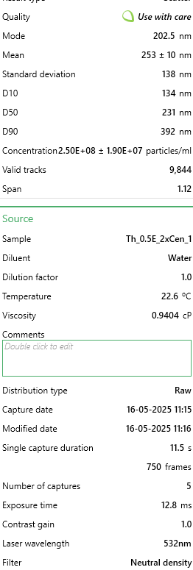
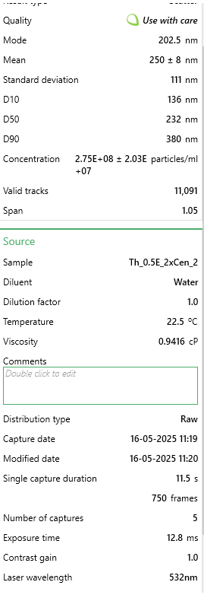
157.5 | 5362409.8805 | 157.5 | 5618757.4198 | 157.5 | 5265538.1889
162.5 | 4567118.4812 | 162.5 | 4811161.4166 | 162.5 | 6185654.2601
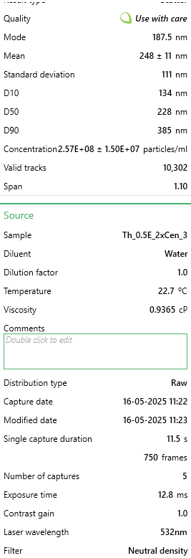
167.5 | 5638936.7927 | 167.5 | 5259698.4013 | 167.5 | 5669814.8781
172.5 | 5296043.4216 | 172.5 | 5691028.0848 | 172.5 | 5031366.9919
177.5 | 5807065.1553 | 177.5 | 5956020.5233 | 177.5 | 5884103.6149
182.5 | 6250614.3224 | 182.5 | 6200364.2004 | 182.5 | 6180131.3545
187.5 | 5607965.7785 | 187.5 | 6910452.1635 | 187.5 | 6350236.8467
192.5 | 5456429.0307 | 192.5 | 6593837.8213 | 192.5 | 5261119.8645
197.5 | 5179902.1185 | 197.5 | 6394233.1273 | 197.5 | 5131883.8737
202.5 | 6376710.5943 | 202.5 | 7509266.2453 | 202.5 | 5976888.4288
207.5 | 5424351.9089 | 207.5 | 5883749.8583 | 207.5 | 5537265.1439
212.5 | 6260569.2912 | 212.5 | 6222160.1153 | 212.5 | 5581448.3886
217.5 | 5082564.6454 | 217.5 | 5867689.7105 | 217.5 | 6330354.3866
222.5 | 5111323.4443 | 222.5 | 5871131.1707 | 222.5 | 5535055.9817
227.5 | 5151143.3196 | 227.5 | 6441266.4173 | 227.5 | 5327394.7315
232.5 | 4288379.3537 | 232.5 | 5265434.1684 | 232.5 | 6012235.0246
237.5 | 4822629.348 | 237.5 | 5928488.8414 | 237.5 | 4924222.6235
242.5 | 5119066.1978 | 242.5 | 6188892.6663 | 242.5 | 4771790.4292
247.5 | 5417715.263 | 247.5 | 5822950.7274 | 247.5 | 4791672.8894
252.5 | 4521768.0676 | 252.5 | 5633670.4141 | 252.5 | 4949627.9892
257.5 | 4334835.875 | 257.5 | 4946525.5194 | 257.5 | 5255596.9589
262.5 | 4157858.6512 | 262.5 | 4824927.2575 | 262.5 | 4885562.2844
267.5 | 3725370.5606 | 267.5 | 4890315.0021 | 267.5 | 5070027.3311
272.5 | 4134630.3906 | 272.5 | 4962585.6672 | 272.5 | 3858301.8447
277.5 | 4046141.7787 | 277.5 | 3798224.9524 | 277.5 | 4333271.7254
282.5 | 4028444.0563 | 282.5 | 5278052.8559 | 282.5 | 3043120.9798
287.5 | 3326065.6994 | 287.5 | 4550757.5917 | 287.5 | 3979805.7677
292.5 | 3861421.8013 | 292.5 | 3486199.2239 | 292.5 | 3873765.9804
297.5 | 3050644.8949 | 297.5 | 3799372.1058 | 297.5 | 3456234.3178
302.5 | 3323853.4841 | 302.5 | 4181374.1925 | 302.5 | 3290547.1502
307.5 | 3571621.5974 | 307.5 | 3347393.6608 | 307.5 | 3232004.3509
312.5 | 2962156.283 | 312.5 | 4136635.2094 | 312.5 | 3079572.1566
317.5 | 2696690.4473 | 317.5 | 2507677.3621 | 317.5 | 3170147.8083
322.5 | 2614838.4813 | 322.5 | 3489640.6841 | 322.5 | 2221312.6281
327.5 | 2433436.827 | 327.5 | 2618951.2432 | 327.5 | 2436705.946
332.5 | 2523031.5465 | 332.5 | 2750873.8858 | 332.5 | 1995978.08
337.5 | 2885834.8553 | 337.5 | 2968833.0344 | 337.5 | 2042370.487
342.5 | 2587185.7901 | 342.5 | 2754315.346 | 342.5 | 1950690.2542
347.5 | 2035238.0735 | 347.5 | 2381490.4866 | 347.5 | 2696282.5087
352.5 | 2294067.2632 | 352.5 | 2388373.4071 | 352.5 | 2338398.2265
357.5 | 1458955.9885 | 357.5 | 2608626.8625 | 357.5 | 1674544.9747
362.5 | 1851624.2038 | 362.5 | 1596837.5517 | 362.5 | 2047893.3925
367.5 | 1920202.878 | 367.5 | 2152059.8039 | 367.5 | 1937435.2808
372.5 | 1624872.1358 | 372.5 | 1794147.9389 | 372.5 | 1231607.9464
377.5 | 1811804.3284 | 377.5 | 1400674.318 | 377.5 | 1559668.5384
382.5 | 1849411.9885 | 382.5 | 1740231.7284 | 382.5 | 1254804.1499
387.5 | 1010982.3908 | 387.5 | 991140.54934 | 387.5 | 1203993.4185
392.5 | 1222248.9517 | 392.5 | 1656489.5292 | 392.5 | 1318869.8547
397.5 | 1159200.8158 | 397.5 | 1651900.9156 | 397.5 | 1663499.1635
402.5 | 1304100.9177 | 402.5 | 1253838.6811 | 402.5 | 1305614.8813
407.5 | 1415817.7902 | 407.5 | 1857241.3766 | 407.5 | 845004.55518
412.5 | 1114956.5098 | 412.5 | 948695.87304 | 412.5 | 1055979.5487
417.5 | 1343920.7931 | 417.5 | 1306607.7381 | 417.5 | 673794.48191
422.5 | 918069.34836 | 422.5 | 887896.74212 | 422.5 | 912384.00337
427.5 | 848384.5665 | 427.5 | 688292.04815 | 427.5 | 941103.11243
432.5 | 911432.70247 | 432.5 | 528837.72366 | 432.5 | 1302301.138
437.5 | 1375997.9149 | 437.5 | 685997.74133 | 437.5 | 937789.36908
442.5 | 860551.75063 | 442.5 | 781211.47465 | 442.5 | 577695.92465
447.5 | 648179.08209 | 447.5 | 312025.7285 | 447.5 | 917906.90896
452.5 | 540886.64018 | 452.5 | 645847.37185 | 452.5 | 510316.47646
457.5 | 411472.04529 | 457.5 | 410680.92206 | 457.5 | 849422.87965
462.5 | 751047.09342 | 462.5 | 478362.97347 | 462.5 | 512525.6387
467.5 | 496642.33423 | 467.5 | 764004.17345 | 467.5 | 402067.52691
472.5 | 299755.17278 | 472.5 | 141099.86987 | 472.5 | 480492.78628
477.5 | 395986.53821 | 477.5 | 590784.008 | 477.5 | 589846.31695
482.5 | 675831.77331 | 482.5 | 476068.66664 | 482.5 | 196615.43898
487.5 | 736667.69398 | 487.5 | 368236.24576 | 487.5 | 376662.1612
492.5 | 482262.9348 | 492.5 | 193868.9269 | 492.5 | 655016.6029
497.5 | 431381.98296 | 497.5 | 333821.64335 | 497.5 | 210974.99351
502.5 | 195781.05381 | 502.5 | 445095.52447 | 502.5 | 585427.99248
507.5 | 564114.9008 | 507.5 | 442801.21764 | 507.5 | 248530.75152
512.5 | 523188.9178 | 512.5 | 422152.4562 | 512.5 | 431891.21709
517.5 | 353954.44756 | 517.5 | 239755.06344 | 517.5 | 258471.98158
522.5 | 634905.79031 | 522.5 | 317761.49556 | 522.5 | 426368.3115
527.5 | 257723.08213 | 527.5 | 222547.76224 | 527.5 | 219811.64246
...

0.5R2
...
Size [nm] - 1. Th_0.5F_2xCen_1 | Concentration [particles/ml] - 1. Th_0.5F_2xCen_1 | Size [nm] - 1. Th_0.5F_2xCen_2 | Concentration [particles/ml] - 1. Th_0.5F_2xCen_2 | Size [nm] - 1. Th_0.5F_2xCen_3 | Concentration [particles/ml] - 1. Th_0.5F_2xCen_3
92.5 | 1156156.5477 | 92.5 | 1036779.0006 | 92.5 | 1014332.5058
97.5 | 1209592.3545 | 97.5 | 1167712.4311 | 97.5 | 1217936.0333
102.5 | 1558382.4391 | 102.5 | 961069.19387 | 102.5 | 1279661.9896 |  | Merged |  | Merged |  | Merged
107.5 | 1509804.4329 | 107.5 | 1589905.9417 | 107.5 | 1930087.7381 | Sample | Th_0.5F_2xCen_1 | Sample | Th_0.5F_2xCen_2 | Sample | Th_0.5F_2xCen_3
112.5 | 2107313.9092 | 112.5 | 1666506.452 | 112.5 | 1454705.7463 | Mode [nm] | 167.5 | Mode [nm] | 177.5 | Mode [nm] | 212.5
117.5 | 2110228.5896 | 117.5 | 1323585.5626 | 117.5 | 2014845.7676 | Mean [nm] | 228 | Mean [nm] | 240 | Mean [nm] | 227
122.5 | 1836248.6346 | 122.5 | 1705697.4108 | 122.5 | 2217528.0122 | Standard deviation [nm] | 114 | Standard deviation [nm] | 152 | Standard deviation [nm] | 114
127.5 | 1812931.1916 | 127.5 | 1313787.8229 | 127.5 | 1671207.2348 | Concentration [particles/ml] | 1.00E+08 | Concentration [particles/ml] | 9.52E+07 | Concentration [particles/ml] | 9.92E+07
132.5 | 1832362.3941 | 132.5 | 2219633.3931 | 132.5 | 2223055.7098 | D10 [nm] | 110 | D10 [nm] | 112 | D10 [nm] | 114
137.5 | 2076223.9853 | 137.5 | 1823270.2872 | 137.5 | 2687382.3064 | D50 [nm] | 202 | D50 [nm] | 215 | D50 [nm] | 210
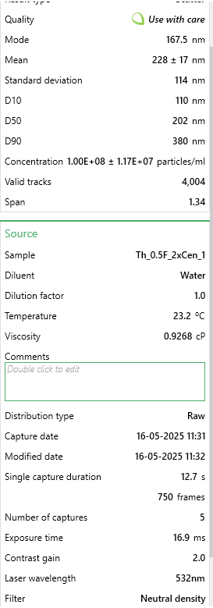
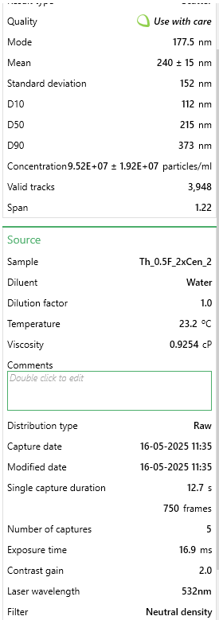
142.5 | 1983925.7735 | 142.5 | 1760921.0346 | 142.5 | 2205551.3341 | D90 [nm] | 380 | D90 [nm] | 373 | D90 [nm] | 360
147.5 | 1694400.8565 | 147.5 | 1792095.6609 | 147.5 | 1760571.679 | Valid tracks | 4004 | Valid tracks | 3948 | Valid tracks | 4045
152.5 | 2083996.4663 | 152.5 | 1796549.1789 | 152.5 | 1681341.347 |  | 1.17E+07 |  | 1.92E+07 |  | 1.48E+07
157.5 | 2687335.3033 | 157.5 | 2138579.3647 | 157.5 | 2160408.4705
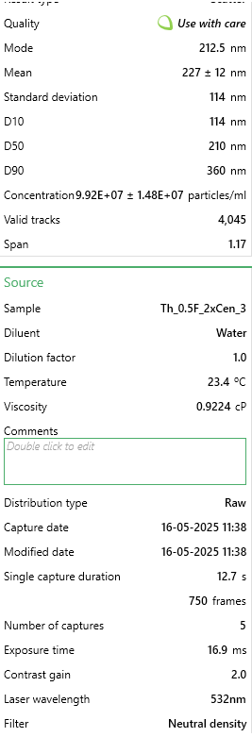
162.5 | 2651387.5787 | 162.5 | 2350566.8236 | 162.5 | 2253458.0464
167.5 | 2725226.1482 | 167.5 | 2540286.6922 | 167.5 | 1503533.7415
172.5 | 2002385.4158 | 172.5 | 1849991.3954 | 172.5 | 2154880.773
177.5 | 2457075.5539 | 177.5 | 2654296.7542 | 177.5 | 1880338.4599
182.5 | 2127716.6718 | 182.5 | 2534051.767 | 182.5 | 2285702.949
187.5 | 2304540.6144 | 187.5 | 1492819.2483 | 187.5 | 2500361.8717
192.5 | 2316199.3359 | 192.5 | 1576545.3875 | 192.5 | 2345586.3394
197.5 | 2288995.6524 | 197.5 | 1691446.1531 | 197.5 | 1817691.2206
202.5 | 1780869.7075 | 202.5 | 1363667.225 | 202.5 | 2037877.8409
207.5 | 1603074.2048 | 207.5 | 1773390.8851 | 207.5 | 1954962.3772
212.5 | 1537008.1164 | 212.5 | 1768937.367 | 212.5 | 2786880.8628
217.5 | 2191839.64 | 217.5 | 1752904.7021 | 217.5 | 2200023.6365
222.5 | 1909115.6439 | 222.5 | 1817035.3619 | 222.5 | 2338216.076
227.5 | 1629306.3282 | 227.5 | 2303359.5323 | 227.5 | 2152116.9242
232.5 | 1695372.4166 | 232.5 | 1690555.4495 | 232.5 | 2014845.7676
237.5 | 1744921.9829 | 237.5 | 1499054.1736 | 237.5 | 1329411.2678
242.5 | 1941177.128 | 242.5 | 1491928.5447 | 242.5 | 1720035.2301
247.5 | 1658453.1319 | 247.5 | 1575654.6839 | 247.5 | 1926402.6063
252.5 | 2153948.7952 | 252.5 | 1338727.524 | 252.5 | 1846250.9914
257.5 | 1462197.9868 | 257.5 | 1145444.8409 | 257.5 | 1594740.7516
262.5 | 969617.00388 | 262.5 | 1359213.707 | 262.5 | 1778997.3376
267.5 | 1588500.8029 | 267.5 | 951271.45417 | 267.5 | 1139626.9842
272.5 | 1214450.1552 | 272.5 | 1624643.3824 | 272.5 | 1252023.5017
277.5 | 1196962.0729 | 277.5 | 1310225.0085 | 277.5 | 1436280.0877
282.5 | 781134.3398 | 282.5 | 1295973.7508 | 282.5 | 1330332.5507
287.5 | 678148.96664 | 287.5 | 1080423.4774 | 287.5 | 956291.6812
292.5 | 772390.29868 | 292.5 | 956615.67583 | 292.5 | 1186612.4137
297.5 | 851086.66874 | 297.5 | 1179291.578 | 297.5 | 992221.71546
302.5 | 803480.22265 | 302.5 | 1072407.145 | 302.5 | 1178320.8673
307.5 | 968645.44375 | 307.5 | 1079532.7738 | 307.5 | 1201352.9405
312.5 | 885091.27308 | 312.5 | 1274596.8642 | 312.5 | 713072.98771
317.5 | 1033739.9721 | 317.5 | 1290629.5291 | 317.5 | 987615.30081
322.5 | 709238.89061 | 322.5 | 986899.59853 | 322.5 | 465247.87958
327.5 | 846228.86811 | 327.5 | 898719.94126 | 327.5 | 514997.15779
332.5 | 862745.39022 | 332.5 | 880905.86908 | 332.5 | 901935.98834
337.5 | 546016.78976 | 337.5 | 895157.12682 | 337.5 | 876140.0663
342.5 | 1280516.2436 | 342.5 | 732158.36642 | 342.5 | 654110.8802
347.5 | 751015.97595 | 347.5 | 1173056.6528 | 347.5 | 649504.46555
352.5 | 545045.22964 | 352.5 | 891594.31239 | 352.5 | 623708.54352
357.5 | 436230.49573 | 357.5 | 1157914.6914 | 357.5 | 873376.21751
362.5 | 610139.75795 | 362.5 | 406160.8456 | 362.5 | 513154.59193
367.5 | 510069.06517 | 367.5 | 399925.92034 | 367.5 | 616338.28008
372.5 | 379880.00853 | 372.5 | 830135.76338 | 372.5 | 605282.88492
377.5 | 488694.74244 | 377.5 | 614585.49006 | 377.5 | 370355.73781
382.5 | 240946.91078 | 382.5 | 393690.99508 | 382.5 | 262565.63501
...

0.5R3
...
Size [nm] - 1. Th_0.5E(2)_2xCen_1 | Concentration [particles/ml] - 1. Th_0.5E(2)_2xCen_1 | Size [nm] - 1. Th_0.5E(2)_2xCen_2 | Concentration [particles/ml] - 1. Th_0.5E(2)_2xCen_2 | Size [nm] - 1. Th_0.5E(2)_2xCen_3 | Concentration [particles/ml] - 1. Th_0.5E(2)_2xCen_3
97.5 | 500843.08384 | 97.5 | 524975.8538 | 97.5 | 619393.49946
102.5 | 448829.22923 | 102.5 | 590597.83553 | 102.5 | 793516.707 |  | Merged |  | Merged
107.5 | 526850.01114 | 107.5 | 858199.1636 | 107.5 | 858488.0531 | Sample | Th_0.5E(2)_2xCen_1 | Sample | Th_0.5E(2)_2xCen_2 | Sample
112.5 | 618293.72326 | 112.5 | 738886.46955 | 112.5 | 960709.63763 | Mode [nm] | 177.5 | Mode [nm] | 207.5 | Mode [nm] | 192.5
117.5 | 762590.22313 | 117.5 | 911037.64239 | 117.5 | 1210199.6066 | Mean [nm] | 264 | Mean [nm] | 273 | Mean [nm] | 261
122.5 | 894302.72591 | 122.5 | 796838.34952 | 122.5 | 1212798.4605 | Standard deviation [nm] | 127 | Standard deviation [nm] | 136 | Standard deviation [nm] | 127
127.5 | 834738.47306 | 127.5 | 1226364.0481 | 127.5 | 1237054.4297 | Concentration [particles/ml] | 6.55E+07 | Concentration [particles/ml] | 7.71E+07 | Concentration [particles/ml] | 7.97E+07
132.5 | 737422.22896 | 132.5 | 1211876.0781 | 132.5 | 1043006.676 | D10 [nm] | 131 | D10 [nm] | 133 | D10 [nm] | 124
137.5 | 976518.17351 | 137.5 | 1553621.7232 | 137.5 | 1276903.522 | D50 [nm] | 239 | D50 [nm] | 245 | D50 [nm] | 240
142.5 | 1133398.6705 | 142.5 | 1114721.4558 | 142.5 | 895738.29153 | D90 [nm] | 436 | D90 [nm] | 439 | D90 [nm] | 415
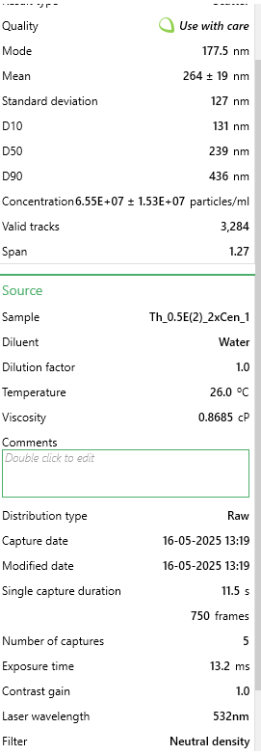
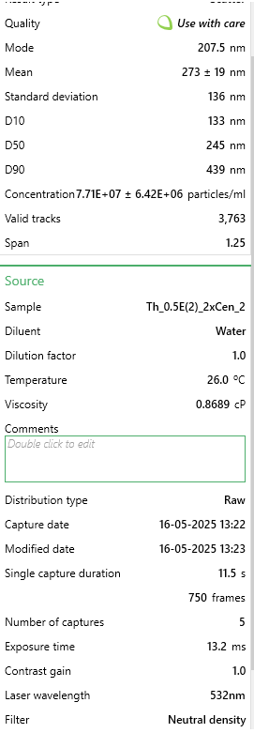
147.5 | 894302.72591 | 147.5 | 1055065.1088 | 147.5 | 1381723.9603 | Valid tracks | 3284 | Valid tracks | 3763 | Valid tracks | 3983
152.5 | 965612.04271 | 152.5 | 1048247.2405 | 152.5 | 1508201.5141 |  | 1.53E+07 |  | 6.42E+06 |  | 3.27E+06
157.5 | 1172828.528 | 157.5 | 967285.0553 | 157.5 | 1171216.799
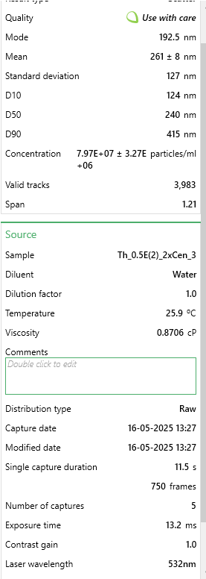
162.5 | 1229875.9814 | 162.5 | 1128357.1923 | 162.5 | 876680.03001
167.5 | 906886.72299 | 167.5 | 1361016.9457 | 167.5 | 1000558.7299
172.5 | 1385917.5452 | 172.5 | 1009044.4982 | 172.5 | 1073326.6375
177.5 | 1641792.1525 | 177.5 | 1730886.2972 | 177.5 | 1517730.6448
182.5 | 1291957.0337 | 182.5 | 1546803.855 | 182.5 | 1800139.4292
187.5 | 1361588.4842 | 187.5 | 1261305.6228 | 187.5 | 1495207.2449
192.5 | 1238265.3128 | 192.5 | 1333745.4727 | 192.5 | 1916221.5676
197.5 | 1422830.6033 | 197.5 | 1489704.2085 | 197.5 | 1880703.8984
202.5 | 1395145.8097 | 202.5 | 1010748.9653 | 202.5 | 1581835.7063
207.5 | 1038599.2258 | 207.5 | 2024906.8647 | 207.5 | 1277769.8066
212.5 | 1326353.2924 | 212.5 | 1322666.4369 | 212.5 | 1339276.0142
217.5 | 1434575.6673 | 217.5 | 1605607.9684 | 217.5 | 1288165.222
222.5 | 1556220.9724 | 222.5 | 1764123.4048 | 222.5 | 1473550.1295
227.5 | 1099841.3449 | 227.5 | 1473511.7715 | 227.5 | 1496073.5295
232.5 | 1131720.8042 | 232.5 | 1498226.5438 | 232.5 | 1831325.6753
237.5 | 1253366.1093 | 237.5 | 1194831.4075 | 237.5 | 1509067.7987
242.5 | 1002525.1008 | 242.5 | 1822927.5183 | 242.5 | 1556713.4525
247.5 | 1093129.8798 | 247.5 | 1654185.2796 | 247.5 | 1663266.4601
252.5 | 1353199.1528 | 252.5 | 1381470.5503 | 252.5 | 1803604.5677
257.5 | 1113264.2751 | 257.5 | 855642.46301 | 257.5 | 1384322.8142
262.5 | 1132559.7373 | 262.5 | 1239999.7845 | 262.5 | 1082855.7683
267.5 | 1274339.4378 | 267.5 | 1423229.9933 | 267.5 | 1089786.0452
272.5 | 1183734.6588 | 272.5 | 1168412.1681 | 272.5 | 1736900.6523
277.5 | 1475683.3911 | 277.5 | 963876.12118 | 277.5 | 1030012.4068
282.5 | 787758.21729 | 282.5 | 961319.4206 | 282.5 | 958110.78378
287.5 | 881718.72883 | 287.5 | 1176082.2699 | 287.5 | 1695318.9908
292.5 | 826349.14167 | 292.5 | 1193979.174 | 292.5 | 969372.48377
297.5 | 854033.93525 | 297.5 | 1335449.9398 | 297.5 | 855889.19926
302.5 | 1012592.2985 | 302.5 | 724398.49956 | 302.5 | 1535056.3371
307.5 | 915276.05438 | 307.5 | 899106.37299 | 307.5 | 972837.62223
312.5 | 835577.4062 | 312.5 | 1005635.5641 | 312.5 | 712952.23784
317.5 | 562085.20296 | 317.5 | 594859.00317 | 317.5 | 593404.96102
322.5 | 667790.77845 | 322.5 | 839450.02596 | 322.5 | 746737.33781
327.5 | 550340.13902 | 327.5 | 911037.64239 | 327.5 | 742405.91474
332.5 | 604031.8599 | 332.5 | 974955.15706 | 332.5 | 678300.85326
337.5 | 416949.76996 | 337.5 | 682639.05665 | 337.5 | 646248.32252
342.5 | 572152.40063 | 342.5 | 1045690.54 | 342.5 | 936453.66842
347.5 | 534400.40939 | 347.5 | 611903.67375 | 347.5 | 736341.92244
352.5 | 437923.09843 | 352.5 | 794281.64893 | 352.5 | 685231.13017
357.5 | 481547.62164 | 357.5 | 648549.71549 | 357.5 | 762330.46088
362.5 | 418627.63624 | 362.5 | 517305.75204 | 362.5 | 646248.32252
367.5 | 620810.52268 | 367.5 | 794281.64893 | 367.5 | 710353.384
372.5 | 204699.68586 | 372.5 | 548838.39261 | 372.5 | 526701.0457
377.5 | 460574.29318 | 377.5 | 488329.81206 | 377.5 | 943383.94533
382.5 | 497487.35128 | 382.5 | 717580.63133 | 382.5 | 400223.49196
387.5 | 267619.67126 | 387.5 | 476398.54265 | 387.5 | 770127.02241
392.5 | 200505.02016 | 392.5 | 613608.14081 | 392.5 | 405421.19965
...

1R1
 | R1 | R2 | R3
2.5 | 0 | 0 | 0
7.5 | 0 | 0 | 0
12.5 | 0 | 0 | 0
17.5 | 0 | 0 | 1758.887299
22.5 | 0 | 0 | 1744.9726887
27.5 | 0 | 0 | 9444.5897405
32.5 | 2195.7484557 | 9518.1523206 | 20998.113627
37.5 | 2561.7065316 | 15435.925218 | 34233.88896
42.5 | 1744.9948152 | 30221.385285 | 47783.246983
47.5 | 8417.0357467 | 86022.077687 | 152151.63238
52.5 | 15551.216352 | 130979.98381 | 128889.87478
57.5 | 21390.567285 | 207071.26931 | 165773.42788
62.5 | 27893.703668 | 304678.61758 | 248006.93171
67.5 | 40796.162015 | 429168.51697 | 271526.02762
72.5 | 81541.348607 | 466658.21361 | 430243.83631
77.5 | 71174.141279 | 718408.31135 | 451014.03017
82.5 | 106057.61486 | 823262.73649 | 576776.42408
87.5 | 92167.284338 | 1131679.9211 | 657639.17266
92.5 | 162311.58401 | 1320511.1452 | 910668.81127
97.5 | 205980.30732 | 1590036.1224 | 921477.31171
102.5 | 230606.86987 | 1875391.4787 | 854228.45452
107.5 | 257559.65538 | 2207740.8071 | 1082798.8097
112.5 | 317015.06097 | 2370796.7577 | 1191082.9411
117.5 | 317753.86899 | 3082078.5662 | 1222979.2182
122.5 | 461848.18156 | 3449044.9231 | 1121248.9188
127.5 | 514410.6655 | 3399007.1822 | 1286577.8163
132.5 | 603199.83735 | 3280910.9429 | 1548011.0443
137.5 | 624448.94484 | 3934049.6949 | 1287917.2584
142.5 | 815355.61123 | 3877701.1021 | 1461736.0123
147.5 | 881947.70161 | 3903648.5284 | 1997956.5067
152.5 | 859192.57857 | 3967640.6067 | 1544792.4298
157.5 | 1164374.8176 | 4476877.3996 | 1561181.2784
162.5 | 1256801.3031 | 4427088.1951 | 1552532.5726
167.5 | 1479592.9244 | 4480738.9544 | 1457277.2579
172.5 | 1559185.529 | 4893600.9471 | 1511578.5374
177.5 | 1658471.4853 | 4070833.1726 | 1491560.4398
182.5 | 2074258.9232 | 4455444.6918 | 1933805.116
187.5 | 1807973.509 | 4862394.5881 | 1846301.8329
192.5 | 2180111.832 | 4444781.9556 | 1691683.5345
197.5 | 2244217.895 | 4210594.3351 | 1354240.7538
202.5 | 2330384.024 | 4053588.9641 | 1401176.7971
207.5 | 2505121.7759 | 4926093.9476 | 1138632.9766
212.5 | 2394790.5114 | 4215380.5088 | 1191045.4654
217.5 | 2301385.4509 | 4155101.7997 | 1006121.2154
222.5 | 2674735.2527 | 4806376.3592 | 1176810.1022
227.5 | 2144069.0706 | 4067294.4998 | 1008118.0013
232.5 | 2346927.9301 | 4585009.2613 | 1007676.5002
237.5 | 3114744.571 | 3877929.9042 | 891806.19678
242.5 | 2935650.0217 | 3661071.8857 | 909188.19805
247.5 | 2598330.1569 | 3850566.4789 | 1035782.1314
...
Size [nm] - 1. Th_1G_2xCen_1 | Concentration [particles/ml] - 1. Th_1G_2xCen_1 | Size [nm] - 1. Th_1G_2xCen_2 | Concentration [particles/ml] - 1. Th_1G_2xCen_2 | Size [nm] - 1. Th_1G_2xCen_3 | Concentration [particles/ml] - 1. Th_1G_2xCen_3
2.5 | 0 | 2.5 | 0 | 2.5 | 0
7.5 | 0 | 7.5 | 0 | 7.5 | 0
12.5 | 0 | 12.5 | 0 | 12.5 | 0
17.5 | 0 | 17.5 | 0 | 17.5 | 0
22.5 | 0 | 22.5 | 0 | 22.5 | 0
27.5 | 0 | 27.5 | 0 | 27.5 | 0
32.5 | 0 | 32.5 | 6587.245367 | 32.5 | 0
37.5 | 0 | 37.5 | 7685.1195948 | 37.5 | 0
42.5 | 5234.9844456 | 42.5 | 0 | 42.5 | 0
47.5 | 0 | 47.5 | 25251.10724 | 47.5 | 0
52.5 | 11516.96578 | 52.5 | 17565.987645 | 52.5 | 17570.695631
57.5 | 12563.962669 | 57.5 | 23055.358785 | 57.5 | 28552.3804
62.5 | 17798.947115 | 62.5 | 29642.604152 | 62.5 | 36239.559738
67.5 | 34550.897341 | 67.5 | 59285.208303 | 67.5 | 28552.3804
72.5 | 72242.785349 | 72.5 | 116374.66815 | 72.5 | 56006.592323
77.5 | 79571.763573 | 77.5 | 96612.932049 | 77.5 | 37337.728215
82.5 | 95276.71691 | 82.5 | 119668.29083 | 82.5 | 103227.83683
87.5 | 94229.720021 | 87.5 | 88927.812455 | 87.5 | 93344.320538
92.5 | 169613.49604 | 92.5 | 184442.87028 | 92.5 | 132878.38571
97.5 | 185318.44937 | 97.5 | 208596.10329 | 97.5 | 224026.36929
102.5 | 224057.33427 | 102.5 | 210791.85174 | 102.5 | 256971.4236 |  | Merged |  | Merged |  | Merged
107.5 | 254420.24406 | 107.5 | 286545.17346 | 107.5 | 231713.54863 | Sample | Th_1G_2xCen_1 | Sample | Th_1G_2xCen_2 | Sample | Th_1G_2xCen_3
112.5 | 266984.20673 | 112.5 | 365592.11787 | 112.5 | 318468.85831 | Mode [nm] | 297.5 | Mode [nm] | 267.5 | Mode [nm] | 237.5
117.5 | 312005.07296 | 117.5 | 275566.43119 | 117.5 | 365690.10281 | Mean [nm] | 309 | Mean [nm] | 300 | Mean [nm] | 292
122.5 | 408328.78676 | 122.5 | 575286.09539 | 122.5 | 401929.66255 | Standard deviation [nm] | 123 | Standard deviation [nm] | 125 | Standard deviation [nm] | 114
127.5 | 574801.29213 | 127.5 | 574188.22116 | 127.5 | 394242.48321 | Concentration [particles/ml] | 1.13E+08 | Concentration [particles/ml] | 1.36E+08 | Concentration [particles/ml] | 1.29E+08
132.5 | 517216.46322 | 132.5 | 601635.07685 | 132.5 | 690747.97198 | D10 [nm] | 179 | D10 [nm] | 177 | D10 [nm] | 175
137.5 | 538156.40101 | 137.5 | 680682.02126 | 137.5 | 654508.41224 | D50 [nm] | 289 | D50 [nm] | 274 | D50 [nm] | 278
142.5 | 637621.10547 | 142.5 | 887082.37609 | 142.5 | 921363.35213 | D90 [nm] | 464 | D90 [nm] | 452 | D90 [nm] | 415
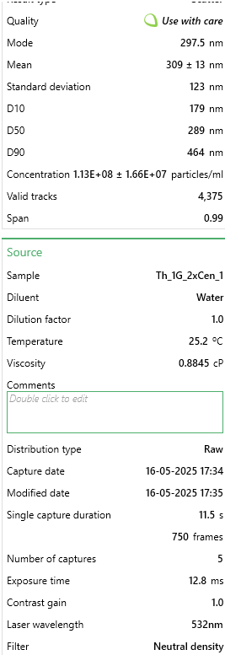
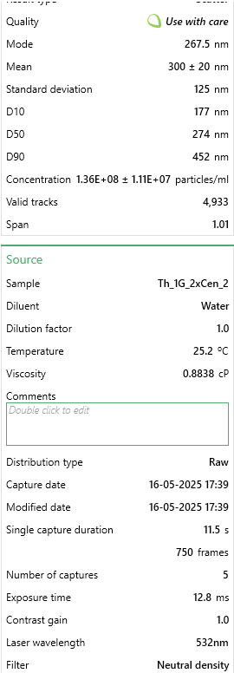
147.5 | 751743.76639 | 147.5 | 900256.86682 | 147.5 | 993842.47161 | Valid tracks | 4375 | Valid tracks | 4933 | Valid tracks | 4566
152.5 | 687876.95615 | 152.5 | 922214.35138 | 152.5 | 967486.42816 |  | 1.66E+07 |  | 1.11E+07 |  | 1.15E+07
157.5 | 918216.27176 | 157.5 | 1107755.0959 | 157.5 | 1467153.0852
162.5 | 1018727.9731 | 162.5 | 1247185.1228 | 162.5 | 1504490.8134
167.5 | 1362142.9527 | 167.5 | 1612777.2407 | 167.5 | 1463858.5797
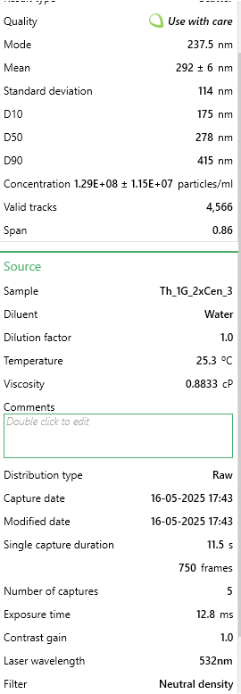
172.5 | 1373659.9185 | 172.5 | 1836743.5832 | 172.5 | 1467153.0852
177.5 | 1098299.7367 | 177.5 | 1933356.5152 | 177.5 | 1943758.2041
182.5 | 1659490.0693 | 182.5 | 2617332.1592 | 182.5 | 1945954.5411
187.5 | 1378894.903 | 187.5 | 2339569.9795 | 187.5 | 1705455.6447
192.5 | 2535826.4654 | 192.5 | 1908105.408 | 192.5 | 2096403.6224
197.5 | 2307581.1436 | 197.5 | 2038752.4411 | 197.5 | 2386320.1003
202.5 | 2182988.5138 | 202.5 | 2672225.8706 | 202.5 | 2135937.6876
207.5 | 1790364.6804 | 207.5 | 3170660.77 | 207.5 | 2554339.8773
212.5 | 1847949.5093 | 212.5 | 2525110.724 | 212.5 | 2811311.3009
217.5 | 1919145.2978 | 217.5 | 2514131.9817 | 217.5 | 2470879.0731
222.5 | 1779894.7115 | 222.5 | 3630670.0715 | 222.5 | 2613640.9751
227.5 | 1758954.7737 | 227.5 | 2061807.7999 | 227.5 | 2611444.6381
232.5 | 2021750.9929 | 232.5 | 2594276.8004 | 232.5 | 2424755.997
237.5 | 2477194.6397 | 237.5 | 3382550.496 | 237.5 | 3484488.5773
242.5 | 2413327.8294 | 242.5 | 3778883.0922 | 242.5 | 2614739.1435
247.5 | 2340038.0472 | 247.5 | 2792992.0356 | 247.5 | 2661960.388
252.5 | 2237432.352 | 252.5 | 3047698.8565 | 252.5 | 2599364.7849
257.5 | 2366212.9694 | 257.5 | 2803970.7779 | 257.5 | 2173275.4158
262.5 | 2199740.464 | 262.5 | 2575612.9385 | 262.5 | 3077068.0723
267.5 | 2353649.0067 | 267.5 | 4135692.2163 | 267.5 | 2726752.3282
272.5 | 1872030.4377 | 272.5 | 3087222.3287 | 272.5 | 2939797.0127
277.5 | 2419609.8108 | 277.5 | 1984956.6039 | 277.5 | 2827783.8281
282.5 | 1902393.3475 | 282.5 | 2642583.2664 | 282.5 | 3085853.4201
287.5 | 1592482.2684 | 287.5 | 2620625.7818 | 287.5 | 3135271.0016
292.5 | 1788270.6866 | 292.5 | 1797220.111 | 292.5 | 3386751.5828
297.5 | 2588176.3099 | 297.5 | 2863255.9862 | 297.5 | 2711377.9695
302.5 | 2452066.7143 | 302.5 | 2762251.5572 | 302.5 | 2219398.4918
307.5 | 2535826.4654 | 307.5 | 2409833.9301 | 307.5 | 2599364.7849
312.5 | 1508722.5172 | 312.5 | 2076080.1648 | 312.5 | 2969447.5616
317.5 | 1555837.3772 | 317.5 | 2980728.5286 | 317.5 | 2119465.1604
322.5 | 2022797.9898 | 322.5 | 2287969.8908 | 322.5 | 2131545.0137
327.5 | 1814445.6088 | 327.5 | 1874071.3069 | 327.5 | 2394007.2797
332.5 | 1320263.0772 | 332.5 | 1515066.4344 | 332.5 | 2174373.5843
337.5 | 1875171.4284 | 337.5 | 1739032.7769 | 337.5 | 1832843.188
342.5 | 1456372.6728 | 342.5 | 1718173.1666 | 342.5 | 2533474.6762
347.5 | 889947.35575 | 347.5 | 1896028.7915 | 347.5 | 1587951.6176
352.5 | 1290947.1643 | 352.5 | 1675356.0717 | 352.5 | 1368317.9222
357.5 | 1341203.015 | 357.5 | 1665475.2036 | 357.5 | 1360630.7429
362.5 | 1133897.6309 | 362.5 | 1414062.0055 | 362.5 | 1284857.118
367.5 | 1114004.69 | 367.5 | 1187899.9145 | 367.5 | 1505588.9819
372.5 | 1351672.9839 | 372.5 | 1616070.8634 | 372.5 | 1063027.0857
377.5 | 1137038.6216 | 377.5 | 1153865.8135 | 377.5 | 929050.53147
382.5 | 1106675.7118 | 382.5 | 1575449.5169 | 382.5 | 1041063.7161
387.5 | 1325498.0616 | 387.5 | 1037491.1453 | 387.5 | 2161195.5626
392.5 | 1876218.4253 | 392.5 | 1056155.0072 | 392.5 | 1147586.0584
...

1R2
...
Size [nm] - 1. Th_1H_2xCen_1 | Concentration [particles/ml] - 1. Th_1H_2xCen_1 | Size [nm] - 1. Th_1H_2xCen_2 | Concentration [particles/ml] - 1. Th_1H_2xCen_2 | Size [nm] - 1. Th_1H_2xCen_3 | Concentration [particles/ml] - 1. Th_1H_2xCen_3
62.5 | 278643.01541 | 62.5 | 278905.81427 | 62.5 | 356487.02306
67.5 | 272563.53144 | 67.5 | 441600.87259 | 67.5 | 573341.14688
72.5 | 385033.98493 | 72.5 | 442657.33401 | 72.5 | 572283.32189
77.5 | 449881.81397 | 77.5 | 719450.22544 | 77.5 | 985892.89464
82.5 | 560325.7728 | 82.5 | 751144.06797 | 82.5 | 1158318.3687
87.5 | 868352.96075 | 87.5 | 1173728.635 | 87.5 | 1352958.1676
92.5 | 773107.71184 | 92.5 | 1529756.1328 | 92.5 | 1658669.591
97.5 | 1142942.9868 | 97.5 | 1729427.3407 | 97.5 | 1897738.0397
102.5 | 1172327.1594 | 102.5 | 2145673.1393 | 102.5 | 2308174.1374 |  | Merged |  | Merged |  | Merged
107.5 | 1651593.1459 | 107.5 | 2573540.0135 | 107.5 | 2398089.262 | Sample | Th_1H_2xCen_1 | Sample | Th_1H_2xCen_2 | Sample | Th_1H_2xCen_3
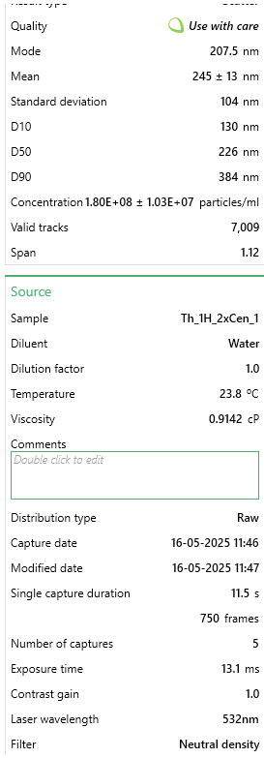
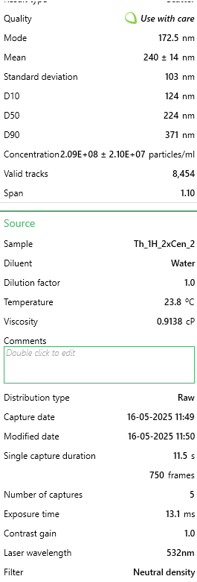
112.5 | 1865388.3322 | 112.5 | 2311537.5819 | 112.5 | 2935464.359 | Mode [nm] | 207.5 | Mode [nm] | 172.5 | Mode [nm] | 207.5
117.5 | 2194693.7141 | 117.5 | 3215868.5554 | 117.5 | 3835673.4291 | Mean [nm] | 245 | Mean [nm] | 240 | Mean [nm] | 233
122.5 | 3047847.9649 | 122.5 | 3869818.173 | 122.5 | 3429468.6313 | Standard deviation [nm] | 104 | Standard deviation [nm] | 103 | Standard deviation [nm] | 103
127.5 | 3117762.0306 | 127.5 | 3050004.1128 | 127.5 | 4029255.4031 | Concentration [particles/ml] | 1.80E+08 | Concentration [particles/ml] | 2.09E+08 | Concentration [particles/ml] | 2.21E+08
132.5 | 3119788.5253 | 132.5 | 2916889.9742 | 132.5 | 3806054.3293 | D10 [nm] | 130 | D10 [nm] | 124 | D10 [nm] | 122
137.5 | 3378166.5941 | 137.5 | 3693389.1162 | 137.5 | 4730593.3743 | D50 [nm] | 226 | D50 [nm] | 224 | D50 [nm] | 215
142.5 | 3056967.1909 | 142.5 | 3827559.7163 | 142.5 | 4748576.3992 | D90 [nm] | 384 | D90 [nm] | 371 | D90 [nm] | 367
147.5 | 3595001.5224 | 147.5 | 3857140.636 | 147.5 | 4258803.4268 | Valid tracks | 7009 | Valid tracks | 8454 | Valid tracks | 9148
152.5 | 3632491.6736 | 152.5 | 3823333.8706 | 152.5 | 4447096.2758 |  | 1.03E+07 |  | 2.10E+07 |  | 2.58E+07
157.5 | 4005366.6906 | 157.5 | 4063150.6124 | 157.5 | 5362114.8958
162.5 | 4113784.1548 | 162.5 | 4631526.8551 | 162.5 | 4535953.5753
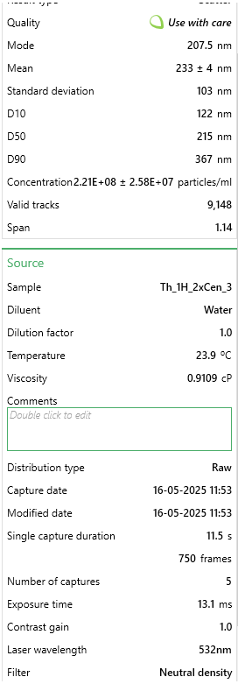
167.5 | 3552445.1346 | 167.5 | 4788939.6064 | 167.5 | 5100832.1222
172.5 | 4023605.1425 | 172.5 | 5218919.4033 | 172.5 | 5438278.2954
177.5 | 3517994.7255 | 177.5 | 3911020.1683 | 177.5 | 4783484.624
182.5 | 3908094.947 | 182.5 | 4742455.304 | 182.5 | 4715783.8243
187.5 | 4087439.7242 | 187.5 | 5093200.4946 | 187.5 | 5406543.5456
192.5 | 4192817.4464 | 192.5 | 4249087.8219 | 192.5 | 4892440.5984
197.5 | 3349795.6689 | 197.5 | 4428686.2629 | 197.5 | 4853301.0736
202.5 | 3623372.4476 | 202.5 | 4338887.0424 | 202.5 | 4198507.4022
207.5 | 4771381.6711 | 207.5 | 4194151.8282 | 207.5 | 5812748.3434
212.5 | 3567643.8446 | 212.5 | 4728721.3055 | 212.5 | 4349776.3763
217.5 | 3817915.9348 | 217.5 | 3533863.4421 | 217.5 | 5113526.0222
222.5 | 4071227.767 | 222.5 | 4718156.6914 | 222.5 | 5629744.6194
227.5 | 4160393.5319 | 227.5 | 4171966.1384 | 227.5 | 3869523.8289
232.5 | 4050962.8204 | 232.5 | 4424460.4173 | 232.5 | 5279604.5463
237.5 | 3272788.8719 | 237.5 | 4134989.9888 | 237.5 | 4226010.852
242.5 | 2801628.864 | 242.5 | 2992955.1963 | 242.5 | 5188631.5968
247.5 | 3256576.9146 | 247.5 | 4362129.1936 | 247.5 | 3932993.3286
252.5 | 2593913.1616 | 252.5 | 3404975.1492 | 252.5 | 4660776.9246
257.5 | 3138026.9772 | 257.5 | 3755720.3399 | 257.5 | 3880102.0789
262.5 | 2567568.7311 | 262.5 | 3706066.6532 | 262.5 | 2848722.7095
267.5 | 2519946.1066 | 267.5 | 3586686.513 | 267.5 | 3559581.1056
272.5 | 2295005.1996 | 272.5 | 3491604.9854 | 272.5 | 2771501.4849
277.5 | 2802642.1113 | 277.5 | 3287707.9318 | 277.5 | 2720725.8852
282.5 | 3140053.4718 | 282.5 | 2531281.5568 | 282.5 | 2820161.4347
287.5 | 3017450.545 | 287.5 | 3092262.5696 | 287.5 | 2688991.1354
292.5 | 3244417.9467 | 292.5 | 2558749.5536 | 292.5 | 2040544.4139
297.5 | 2021428.4209 | 297.5 | 3485266.2169 | 297.5 | 2663603.3355
302.5 | 2586820.4303 | 302.5 | 2574596.4749 | 302.5 | 3246464.9073
307.5 | 1958607.0865 | 307.5 | 2725670.4576 | 307.5 | 2474252.6615
312.5 | 2319323.1355 | 312.5 | 2464724.4875 | 312.5 | 2078626.1137
317.5 | 2037640.3781 | 317.5 | 2074890.2243 | 317.5 | 2126228.2384
322.5 | 2039666.8728 | 322.5 | 2739404.456 | 322.5 | 2358949.7372
327.5 | 2006229.7109 | 327.5 | 1981921.6196 | 327.5 | 1400560.2924
332.5 | 1463129.1427 | 332.5 | 2813356.7553 | 332.5 | 1744353.4155
337.5 | 1658685.8772 | 337.5 | 2510152.3284 | 337.5 | 1724254.7406
342.5 | 1932262.6559 | 342.5 | 1619555.3533 | 342.5 | 1127641.4439
347.5 | 1428678.7336 | 347.5 | 1583635.6651 | 347.5 | 1751758.1905
352.5 | 1663752.1138 | 352.5 | 1604764.8935 | 352.5 | 1640686.5661
357.5 | 1123691.2876 | 357.5 | 1400867.8398 | 357.5 | 1604720.5163
...

1R3
...
Size [nm] - 1. Th_1J_2xCen_1 | Concentration [particles/ml] - 1. Th_1J_2xCen_1 | Size [nm] - 1. Th_1J_2xCen_2 | Concentration [particles/ml] - 1. Th_1J_2xCen_2 | Size [nm] - 1. Th_1J_2xCen_3 | Concentration [particles/ml] - 1. Th_1J_2xCen_3
62.5 | 393276.32378 | 62.5 | 132971.8798 | 62.5 | 217772.59154
67.5 | 249297.19507 | 67.5 | 253279.77105 | 67.5 | 312001.11673
72.5 | 657238.05974 | 72.5 | 273331.08626 | 72.5 | 360162.36294
77.5 | 677235.16095 | 77.5 | 328208.36999 | 77.5 | 347598.55958
82.5 | 870540.47264 | 82.5 | 424243.61651 | 82.5 | 435545.18309
87.5 | 1254484.8159 | 87.5 | 290216.40433 | 87.5 | 428216.29779
92.5 | 1513113.9915 | 92.5 | 555104.83156 | 92.5 | 663787.61076
97.5 | 1554441.334 | 97.5 | 488618.89166 | 97.5 | 721371.70949
102.5 | 1179828.9713 | 102.5 | 635310.09239 | 102.5 | 747546.29982 |  | Merged |  | Merged
107.5 | 1289146.458 | 107.5 | 969850.45666 | 107.5 | 989399.51446 | Sample | Th_1J_2xCen_1 | Sample | Th_1J_2xCen_2 | Sample
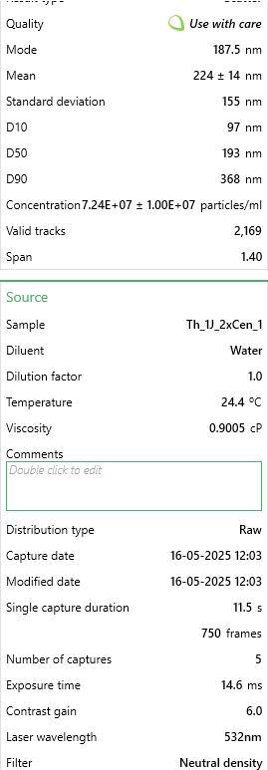
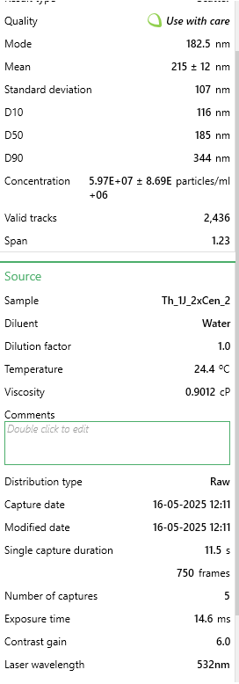
112.5 | 1647761.1396 | 112.5 | 937135.1529 | 112.5 | 988352.53085 | Mode [nm] | 187.5 | Mode [nm] | 182.5 | Mode [nm]
117.5 | 1331806.9405 | 117.5 | 1489073.9873 | 117.5 | 848056.72668 | Mean [nm] | 224 | Mean [nm] | 215 | Mean [nm]
122.5 | 1531777.9526 | 122.5 | 1026838.4051 | 122.5 | 805130.39854 | Standard deviation [nm] | 155 | Standard deviation [nm] | 107 | Standard deviation [nm]
127.5 | 1330473.8005 | 127.5 | 1688531.807 | 127.5 | 840727.84139 | Concentration [particles/ml] | 7.24E+07 | Concentration [particles/ml] | 5.97E+07 | Concentration [particles/ml] | 5.69E+07
132.5 | 1490450.6101 | 132.5 | 1596717.89 | 132.5 | 1556864.6328 | D10 [nm] | 97 | D10 [nm] | 116 | D10 [nm] | 110
137.5 | 930531.77627 | 137.5 | 1666369.8271 | 137.5 | 1266850.172 | D50 [nm] | 193 | D50 [nm] | 185 | D50 [nm] | 195
142.5 | 981191.09933 | 142.5 | 1755017.7469 | 142.5 | 1648999.1908 | D90 [nm] | 368 | D90 [nm] | 344 | D90 [nm] | 358
147.5 | 1575771.5753 | 147.5 | 2492695.0801 | 147.5 | 1925402.8647 | Valid tracks | 2169 | Valid tracks | 2436 | Valid tracks | 2256
152.5 | 1683755.9218 | 152.5 | 1483797.3254 | 152.5 | 1466824.0421 |  | 1.00E+07 |  | 8.69E+06 |  | 4.14E+06
157.5 | 1525112.2522 | 157.5 | 1944977.5752 | 157.5 | 1213454.0077
162.5 | 1441124.4271 | 162.5 | 1738132.4289 | 162.5 | 1478340.8618
167.5 | 1539776.7931 | 167.5 | 1715970.4489 | 167.5 | 1116084.5317
172.5 | 1377133.7033 | 172.5 | 1310722.8152 | 172.5 | 1846879.0937
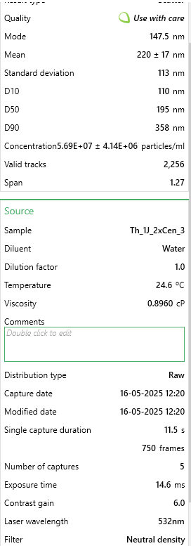
177.5 | 1506448.2911 | 177.5 | 1592496.5605 | 177.5 | 1375736.4677
182.5 | 2217011.9541 | 182.5 | 2587674.9943 | 182.5 | 996728.39976
187.5 | 2467642.2892 | 187.5 | 1646318.5118 | 187.5 | 1424944.6976
192.5 | 2186349.7322 | 192.5 | 1067996.3679 | 192.5 | 1820704.5033
197.5 | 1787740.8481 | 197.5 | 1176695.603 | 197.5 | 1098285.8102
202.5 | 1718417.5639 | 202.5 | 1269564.8524 | 202.5 | 1215547.9749
207.5 | 953195.15764 | 207.5 | 1083826.3536 | 207.5 | 1378877.4186
212.5 | 1382466.2636 | 212.5 | 842155.23875 | 212.5 | 1348514.8938
217.5 | 1205158.6329 | 217.5 | 772503.30171 | 217.5 | 1040701.7115
222.5 | 1317142.3996 | 222.5 | 1054277.047 | 222.5 | 1159010.8598
227.5 | 1373134.283 | 227.5 | 942411.81479 | 227.5 | 708807.90613
232.5 | 1249152.2555 | 232.5 | 565658.15535 | 232.5 | 1208219.0896
237.5 | 1273148.777 | 237.5 | 707072.69419 | 237.5 | 695197.11916
242.5 | 1335806.3608 | 242.5 | 701796.03229 | 242.5 | 689962.20109
247.5 | 1123837.088 | 247.5 | 860095.8892 | 247.5 | 1123413.417
252.5 | 891870.71393 | 252.5 | 1013119.0842 | 252.5 | 628190.16791
257.5 | 871873.61272 | 257.5 | 903364.51676 | 257.5 | 1045936.6296
262.5 | 691899.70184 | 262.5 | 558270.8287 | 262.5 | 613532.39733
267.5 | 957194.57788 | 267.5 | 680689.38471 | 267.5 | 929721.44851
272.5 | 1074510.905 | 272.5 | 594152.1296 | 272.5 | 926580.49767
277.5 | 786552.64756 | 277.5 | 477010.23548 | 277.5 | 711948.85697
282.5 | 1021185.3018 | 282.5 | 731345.33892 | 282.5 | 624002.23346
287.5 | 317287.33919 | 287.5 | 609982.11529 | 287.5 | 663787.61076
292.5 | 569250.81442 | 292.5 | 717626.01798 | 292.5 | 572700.03642
297.5 | 878539.31312 | 297.5 | 904419.84914 | 297.5 | 290014.46085
302.5 | 731893.90426 | 302.5 | 940301.15003 | 302.5 | 146577.70585
307.5 | 566584.53426 | 307.5 | 413690.29272 | 307.5 | 632378.10237
312.5 | 497261.25007 | 312.5 | 358813.00899 | 312.5 | 388430.92049
317.5 | 421272.26547 | 317.5 | 721847.3475 | 317.5 | 431357.24863
322.5 | 507926.37071 | 322.5 | 429520.27841 | 322.5 | 348645.54319
327.5 | 459933.32781 | 327.5 | 380974.98896 | 327.5 | 270121.7722
332.5 | 233299.51411 | 332.5 | 242726.44726 | 332.5 | 312001.11673
337.5 | 318620.47927 | 337.5 | 431630.94317 | 337.5 | 449155.97006
342.5 | 182640.19104 | 342.5 | 230062.45871 | 342.5 | 300484.29699
347.5 | 562585.11402 | 347.5 | 195236.49019 | 347.5 | 417746.46166
352.5 | 107984.34653 | 352.5 | 260667.09771 | 352.5 | 333987.77261
...

3R1
 | R1 | R2 | R3
2.5 | 0 | 0 | 0
7.5 | 0 | 0 | 0
12.5 | 0 | 1474.035851 | 0
17.5 | 1484.6362399 | 4273.6366494 | 1466.5909314
22.5 | 3242.2055418 | 15480.567382 | 1466.5909314
27.5 | 5010.6812918 | 16690.173669 | 2053.2273039
32.5 | 9490.8105463 | 32259.703779 | 7779.9767926
37.5 | 32373.18825 | 72914.384479 | 5108.3163865
42.5 | 59663.10571 | 99782.734917 | 4707.1806932
47.5 | 140496.17491 | 165216.18482 | 32495.064005
52.5 | 148819.04324 | 225584.46742 | 54696.260409
57.5 | 224140.11467 | 285477.98428 | 62192.1311
62.5 | 329095.77922 | 426433.89881 | 118235.84097
67.5 | 485490.80659 | 585777.36746 | 180612.28355
72.5 | 607295.13234 | 802512.60474 | 144752.49884
77.5 | 835218.03524 | 1077912.1777 | 221796.78307
82.5 | 1066896.8462 | 1185474.8735 | 304239.98568
87.5 | 1399173.8854 | 1275961.8346 | 255498.60266
92.5 | 1436618.9228 | 1550368.4057 | 390621.60314
97.5 | 2113732.9098 | 2050716.4016 | 546580.60397
102.5 | 2147612.8646 | 2077333.6244 | 486089.9667
107.5 | 2620825.5303 | 1975730.1648 | 789851.3266
112.5 | 2660039.9671 | 2566304.4224 | 779750.36484
117.5 | 2945876.4949 | 2733263.3332 | 943181.69636
122.5 | 2870803.0628 | 3005133.7342 | 803139.74238
127.5 | 3455118.7429 | 3010006.0876 | 876820.15291
132.5 | 3315833.3591 | 2938412.4521 | 1133798.1577
137.5 | 3242016.6244 | 3147914.875 | 1152383.0458
142.5 | 3946674.1564 | 2837871.7161 | 1335540.4441
147.5 | 3983565.6634 | 2976027.4783 | 1115698.8071
152.5 | 3510169.7478 | 2771443.0574 | 1239163.2363
157.5 | 3367579.7818 | 2702680.0206 | 1407434.8565
162.5 | 4262279.5412 | 2776084.0118 | 1427696.5283
167.5 | 3861132.3299 | 2613874.9838 | 1604240.6316
172.5 | 3236627.6635 | 2619362.8054 | 1400607.773
177.5 | 3766102.9753 | 3083852.0622 | 1388426.1399
182.5 | 3773080.5467 | 2748699.4988 | 1191612.1904
187.5 | 3851315.3411 | 2669327.3624 | 1447476.7844
192.5 | 3571454.813 | 2638513.6445 | 1385273.4312
197.5 | 3613986.0537 | 2779900.2703 | 1579318.2409
202.5 | 3768911.0846 | 2801368.6421 | 1650016.4457
207.5 | 3179480.2278 | 2805989.6925 | 1454043.6904
212.5 | 3474603.46 | 2499101.6025 | 1236739.7871
217.5 | 3012621.3617 | 2416026.8691 | 1147075.0442
222.5 | 3514695.0804 | 2374765.7426 | 1189116.7339
227.5 | 2981206.461 | 2343343.1916 | 1298152.4062
232.5 | 3119020.2842 | 2048400.2239 | 1465470.4725
237.5 | 3071468.6035 | 2178407.4033 | 1499080.4821
242.5 | 2844976.9179 | 2055239.0792 | 1304858.3777
247.5 | 2788364.5267 | 1815414.8034 | 1368552.6559
...
Size [nm] - 1. Th_3E_2xCen_1 | Concentration [particles/ml] - 1. Th_3E_2xCen_1 | Size [nm] - 1. Th_3E_2xCen_2 | Concentration [particles/ml] - 1. Th_3E_2xCen_2 | Size [nm] - 1. Th_3E_2xCen_3 | Concentration [particles/ml] - 1. Th_3E_2xCen_3
2.5 | 0 | 2.5 | 0 | 2.5 | 0
7.5 | 0 | 7.5 | 0 | 7.5 | 0
12.5 | 0 | 12.5 | 0 | 12.5 | 0
17.5 | 0 | 17.5 | 0 | 17.5 | 4453.9087197
22.5 | 0 | 22.5 | 9726.6166253 | 22.5 | 0
27.5 | 0 | 27.5 | 15032.043876 | 27.5 | 0
32.5 | 5410.2643301 | 32.5 | 13263.568125 | 32.5 | 9798.5991834
37.5 | 14427.371547 | 37.5 | 20337.471126 | 37.5 | 62354.722076
42.5 | 43282.114641 | 42.5 | 78697.170878 | 42.5 | 57010.031613
47.5 | 104598.44371 | 47.5 | 151204.67663 | 47.5 | 165685.40437
52.5 | 126239.50103 | 52.5 | 183037.24013 | 52.5 | 137180.38857
57.5 | 178538.72289 | 57.5 | 308599.01839 | 57.5 | 185282.60274
62.5 | 267808.08434 | 62.5 | 397907.04376 | 62.5 | 321572.20957
67.5 | 407573.2462 | 67.5 | 541153.57952 | 67.5 | 507745.59405
72.5 | 613163.29074 | 72.5 | 490752.02064 | 72.5 | 717970.08562
77.5 | 735795.94889 | 77.5 | 859479.21453 | 77.5 | 910378.94231
82.5 | 1088364.8411 | 82.5 | 1045169.1683 | 82.5 | 1067156.5292
87.5 | 1589716.0023 | 87.5 | 1378526.8472 | 87.5 | 1229278.8066
92.5 | 1462574.7906 | 92.5 | 1397980.0804 | 92.5 | 1449301.8974
97.5 | 2311084.5797 | 97.5 | 2137202.9439 | 97.5 | 1892911.2059
102.5 | 1971139.6376 | 102.5 | 2049663.3943 | 102.5 | 2422035.5618 |  | Merged |  | Merged |  | Merged
107.5 | 2611354.25 | 107.5 | 2412200.9231 | 107.5 | 2838921.418 | Sample | Th_3E_2xCen_1 | Sample | Th_3E_2xCen_2 | Sample | Th_3E_2xCen_3
112.5 | 2715050.983 | 112.5 | 2694272.8052 | 112.5 | 2570796.113 | Mode [nm] | 187.5 | Mode [nm] | 202.5 | Mode [nm] | 162.5
117.5 | 2815140.8731 | 117.5 | 2659787.5281 | 117.5 | 3362701.0834 | Mean [nm] | 228 | Mean [nm] | 223 | Mean [nm] | 217
122.5 | 2683491.1077 | 122.5 | 2785349.3063 | 122.5 | 3143568.7744 | Standard deviation [nm] | 101 | Standard deviation [nm] | 100 | Standard deviation [nm] | 92
127.5 | 2905311.9452 | 127.5 | 3284059.4679 | 127.5 | 4175984.8156 | Concentration [particles/ml] | 1.63E+08 | Concentration [particles/ml] | 1.58E+08 | Concentration [particles/ml] | 1.66E+08
132.5 | 3279521.8947 | 132.5 | 2703999.4218 | 132.5 | 3963978.7606 | D10 [nm] | 115 | D10 [nm] | 114 | D10 [nm] | 115
137.5 | 3322804.0094 | 137.5 | 2726989.6066 | 137.5 | 3676256.2573 | D50 [nm] | 212 | D50 [nm] | 206 | D50 [nm] | 202
142.5 | 3890881.764 | 142.5 | 3998523.6709 | 142.5 | 3950617.0344 | D90 [nm] | 356 | D90 [nm] | 348 | D90 [nm] | 336
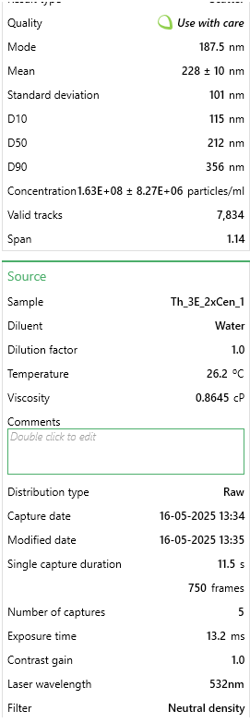
147.5 | 3498637.6001 | 147.5 | 4048925.2298 | 147.5 | 4403134.1603 | Valid tracks | 7834 | Valid tracks | 7544 | Valid tracks | 7723
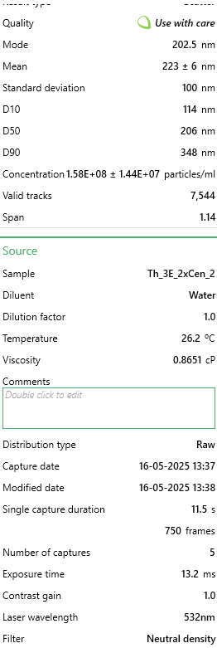
152.5 | 3672667.7694 | 152.5 | 3047967.9552 | 152.5 | 3809873.5189 |  | 8.27E+06 |  | 1.44E+07 |  | 2.08E+07
157.5 | 3150577.2615 | 157.5 | 3422884.8142 | 157.5 | 3529277.2695
162.5 | 3464372.5927 | 162.5 | 4274405.8879 | 162.5 | 5048060.143
167.5 | 3600530.9117 | 167.5 | 4015324.1905 | 167.5 | 3967541.8875 |  |  |  |  | 10 | 101
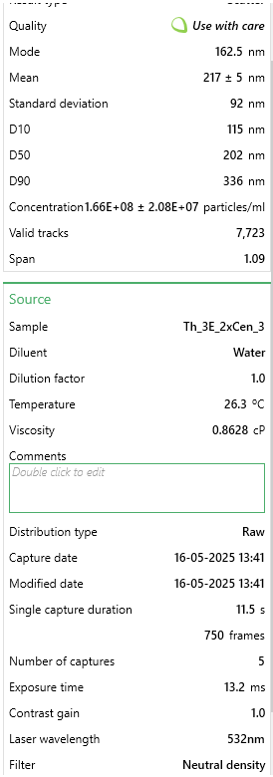
172.5 | 3289440.7127 | 172.5 | 3171761.2577 | 172.5 | 3248681.0202 |  |  |  |  | 6 | 100
177.5 | 3262389.391 | 177.5 | 3948122.112 | 177.5 | 4087797.423 |  |  |  |  | 5 | 92
182.5 | 3938672.4323 | 182.5 | 3430842.9551 | 182.5 | 3949726.2527 |  |  |  |  | 7 | 97.666666667
187.5 | 4293946.4566 | 187.5 | 3473286.3731 | 187.5 | 3786713.1935 |  |  |  |  |  | 4.9328828623
192.5 | 3737590.9414 | 192.5 | 3949006.3499 | 192.5 | 3027767.1477
197.5 | 3772757.6595 | 197.5 | 3255763.8559 | 197.5 | 3813436.6458
202.5 | 3314688.6129 | 202.5 | 4339839.4907 | 202.5 | 3652205.1502
207.5 | 2452653.163 | 207.5 | 3662513.2784 | 207.5 | 3423274.242
212.5 | 3378710.0741 | 212.5 | 3743863.1629 | 212.5 | 3301237.1431
217.5 | 2853012.7234 | 217.5 | 3349493.0706 | 217.5 | 2835358.291
222.5 | 3507654.7073 | 222.5 | 3109864.6065 | 222.5 | 3926565.9273
227.5 | 2857521.277 | 227.5 | 3212436.2 | 227.5 | 2873661.906
232.5 | 2862931.5413 | 232.5 | 3325618.648 | 232.5 | 3168510.6632
237.5 | 3247962.0195 | 237.5 | 3010829.9645 | 237.5 | 2955613.8264
242.5 | 2703328.7436 | 242.5 | 3055926.0961 | 242.5 | 2775675.9141
247.5 | 3064013.0323 | 247.5 | 2763243.3595 | 247.5 | 2537837.1885
252.5 | 2853012.7234 | 252.5 | 2681893.475 | 252.5 | 2898603.7948
257.5 | 2259687.0685 | 257.5 | 2921521.9391 | 257.5 | 3019750.112
262.5 | 2771858.7584 | 262.5 | 2008104.2142 | 262.5 | 3425946.5872
267.5 | 2779974.1549 | 267.5 | 2484708.4288 | 267.5 | 2179742.9274
272.5 | 2545529.3673 | 272.5 | 1986882.5052 | 272.5 | 2456776.0498
277.5 | 2496836.9883 | 277.5 | 1862204.9648 | 277.5 | 2528038.5893
282.5 | 2627585.043 | 282.5 | 2058505.7731 | 282.5 | 2087101.6261
287.5 | 2173122.8392 | 287.5 | 1967429.2719 | 287.5 | 2419363.2166
292.5 | 2446341.1879 | 292.5 | 1411243.6485 | 292.5 | 2292872.2089
297.5 | 2032455.9667 | 297.5 | 2058505.7731 | 297.5 | 2732027.6087
302.5 | 1491429.5337 | 302.5 | 1675630.7732 | 302.5 | 1671997.3334
307.5 | 2198370.7395 | 307.5 | 1658830.2536 | 307.5 | 1908054.4955
312.5 | 1438228.6011 | 312.5 | 1749906.7547 | 312.5 | 1247094.4415
317.5 | 1949498.5803 | 317.5 | 1135361.4315 | 317.5 | 1160688.6124
322.5 | 1496839.798 | 322.5 | 1375874.1335 | 322.5 | 1890238.8607
327.5 | 1169518.806 | 327.5 | 1283913.3945 | 327.5 | 1348643.5603
332.5 | 1733989.7178 | 332.5 | 1023947.4593 | 332.5 | 1170487.2115
337.5 | 1403061.8829 | 337.5 | 1132708.7179 | 337.5 | 1464445.1871
342.5 | 1487822.6908 | 342.5 | 1250312.3553 | 342.5 | 1021726.6603
347.5 | 1191159.8633 | 347.5 | 1044284.9304 | 347.5 | 810611.38699
352.5 | 1366091.7433 | 352.5 | 1271534.0643 | 352.5 | 976296.79137
357.5 | 1106399.0555 | 357.5 | 869205.83116 | 357.5 | 1029743.696
362.5 | 1023441.6691 | 362.5 | 661409.93052 | 362.5 | 646707.54611
367.5 | 874659.40003 | 367.5 | 661409.93052 | 367.5 | 1190975.1917
372.5 | 653740.27322 | 372.5 | 594207.85202 | 372.5 | 634236.60169
377.5 | 500449.45053 | 377.5 | 743644.0529 | 377.5 | 826645.45838
382.5 | 871954.26786 | 382.5 | 597744.80352 | 382.5 | 857822.81942
387.5 | 631197.50517 | 387.5 | 740107.1014 | 387.5 | 505964.03056
392.5 | 881873.0858 | 392.5 | 521700.34627 | 392.5 | 546049.20904
 |  |  |  | 397.5 | 579008.13357
...

3R2
...
Size [nm] - 1. Th_3F_2xCen_1 | Concentration [particles/ml] - 1. Th_3F_2xCen_1 | Size [nm] - 1. Th_3F_2xCen_2 | Concentration [particles/ml] - 1. Th_3F_2xCen_2 | Size [nm] - 1. Th_3F_2xCen_3 | Concentration [particles/ml] - 1. Th_3F_2xCen_3
97.5 | 1765305.3351 | 97.5 | 2424043.75 | 97.5 | 1962800.1198
102.5 | 2280038.6543 | 102.5 | 1920291.9195 | 102.5 | 2031670.2994 |  | Merged |  | Merged |  | Merged
107.5 | 1926270.05 | 107.5 | 1798754.4562 | 107.5 | 2202165.988 | Sample | Th_3F_2xCen_1 | Sample | Th_3F_2xCen_2 | Sample | Th_3F_2xCen_3
112.5 | 2463998.3285 | 112.5 | 2527141.0464 | 112.5 | 2707773.8922 | Mode [nm] | 127.5 | Mode [nm] | 137.5 | Mode [nm] | 177.5
117.5 | 2341948.16 | 117.5 | 3074478.7258 | 117.5 | 2783363.1138 | Mean [nm] | 218 | Mean [nm] | 207 | Mean [nm] | 217
122.5 | 2391475.7646 | 122.5 | 3434900.1685 | 122.5 | 3189025.2695 | Standard deviation [nm] | 105 | Standard deviation [nm] | 98 | Standard deviation [nm] | 111
127.5 | 3503193.6034 | 127.5 | 2709866.336 | 127.5 | 2816958.3234 | Concentration [particles/ml] | 1.27E+08 | Concentration [particles/ml] | 1.20E+08 | Concentration [particles/ml] | 1.24E+08
132.5 | 2898249.2902 | 132.5 | 3315039.0841 | 132.5 | 2601948.982 | D10 [nm] | 109 | D10 [nm] | 104 | D10 [nm] | 105
137.5 | 2994651.2348 | 137.5 | 3502793.5101 | 137.5 | 2946299.8802 | D50 [nm] | 200 | D50 [nm] | 189 | D50 [nm] | 196
142.5 | 2787696.6013 | 142.5 | 2688911.6009 | 142.5 | 3037006.9461 | D90 [nm] | 351 | D90 [nm] | 330 | D90 [nm] | 351
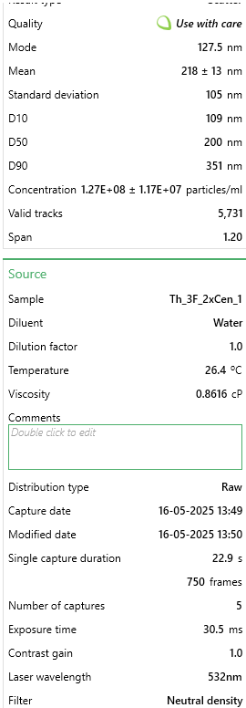
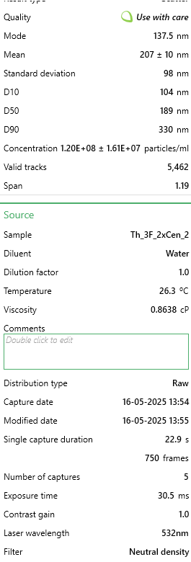
147.5 | 3277666.1182 | 147.5 | 3478486.0174 | 147.5 | 2171930.2994 | Valid tracks | 5731 | Valid tracks | 5462 | Valid tracks | 5824
152.5 | 2507334.9825 | 152.5 | 3299951.6748 | 152.5 | 2507042.515 |  | 1.17E+07 |  | 1.61E+07 |  | 9.86E+06
157.5 | 2580741.9679 | 157.5 | 2475173.3035 | 157.5 | 3052124.7904
162.5 | 2845183.9995 | 162.5 | 2750937.6167 | 162.5 | 2732130.4192
167.5 | 2572782.1743 | 167.5 | 2778597.8669 | 167.5 | 2490244.9102
172.5 | 2773545.8572 | 172.5 | 2543904.8344 | 172.5 | 2540637.7246
177.5 | 2949545.7378 | 177.5 | 2721600.9876 | 177.5 | 3580409.4611
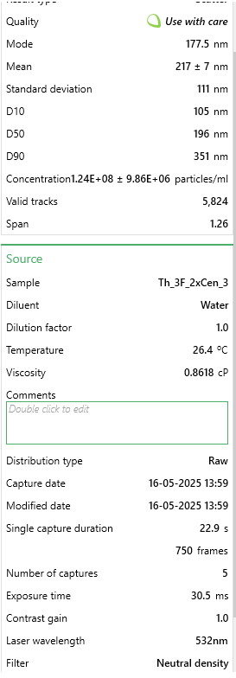
182.5 | 3195414.9177 | 182.5 | 2674662.3811 | 182.5 | 2376021.1976
187.5 | 2534752.0493 | 187.5 | 2215334.5889 | 187.5 | 3257895.4491
192.5 | 2733746.8892 | 192.5 | 3046818.4755 | 192.5 | 2134975.5689
197.5 | 2933626.1506 | 197.5 | 2614312.7442 | 197.5 | 2791761.9162
202.5 | 3012339.665 | 202.5 | 2629400.1534 | 202.5 | 2762366.1078
207.5 | 2731978.0462 | 207.5 | 2913546.3606 | 207.5 | 2772444.6707
212.5 | 2739053.4183 | 212.5 | 2750937.6167 | 212.5 | 2007313.7725
217.5 | 2879676.4384 | 217.5 | 1989023.4504 | 217.5 | 2379380.7186
222.5 | 2566591.2237 | 222.5 | 2658736.7825 | 222.5 | 1898969.2216
227.5 | 2776199.1217 | 227.5 | 2162528.6566 | 227.5 | 2091301.7964
232.5 | 2141184.4771 | 232.5 | 1929512.0029 | 232.5 | 2074504.1916
237.5 | 2447194.3198 | 237.5 | 1917777.3513 | 237.5 | 2170250.5389
242.5 | 1984641.8697 | 242.5 | 2006625.4279 | 242.5 | 2174449.9401
247.5 | 1952802.6954 | 247.5 | 1893469.8586 | 247.5 | 1599971.8563
252.5 | 1618491.3644 | 252.5 | 1528857.4689 | 252.5 | 2129096.4072
257.5 | 1780340.5008 | 257.5 | 1611000.0302 | 257.5 | 2096341.0778
262.5 | 1358471.4402 | 262.5 | 1537239.3629 | 262.5 | 1746950.8982
267.5 | 2127033.7329 | 267.5 | 1181847.0565 | 267.5 | 1589893.2934
272.5 | 2274732.1252 | 272.5 | 1573281.5072 | 272.5 | 1500026.1078
277.5 | 1464602.0215 | 277.5 | 1195258.0869 | 277.5 | 1382442.8743
282.5 | 1928038.8931 | 282.5 | 962241.43325 | 282.5 | 1486588.024
287.5 | 1677747.6056 | 287.5 | 922008.34196 | 287.5 | 1733512.8144
292.5 | 1404461.3588 | 292.5 | 1310928.2244 | 292.5 | 1202708.503
297.5 | 923336.05704 | 297.5 | 905244.55393 | 297.5 | 881034.37126
302.5 | 1102873.6237 | 302.5 | 1785343.4258 | 302.5 | 969221.79641
307.5 | 1123215.3184 | 307.5 | 1019238.3126 | 307.5 | 1221185.8683
312.5 | 933949.11517 | 312.5 | 1269018.7543 | 312.5 | 1267379.2814
317.5 | 1127637.426 | 317.5 | 786221.65888 | 317.5 | 1286696.5269
322.5 | 731416.58925 | 322.5 | 696535.39288 | 322.5 | 944025.38922
327.5 | 857004.44375 | 327.5 | 906920.93273 | 327.5 | 806285.02994
332.5 | 1063074.6557 | 332.5 | 461004.17098 | 332.5 | 845759.4012
337.5 | 1189546.9317 | 337.5 | 663846.00621 | 337.5 | 960822.99401
342.5 | 707537.20846 | 342.5 | 774487.00725 | 342.5 | 666025.02994
347.5 | 435135.3832 | 347.5 | 523868.37612 | 347.5 | 555160.83832
352.5 | 1305406.1496 | 352.5 | 271573.36618 | 352.5 | 1064128.2635
357.5 | 607597.57777 | 357.5 | 635347.56655 | 357.5 | 545082.27545
362.5 | 476703.1942 | 362.5 | 308453.69986 | 362.5 | 733215.4491
367.5 | 775637.66478 | 367.5 | 376347.0414 | 367.5 | 472852.57485
372.5 | 473165.50816 | 372.5 | 248104.06293 | 372.5 | 592115.56886
377.5 | 573105.13885 | 377.5 | 637862.13476 | 377.5 | 508967.42515
382.5 | 490853.93837 | 382.5 | 492017.17885 | 382.5 | 377106.22754
387.5 | 426291.1681 | 387.5 | 634509.37715 | 387.5 | 639148.86228
392.5 | 619095.0574 | 392.5 | 423285.6479 | 392.5 | 304876.52695
...

3R3
...
 |  |  |  | Size [nm] - 1. Th_3F(2)_2xCen_3 | Concentration [particles/ml] - 1. Th_3F(2)_2xCen_3
 |  |  |  | 97.5 | 477338.87192
102.5 | 445934.03787 | 102.5 | 720682.78367 | 102.5 | 291653.07857 |  | Merged |  | Merged
107.5 | 1014973.4182 | 107.5 | 813078.01234 | 107.5 | 541502.54921 | Sample | Th_3F(2)_2xCen_1 | Sample | Th_3F(2)_2xCen_2 | Sample
112.5 | 719692.77154 | 112.5 | 1011947.7426 | 112.5 | 607610.58035 | Mode [nm] | 252.5 | Mode [nm] | 197.5 | Mode [nm]
117.5 | 681814.20462 | 117.5 | 1352490.1569 | 117.5 | 795240.72756 | Mean [nm] | 271 | Mean [nm] | 264 | Mean [nm]
122.5 | 881537.55749 | 122.5 | 755001.01146 | 122.5 | 772880.6582 | Standard deviation [nm] | 152 | Standard deviation [nm] | 151 | Standard deviation [nm] | 127
127.5 | 732605.91936 | 127.5 | 953870.74175 | 127.5 | 943983.79763 | Concentration [particles/ml] | 7.12E+07 | Concentration [particles/ml] | 7.78E+07 | Concentration [particles/ml] | 7.09E+07
132.5 | 963320.82698 | 132.5 | 1207297.6547 | 132.5 | 1230775.9916 | D10 [nm] | 133 | D10 [nm] | 126 | D10 [nm] | 135
137.5 | 1076956.5277 | 137.5 | 1286493.565 | 137.5 | 1093699.0446 | D50 [nm] | 252 | D50 [nm] | 241 | D50 [nm] | 229
142.5 | 1347271.7553 | 142.5 | 1071784.6526 | 142.5 | 1587564.9243 | D90 [nm] | 424 | D90 [nm] | 411 | D90 [nm] | 424
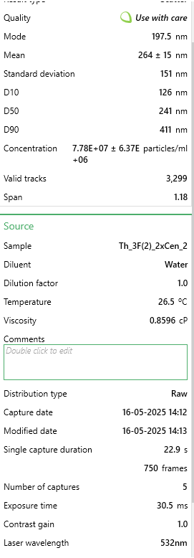
147.5 | 949546.80264 | 147.5 | 1278573.974 | 147.5 | 1118975.6448 | Valid tracks | 3008 | Valid tracks | 3299 | Valid tracks | 2706
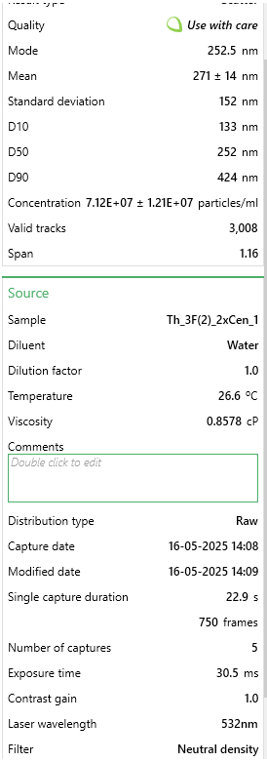
152.5 | 1033051.8252 | 152.5 | 1175619.2906 | 152.5 | 1508818.5931 |  | 1.21E+07 |  | 6.37E+06 |  | 2.45E+07
157.5 | 1262905.8563 | 157.5 | 1334891.0657 | 157.5 | 1624507.6476
162.5 | 1379124.1866 | 162.5 | 1622636.2065 | 162.5 | 1281329.1918
167.5 | 1253436.2146 | 167.5 | 1241615.8825 | 167.5 | 2317669.7977
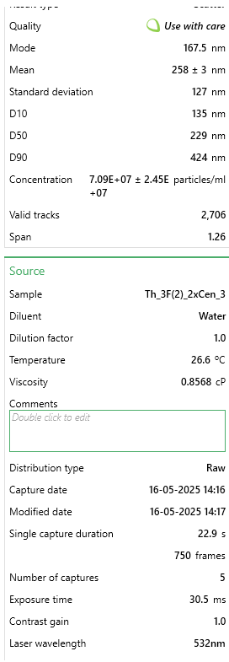
172.5 | 991729.75217 | 172.5 | 1141301.0628 | 172.5 | 2068792.504
177.5 | 1446272.5553 | 177.5 | 1476563.7497 | 177.5 | 1242442.1147
182.5 | 1299062.6702 | 182.5 | 1114022.4715 | 182.5 | 1161751.4296
187.5 | 1204366.2529 | 187.5 | 1040106.2885 | 187.5 | 2097957.8118
192.5 | 1191453.105 | 192.5 | 1370969.2026 | 192.5 | 1593397.9859
197.5 | 923720.50701 | 197.5 | 2259723.307 | 197.5 | 1554510.9088
202.5 | 1528055.8247 | 202.5 | 1837345.1188 | 202.5 | 1584648.3936
207.5 | 1300784.4232 | 207.5 | 1243375.7916 | 207.5 | 1817970.8564
212.5 | 1081260.9104 | 212.5 | 1575118.6603 | 212.5 | 1053839.7906
217.5 | 977094.85132 | 217.5 | 1413207.0215 | 217.5 | 1050923.2598
222.5 | 851406.87925 | 222.5 | 1348090.3841 | 222.5 | 1367852.9385
227.5 | 1281845.1397 | 227.5 | 1007547.9698 | 227.5 | 1605064.1091
232.5 | 1451437.8144 | 232.5 | 1379768.7482 | 232.5 | 1565204.855
237.5 | 1281845.1397 | 237.5 | 1869903.4375 | 237.5 | 1345492.8691
242.5 | 1269792.8684 | 242.5 | 1553999.7509 | 242.5 | 1090782.5138
247.5 | 1233636.0546 | 247.5 | 1287373.5195 | 247.5 | 1584648.3936
252.5 | 1651161.1672 | 252.5 | 1375368.9754 | 252.5 | 953705.56692
257.5 | 1552160.3673 | 257.5 | 1449285.1584 | 257.5 | 799129.43528
262.5 | 1488455.5048 | 262.5 | 1915661.0745 | 262.5 | 1331882.3921
267.5 | 1330054.2249 | 267.5 | 1171219.5178 | 267.5 | 709689.15785
272.5 | 1223305.5363 | 272.5 | 995228.60602 | 272.5 | 1132586.1218
277.5 | 1007225.5295 | 277.5 | 1247775.5644 | 277.5 | 1609924.9937
282.5 | 1070930.3921 | 282.5 | 1297932.9742 | 282.5 | 1019813.5981
287.5 | 1064043.3799 | 287.5 | 1026906.9701 | 287.5 | 560946.08778
292.5 | 684396.83418 | 292.5 | 1379768.7482 | 292.5 | 774825.01206
297.5 | 1179400.8337 | 297.5 | 955630.65087 | 297.5 | 1012036.1826
302.5 | 1147548.4025 | 302.5 | 967070.06014 | 302.5 | 830239.09699
307.5 | 921998.75397 | 307.5 | 990828.83322 | 307.5 | 511365.06442
312.5 | 904781.22355 | 312.5 | 1211697.4275 | 312.5 | 636775.88821
317.5 | 965903.45654 | 317.5 | 1174739.336 | 317.5 | 733993.58106
322.5 | 1125165.6129 | 322.5 | 760280.73881 | 322.5 | 425813.49471
327.5 | 749823.44978 | 327.5 | 489254.7347 | 327.5 | 1066478.0906
332.5 | 575065.51602 | 332.5 | 857075.74028 | 332.5 | 464700.57185
337.5 | 1002921.1469 | 337.5 | 708363.41984 | 337.5 | 859404.40485
342.5 | 712805.75937 | 342.5 | 784039.5119 | 342.5 | 912874.13592
347.5 | 977955.72784 | 347.5 | 925712.19587 | 347.5 | 595944.45721
352.5 | 814389.18885 | 352.5 | 857955.69484 | 352.5 | 315957.50178
357.5 | 876372.29836 | 357.5 | 870275.05867 | 357.5 | 436507.44092
362.5 | 619831.09511 | 362.5 | 540292.09911 | 362.5 | 466644.92571
367.5 | 553543.60299 | 367.5 | 700443.82882 | 367.5 | 417063.90235
372.5 | 810084.80624 | 372.5 | 462856.09794 | 372.5 | 128327.35457
377.5 | 538047.82561 | 377.5 | 483095.05279 | 377.5 | 582333.98021
382.5 | 394281.44661 | 382.5 | 645886.64617 | 382.5 | 372343.76364
387.5 | 406333.7179 | 387.5 | 606288.69102 | 387.5 | 448173.56407
392.5 | 209192.9946 | 392.5 | 449656.77955 | 392.5 | 356788.93278
397.5 | 340046.22579 | 397.5 | 510373.64411 | 397.5 | 337345.39421
...

For ICP-MS
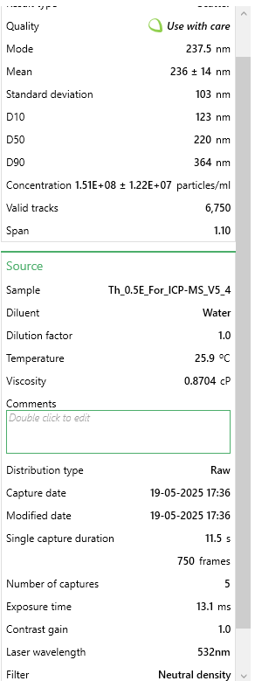
Size [nm] - 1 - Scatter | Concentration [particles/ml] - 1 - Scatter | Size [nm] - 2 - Scatter | Concentration [particles/ml] - 2 - Scatter | Size [nm] - 3 - Scatter | Concentration [particles/ml] - 3 - Scatter | Size [nm] - 1 - Scatter | Concentration [particles/ml] - 1 - Scatter | Size [nm] - 2 - Scatter | Concentration [particles/ml] - 2 - Scatter | Size [nm] - 3 - Scatter | Concentration [particles/ml] - 3 - Scatter
2.5 | 0 | 2.5 | 0 | 2.5 | 0 | 2.5 | 0 | 2.5 | 0 | 2.5 | 0
7.5 | 0 | 7.5 | 0 | 7.5 | 0 | 7.5 | 0 | 7.5 | 0 | 7.5 | 0
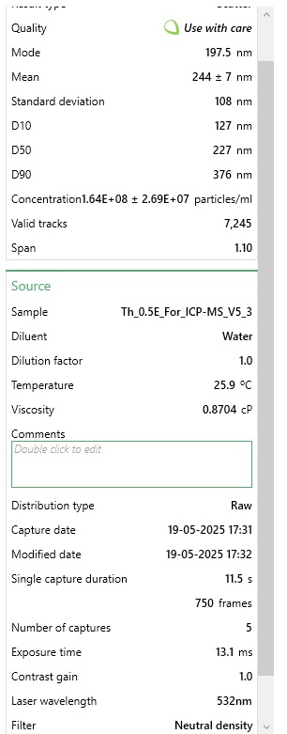
12.5 | 0 | 12.5 | 0 | 12.5 | 0 | 12.5 | 0 | 12.5 | 0 | 12.5 | 0
17.5 | 0 | 17.5 | 0 | 17.5 | 0 | 17.5 | 0 | 17.5 | 0 | 17.5 | 0
22.5 | 0 | 22.5 | 0 | 22.5 | 0 | 22.5 | 0 | 22.5 | 0 | 22.5 | 0
27.5 | 9021.7999437 | 27.5 | 0 | 27.5 | 9016.1642339 | 27.5 | 4600.7222672 | 27.5 | 0 | 27.5 | 9956.7350107
32.5 | 18945.779882 | 32.5 | 16423.877059 | 32.5 | 28851.725549 | 32.5 | 11961.877895 | 32.5 | 0 | 32.5 | 15387.68138
37.5 | 19847.959876 | 37.5 | 41972.130263 | 37.5 | 33359.807665 | 37.5 | 21163.322429 | 37.5 | 20089.466074 | 37.5 | 43447.570956
42.5 | 19847.959876 | 42.5 | 19161.189903 | 42.5 | 45982.437593 | 42.5 | 32205.05587 | 42.5 | 32873.671758 | 42.5 | 59740.410064
47.5 | 67663.499578 | 47.5 | 111317.38896 | 47.5 | 91063.258763 | 47.5 | 76371.989636 | 47.5 | 40178.932149 | 47.5 | 108618.92739
52.5 | 127207.37921 | 52.5 | 125003.95317 | 52.5 | 128931.14854 | 52.5 | 144462.67919 | 52.5 | 92228.912432 | 52.5 | 134868.50151
57.5 | 152468.41905 | 57.5 | 188874.58618 | 57.5 | 121718.21716 | 57.5 | 149983.54591 | 57.5 | 136060.47478 | 57.5 | 203660.48886
62.5 | 155174.95903 | 62.5 | 247270.5935 | 62.5 | 252452.59855 | 62.5 | 264081.45814 | 62.5 | 186284.13996 | 62.5 | 240771.95571
67.5 | 289599.77819 | 67.5 | 370449.67145 | 67.5 | 330893.22738 | 67.5 | 283404.49166 | 67.5 | 313213.03925 | 67.5 | 272452.4762 | #,Sample,Include,Type,Mode [nm],Mean [nm],Standard deviation [nm],D10 [nm],D50 [nm],D90 [nm],Concentration [particles/ml]
72.5 | 406883.17746 | 72.5 | 397822.79988 | 72.5 | 408432.2398 | 72.5 | 506079.44939 | 72.5 | 382613.01296 | 72.5 | 497836.75054 | 1 | Th_0.5E_For_ICP-MS_V5_4 | TRUE
77.5 | 461013.97713 | 77.5 | 612245.63927 | 77.5 | 787111.13762 | 77.5 | 454551.36 | 77.5 | 390831.4309 | 77.5 | 538568.84831 | 2 | Th_0.5E_For_ICP-MS_V5_3 | TRUE
82.5 | 735276.69541 | 82.5 | 651480.45669 | 82.5 | 824979.0274 | 82.5 | 679066.60664 | 82.5 | 537849.79626 | 82.5 | 698781.76621 | 3 | Th_0.5E_For_ICP-MS_V5_1 | TRUE
87.5 | 992397.99381 | 87.5 | 1163357.9584 | 87.5 | 983663.51792 | 87.5 | 778442.20761 | 87.5 | 841018.10248 | 87.5 | 1011966.3402
92.5 | 1063670.2134 | 92.5 | 1162445.5208 | 92.5 | 1242427.4314 | 92.5 | 1036082.6546 | 92.5 | 924115.43942 | 92.5 | 1093430.5357
97.5 | 1520173.2905 | 97.5 | 1467199.684 | 97.5 | 1466929.9209 | 97.5 | 1211830.2452 | 97.5 | 981644.365 | 97.5 | 1080758.3275 | # | Sample | Include
102.5 | 1320791.5118 | 102.5 | 1478148.9353 | 102.5 | 1553485.0975 | 102.5 | 1534800.9483 | 102.5 | 1014518.0368 | 102.5 | 1328771.5451 | 1 | Th_1H_For_ICP-MS_V5_3 | TRUE
107.5 | 2071405.2671 | 107.5 | 1427964.8665 | 107.5 | 1725693.8344 | 107.5 | 2027998.3754 | 107.5 | 1256504.7872 | 107.5 | 1587646.6553 | 2 | Th_1H_For_ICP-MS_V5_2 | TRUE
112.5 | 1896382.3482 | 112.5 | 1924330.9288 | 112.5 | 1649056.4384 | 112.5 | 1638777.2716 | 112.5 | 1162449.5597 | 112.5 | 1519759.8257 | 3 | Th_1H_For_ICP_20250519_V3_1 | TRUE
117.5 | 2453027.4047 | 117.5 | 2178901.0232 | 117.5 | 2328875.2216 | 117.5 | 2494511.6133 | 117.5 | 1871972.9751 | 117.5 | 2295479.9988
122.5 | 2818410.3024 | 122.5 | 2065758.759 | 122.5 | 2337891.3859 | 122.5 | 2764113.9381 | 122.5 | 1796180.8986 | 122.5 | 2657543.0901
127.5 | 3205445.52 | 127.5 | 2421609.4286 | 127.5 | 2590343.9844 | 127.5 | 2769634.8049 | 127.5 | 2470091.1696 | 127.5 | 2551639.6359 |  | For manuscript
132.5 | 2699322.5432 | 132.5 | 2366863.1718 | 132.5 | 2650752.2848 | 132.5 | 2984028.4625 | 132.5 | 3096517.2481 | 132.5 | 2272851.0556 |  |  | average
137.5 | 2668648.4234 | 137.5 | 2777460.0983 | 137.5 | 2091750.1023 | 137.5 | 2553400.8583 | 137.5 | 2749517.3795 | 137.5 | 2963486.4023 |  | 0.5%ww | 1.57E+08 | 1.82E+07 |  |  | 12
142.5 | 3440914.4985 | 142.5 | 3766542.4723 | 142.5 | 2341497.8515 | 142.5 | 3298717.8656 | 142.5 | 2541317.4584 | 142.5 | 2605949.0996 |  | 1%ww | 1.58E+08 | 2.00E+07 |  | Average | 9.3333333333
147.5 | 3028618.2411 | 147.5 | 3029292.8798 | 147.5 | 2911319.4311 | 147.5 | 3468024.445 | 147.5 | 3501046.0422 | 147.5 | 2670215.2983 |  | 3%ww | 1.62E+08 | 1.45E+07 | Extracted from previous data 3R2
152.5 | 3162140.8803 | 152.5 | 2814870.0404 | 152.5 | 2808535.1589 | 152.5 | 3252710.6429 | 152.5 | 2712077.92 | 152.5 | 2910987.254
157.5 | 2902313.0419 | 157.5 | 3143347.5816 | 157.5 | 3167378.4954 | 157.5 | 3515871.9566 | 157.5 | 2857269.9703 | 157.5 | 2513623.0113 |  | Average | 1.59E+08 | 1.76E+07
162.5 | 3122444.9605 | 162.5 | 2803920.7891 | 162.5 | 3904900.7297 | 162.5 | 3005191.7849 | 162.5 | 3350375.0467 | 162.5 | 3077536.276
167.5 | 2955541.6616 | 167.5 | 3713621.0906 | 167.5 | 3423437.5596 | 167.5 | 3502989.9343 | 167.5 | 3869048.5344 | 167.5 | 2529010.6927
172.5 | 3355207.3991 | 172.5 | 3678948.4613 | 172.5 | 3555073.5574 | 172.5 | 3189220.6756 | 172.5 | 3402425.027 | 172.5 | 4074114.9348
177.5 | 3212662.96 | 177.5 | 3692635.0255 | 177.5 | 3884163.552 | 177.5 | 3871047.7156 | 177.5 | 3954885.344 | 177.5 | 4083166.5121
182.5 | 3081846.8608 | 182.5 | 3550294.7577 | 182.5 | 4475623.9257 | 182.5 | 3175418.5088 | 182.5 | 2720296.338 | 182.5 | 3187060.3612
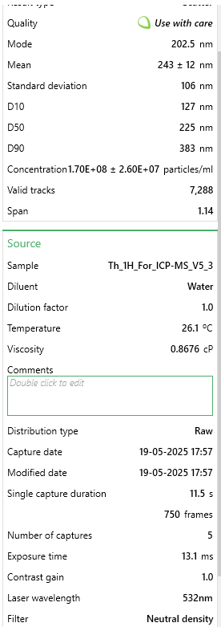
187.5 | 2974487.4415 | 187.5 | 3064877.9468 | 187.5 | 3190820.5224 | 187.5 | 3190140.8201 | 187.5 | 3374117.1429 | 187.5 | 3457702.5219
192.5 | 3096281.7407 | 192.5 | 3254664.9706 | 192.5 | 3939162.1538 | 192.5 | 3826880.7819 | 192.5 | 3346722.4165 | 192.5 | 3665888.7994
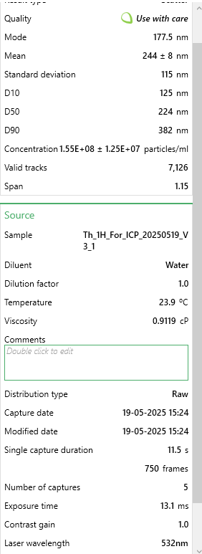
197.5 | 3791862.5164 | 197.5 | 4208162.2777 | 197.5 | 3512697.5855 | 197.5 | 4251987.5194 | 197.5 | 3930230.0902 | 197.5 | 3888557.6005
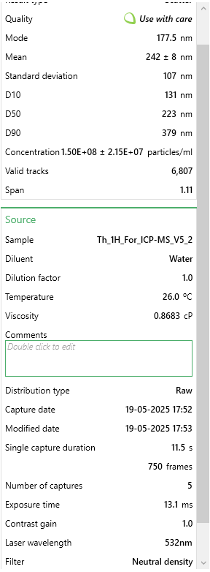
202.5 | 2657822.2634 | 202.5 | 4108706.5777 | 202.5 | 3116887.9757 | 202.5 | 5174892.4062 | 202.5 | 3190572.4756 | 202.5 | 3315592.7586
207.5 | 3652024.6172 | 207.5 | 3535695.7558 | 207.5 | 2822059.4052 | 207.5 | 3625369.1466 | 207.5 | 3434385.5412 | 207.5 | 3306541.1813
212.5 | 3183793.2001 | 212.5 | 2870528.7349 | 212.5 | 2926646.9103 | 212.5 | 3482746.7563 | 212.5 | 3654456.5104 | 212.5 | 2644870.8819
217.5 | 3086357.7608 | 217.5 | 3047541.6321 | 217.5 | 2976235.8136 | 217.5 | 3652973.4802 | 217.5 | 2846312.0797 | 217.5 | 3227792.4589
222.5 | 2708344.3431 | 222.5 | 3101375.4514 | 222.5 | 3253933.672 | 222.5 | 3479066.1785 | 222.5 | 3438038.1714 | 222.5 | 3887652.4428
227.5 | 2741725.0029 | 227.5 | 2986408.312 | 227.5 | 3487452.3257 | 227.5 | 3255471.0763 | 227.5 | 3214314.5719 | 227.5 | 2906461.4654
232.5 | 2218460.6062 | 232.5 | 3771104.6603 | 232.5 | 2683210.476 | 232.5 | 3744987.9255 | 232.5 | 2823483.141 | 232.5 | 2821376.6389
237.5 | 3801786.4963 | 237.5 | 2732750.6552 | 237.5 | 2864435.3771 | 237.5 | 3831481.5041 | 237.5 | 3706506.4907 | 237.5 | 2848531.3708
242.5 | 2820214.6624 | 242.5 | 3197181.4009 | 242.5 | 2368546.3442 | 242.5 | 2949983.1177 | 242.5 | 3172309.3247 | 242.5 | 3159905.6293
247.5 | 2722779.223 | 247.5 | 2948085.9322 | 247.5 | 2466822.5344 | 247.5 | 3403614.3333 | 247.5 | 2587888.4934 | 247.5 | 3010554.6041
252.5 | 2699322.5432 | 252.5 | 2806658.1019 | 252.5 | 2686816.9417 | 252.5 | 3399013.611 | 252.5 | 2834441.0316 | 252.5 | 2312677.9957
 | 2746235.9029 | 257.5 | 2490954.6873 | 257.5 | 2278384.7019 | 257.5 | 3020834.2406 | 257.5 | 2741298.9616 | 257.5 | 3438694.2096
 | 2397092.2451 | 262.5 | 2743699.9065 | 262.5 | 2007899.7749 | 262.5 | 2838645.6389 | 262.5 | 3186006.6879 | 262.5 | 2305436.7338
 | 2600082.7438 | 267.5 | 2883302.8615 | 267.5 | 3412618.1625 | 267.5 | 2894774.4505 | 267.5 | 1873799.2902 | 267.5 | 2629483.2006
 | 2112003.3668 | 272.5 | 2911588.4276 | 272.5 | 2082733.938 | 272.5 | 3003351.496 | 272.5 | 2754083.1673 | 272.5 | 2494614.699
 | 2476484.0846 | 277.5 | 2575811.3855 | 277.5 | 3219672.2479 | 277.5 | 2585605.9142 | 277.5 | 1945938.7366 | 277.5 | 2271040.7402
 | 2683083.3033 | 282.5 | 2271057.2223 | 282.5 | 2312646.126 | 282.5 | 2847847.0834 | 282.5 | 2028122.916 | 282.5 | 2039320.3617
 | 2167036.3465 | 287.5 | 2846805.357 | 287.5 | 2344202.7008 | 287.5 | 2002234.3307 | 287.5 | 2134962.3492 | 287.5 | 2727240.2352
 | 2357396.3253 | 292.5 | 1692571.7747 | 292.5 | 1924049.4475 | 292.5 | 2894774.4505 | 292.5 | 1912151.9073 | 292.5 | 2194102.3333
 | 2082231.427 | 297.5 | 3168895.8348 | 297.5 | 1557091.5632 | 297.5 | 2013276.0641 | 297.5 | 2104828.1501 | 297.5 | 1712558.4218
 | 2456636.1247 | 302.5 | 1765566.7839 | 302.5 | 2673292.6954 | 302.5 | 2039040.1088 | 302.5 | 2193404.4323 | 302.5 | 1555060.9771
 | 1317182.7918 | 307.5 | 1764654.3463 | 307.5 | 1817658.7096 | 307.5 | 2011435.7752 | 307.5 | 1667425.6842 | 307.5 | 2016691.4185
 | 1846762.4485 | 312.5 | 2042947.8187 | 312.5 | 1943885.0088 | 312.5 | 1663621.1718 | 312.5 | 1711257.2465 | 312.5 | 1941563.3271
 | 1876534.3883 | 317.5 | 2000975.6884 | 317.5 | 2003391.6928 | 317.5 | 1475911.7033 | 317.5 | 1524059.949 | 317.5 | 1511613.4062
 | 1895480.1682 | 322.5 | 1938929.9306 | 322.5 | 996286.14785 | 322.5 | 1393098.7025 | 322.5 | 1030041.7151 | 322.5 | 1348685.0151
 | 1557162.6703 | 327.5 | 2445332.8066 | 327.5 | 1789708.6004 | 327.5 | 1890896.8518 | 327.5 | 1398044.2073 | 327.5 | 1550535.1885
 | 939169.37414 | 332.5 | 1985464.249 | 332.5 | 2050275.7468 | 332.5 | 1186986.3449 | 332.5 | 1551454.6755 | 332.5 | 1568638.3431
 | 927441.03422 | 337.5 | 1729069.2793 | 337.5 | 1193740.1446 | 337.5 | 1174104.3226 | 337.5 | 1192583.7588 | 337.5 | 1536052.6648
 | 1292823.9319 | 342.5 | 1591291.1995 | 342.5 | 1264066.2256 | 342.5 | 1403220.2915 | 342.5 | 1039173.2906 | 342.5 | 1687214.0055
 | 1195388.4925 | 347.5 | 1593116.0748 | 347.5 | 1573320.6588 | 347.5 | 1113374.7887 | 347.5 | 1042825.9208 | 347.5 | 1034595.2834
 | 1365900.5115 | 352.5 | 1050215.6942 | 352.5 | 1194641.761 | 352.5 | 1555964.2708 | 352.5 | 863847.0412 | 352.5 | 1212911.3559
 | 882332.0345 | 357.5 | 1580341.9482 | 357.5 | 1050383.1333 | 357.5 | 1393098.7025 | 357.5 | 1206281.122 | 357.5 | 1480838.0434
 | 1058257.1334 | 362.5 | 727212.77868 | 362.5 | 1143249.6249 | 362.5 | 1039763.2324 | 362.5 | 1054696.9689 | 362.5 | 1051793.2802
 | 699189.49564 | 367.5 | 1189818.6492 | 367.5 | 835798.42448 | 367.5 | 1013079.0432 | 367.5 | 665691.8531 | 367.5 | 1100671.7975
 | 776776.97516 | 372.5 | 1316647.4776 | 372.5 | 980958.66865 | 372.5 | 1247715.8789 | 372.5 | 802665.48543 | 372.5 | 910588.67462
 | 1218845.1724 | 377.5 | 1125035.5786 | 377.5 | 752849.71353 | 377.5 | 1020440.1989 | 377.5 | 1016344.3519 | 377.5 | 762142.80718
 | 553036.33655 | 382.5 | 823018.7282 | 382.5 | 644655.74272 | 382.5 | 1062766.8437 | 382.5 | 941465.43285 | 382.5 | 807400.6936
 | 461013.97713 | 387.5 | 788346.09885 | 387.5 | 788012.75404 | 387.5 | 844692.60826 | 387.5 | 609989.24262 | 387.5 | 881623.62731
 | 948191.17409 | 392.5 | 983607.74833 | 392.5 | 852929.13653 | 392.5 | 922904.8868 | 392.5 | 830060.21189 | 392.5 | 711453.9744
 | 663102.29586 | 397.5 | 605858.57597 | 397.5 | 865551.76646 | 397.5 | 761879.60745 | 397.5 | 1023649.6122 | 397.5 | 720505.55168
 | 334708.77791 | 402.5 | 757323.21996 | 402.5 | 828585.4931 | 402.5 | 878737.95304 | 402.5 | 506802.4396 | 402.5 | 837270.89863
 | 584612.63635 | 407.5 | 349463.60632 | 407.5 | 523839.14199 | 407.5 | 617416.92826 | 407.5 | 641036.59928 | 407.5 | 860804.99956
 | 498905.53689 | 412.5 | 364975.04576 | 412.5 | 456217.91024 | 412.5 | 975353.12065 | 412.5 | 533284.00852 | 412.5 | 867141.10366
 | 314860.81804 | 417.5 | 655130.20715 | 417.5 | 770882.042 | 417.5 | 565888.83887 | 417.5 | 716828.67584 | 417.5 | 609171.15111
 | 369893.79769 | 422.5 | 673378.95943 | 422.5 | 613099.16791 | 422.5 | 487676.56032 | 422.5 | 428270.8904 | 422.5 | 627274.30567
 | 295012.85816 | 427.5 | 392348.1742 | 427.5 | 383186.97994 | 427.5 | 637660.10623 | 427.5 | 363436.70444 | 427.5 | 432665.3941
 | 362676.35774 | 432.5 | 599471.51267 | 432.5 | 533756.92265 | 432.5 | 850213.47498 | 432.5 | 340607.76572 | 432.5 | 398269.40043
 | 221936.27862 | 437.5 | 388698.42374 | 437.5 | 494085.80002 | 437.5 | 530923.34964 | 437.5 | 469362.9801 | 437.5 | 458914.96822
 |  |  |  |  |  | 442.5 | 390141.24826 | 442.5 | 360697.23179 | 442.5 | 531327.58648
 |  |  |  |  |  | 447.5 | 561288.1166 | 447.5 | 314126.1968 | 447.5 | 251633.84845
...

0R1
 | 0R1 | 0R2 | 0R3 | R1 | R2 | R3 | R1 | R2 | R3 | R1 | R2 | R3
2.5 | 0 | 0 | 0 | 0 | 0 | 0 | 0 | 0 | 0 | 0 | 0 | 0
7.5 | 0 | 0 | 0 | 0 | 0 | 0 | 0 | 0 | 0 | 0 | 0 | 0
12.5 | 0 | 0 | 0 | 0 | 2266.973623 | 1443.8076911 | 0 | 0 | 0 | 0 | 1474.035851 | 0
17.5 | 0 | 0 | 0 | 0 | 1484.5060146 | 1420.3892148 | 0 | 0 | 1758.887299 | 1484.6362399 | 4273.6366494 | 1466.5909314
22.5 | 1694.0086887 | 3313.7249463 | 0 | 1843.5127477 | 8012.539044 | 5940.2850813 | 0 | 0 | 1744.9726887 | 3242.2055418 | 15480.567382 | 1466.5909314
27.5 | 1657.662829 | 3313.7249463 | 1716.8182437 | 0 | 4936.1456409 | 1443.8076911 | 0 | 0 | 9444.5897405 | 5010.6812918 | 16690.173669 | 2053.2273039
32.5 | 10357.470431 | 14665.598855 | 5896.6585109 | 8108.911872 | 17243.001193 | 6550.3437926 | 2195.7484557 | 9518.1523206 | 20998.113627 | 9490.8105463 | 32259.703779 | 7779.9767926
37.5 | 32841.017793 | 28511.169254 | 15239.055265 | 28880.861617 | 21205.763556 | 14515.892641 | 2561.7065316 | 15435.925218 | 34233.88896 | 32373.18825 | 72914.384479 | 5108.3163865
42.5 | 36163.612623 | 41731.211223 | 17598.148946 | 32134.33686 | 67869.813835 | 44375.04705 | 1744.9948152 | 30221.385285 | 47783.246983 | 59663.10571 | 99782.734917 | 4707.1806932
47.5 | 57332.123789 | 101444.10499 | 12839.961967 | 58433.720781 | 97777.283953 | 44904.552725 | 8417.0357467 | 86022.077687 | 152151.63238 | 140496.17491 | 165216.18482 | 32495.064005
52.5 | 109610.62011 | 126051.22629 | 55242.03132 | 143702.72253 | 175646.03696 | 50782.018623 | 15551.216352 | 130979.98381 | 128889.87478 | 148819.04324 | 225584.46742 | 54696.260409
57.5 | 124026.44223 | 153678.14555 | 83951.154291 | 190584.88294 | 240347.12583 | 86166.181338 | 21390.567285 | 207071.26931 | 165773.42788 | 224140.11467 | 285477.98428 | 62192.1311
62.5 | 137193.61645 | 231907.17515 | 124209.07114 | 306447.95279 | 295788.39366 | 137879.11085 | 27893.703668 | 304678.61758 | 248006.93171 | 329095.77922 | 426433.89881 | 118235.84097
67.5 | 214704.26534 | 311198.77445 | 154976.15667 | 435564.60147 | 461632.93985 | 141564.34064 | 40796.162015 | 429168.51697 | 271526.02762 | 485490.80659 | 585777.36746 | 180612.28355
72.5 | 279633.26497 | 298012.67448 | 178419.34362 | 579608.34497 | 439423.76493 | 125012.92685 | 81541.348607 | 466658.21361 | 430243.83631 | 607295.13234 | 802512.60474 | 144752.49884
77.5 | 320638.43584 | 490372.91065 | 234346.69515 | 724837.57055 | 569513.89979 | 228768.87714 | 71174.141279 | 718408.31135 | 451014.03017 | 835218.03524 | 1077912.1777 | 221796.78307
82.5 | 418029.06493 | 581104.35635 | 303688.74255 | 952679.3817 | 719933.78759 | 277736.8183 | 106057.61486 | 823262.73649 | 576776.42408 | 1066896.8462 | 1185474.8735 | 304239.98568
87.5 | 477258.37611 | 823148.13054 | 382119.02003 | 1209009.7512 | 896378.56644 | 344630.18786 | 92167.284338 | 1131679.9211 | 657639.17266 | 1399173.8854 | 1275961.8346 | 255498.60266
92.5 | 547708.14901 | 816230.05636 | 498261.96017 | 1453042.4924 | 1069089.3514 | 338487.40939 | 162311.58401 | 1320511.1452 | 910668.81127 | 1436618.9228 | 1550368.4057 | 390621.60314
97.5 | 704910.68861 | 1161314.4519 | 539812.91683 | 1507476.3443 | 1198413.6063 | 548404.1457 | 205980.30732 | 1590036.1224 | 921477.31171 | 2113732.9098 | 2050716.4016 | 546580.60397
102.5 | 830767.74103 | 1442947.1965 | 703484.14248 | 1749573.5676 | 1266371.2075 | 610981.25725 | 230606.86987 | 1875391.4787 | 854228.45452 | 2147612.8646 | 2077333.6244 | 486089.9667
107.5 | 974280.08998 | 1458780.442 | 770137.80378 | 2106997.5932 | 1676599.3709 | 747845.74261 | 257559.65538 | 2207740.8071 | 1082798.8097 | 2620825.5303 | 1975730.1648 | 789851.3266
112.5 | 1237976.1457 | 1672525.6487 | 745916.92912 | 2231557.4972 | 1742842.0358 | 772629.94348 | 317015.06097 | 2370796.7577 | 1191082.9411 | 2660039.9671 | 2566304.4224 | 779750.36484
117.5 | 1218352.2529 | 1947343.8094 | 918353.65002 | 2818654.0004 | 1816219.9733 | 961275.82405 | 317753.86899 | 3082078.5662 | 1222979.2182 | 2945876.4949 | 2733263.3332 | 943181.69636
122.5 | 1222315.1131 | 1888264.2847 | 1052066.374 | 2989537.8044 | 1919824.6859 | 967979.84531 | 461848.18156 | 3449044.9231 | 1121248.9188 | 2870803.0628 | 3005133.7342 | 803139.74238
127.5 | 1639171.9156 | 2131878.7995 | 1275651.8967 | 3239910.1586 | 1599308.7498 | 1099385.6503 | 514410.6655 | 3399007.1822 | 1286577.8163 | 3455118.7429 | 3010006.0876 | 876820.15291
132.5 | 1735299.6618 | 2491043.4098 | 1418163.1397 | 3508555.9264 | 2091683.8323 | 997434.99436 | 603199.83735 | 3280910.9429 | 1548011.0443 | 3315833.3591 | 2938412.4521 | 1133798.1577
137.5 | 2072849.1372 | 2569276.8458 | 1616491.9278 | 3481481.8987 | 2195625.5263 | 1269014.4729 | 624448.94484 | 3934049.6949 | 1287917.2584 | 3242016.6244 | 3147914.875 | 1152383.0458
142.5 | 2169866.5541 | 2807132.9015 | 1636731.1596 | 4093699.337 | 1983466.0474 | 1047952.8059 | 815355.61123 | 3877701.1021 | 1461736.0123 | 3946674.1564 | 2837871.7161 | 1335540.4441
147.5 | 1986862.7169 | 2515859.2338 | 1720137.137 | 5064850.9024 | 1749022.7321 | 1110363.9317 | 881947.70161 | 3903648.5284 | 1997956.5067 | 3983565.6634 | 2976027.4783 | 1115698.8071
152.5 | 2360340.1941 | 2814495.2727 | 1931853.3639 | 4845132.1314 | 1853962.3307 | 1174020.2658 | 859192.57857 | 3967640.6067 | 1544792.4298 | 3510169.7478 | 2771443.0574 | 1239163.2363
157.5 | 2369693.9434 | 2843989.5225 | 2243808.5616 | 5415568.4964 | 2328774.3795 | 1103776.7941 | 1164374.8176 | 4476877.3996 | 1561181.2784 | 3367579.7818 | 2702680.0206 | 1407434.8565
162.5 | 2678469.8606 | 3568188.0684 | 2219837.3317 | 5187978.0526 | 2418470.8163 | 1078304.4012 | 1256801.3031 | 4427088.1951 | 1552532.5726 | 4262279.5412 | 2776084.0118 | 1427696.5283
167.5 | 2806065.4311 | 3000398.5875 | 2304861.2925 | 5522816.6907 | 2256348.8606 | 1089487.4662 | 1479592.9244 | 4480738.9544 | 1457277.2579 | 3861132.3299 | 2613874.9838 | 1604240.6316
172.5 | 2820630.1787 | 3144468.8832 | 2311006.1927 | 5339479.4995 | 2002419.1947 | 1156096.227 | 1559185.529 | 4893600.9471 | 1511578.5374 | 3236627.6635 | 2619362.8054 | 1400607.773
177.5 | 2771388.7481 | 3278921.5953 | 2136645.5819 | 5882396.4312 | 2330570.256 | 1630136.3649 | 1658471.4853 | 4070833.1726 | 1491560.4398 | 3766102.9753 | 3083852.0622 | 1388426.1399
182.5 | 2910024.1392 | 3163722.7136 | 2467246.9056 | 6210369.9591 | 2315823.7959 | 1546300.1059 | 2074258.9232 | 4455444.6918 | 1933805.116 | 3773080.5467 | 2748699.4988 | 1191612.1904
187.5 | 3272235.483 | 3426144.6176 | 2488438.3757 | 6289551.5962 | 2099240.5781 | 1372700.4506 | 1807973.509 | 4862394.5881 | 1846301.8329 | 3851315.3411 | 2669327.3624 | 1447476.7844
192.5 | 3111355.9371 | 2839989.5336 | 2703478.3414 | 5770462.2388 | 2079443.6876 | 1496077.451 | 2180111.832 | 4444781.9556 | 1691683.5345 | 3571454.813 | 2638513.6445 | 1385273.4312
197.5 | 3205541.5825 | 3338835.6607 | 2921061.8382 | 5568673.0398 | 1932711.0087 | 1597746.2367 | 2244217.895 | 4210594.3351 | 1354240.7538 | 3613986.0537 | 2779900.2703 | 1579318.2409
202.5 | 3120360.9285 | 3144864.7762 | 2774753.7232 | 6620955.0895 | 1727471.5911 | 1329243.4938 | 2330384.024 | 4053588.9641 | 1401176.7971 | 3768911.0846 | 2801368.6421 | 1650016.4457
207.5 | 2847006.0032 | 3286580.2203 | 3054243.7874 | 5615122.3037 | 1777142.489 | 1447091.9657 | 2505121.7759 | 4926093.9476 | 1138632.9766 | 3179480.2278 | 2805989.6925 | 1454043.6904
212.5 | 3291218.4744 | 3622827.4267 | 2710287.0878 | 6021392.5984 | 2030942.1154 | 1329431.9145 | 2394790.5114 | 4215380.5088 | 1191045.4654 | 3474603.46 | 2499101.6025 | 1236739.7871
217.5 | 3252370.0156 | 3630032.5091 | 3028567.3251 | 5760202.9142 | 2048255.9929 | 1442782.9526 | 2301385.4509 | 4155101.7997 | 1006121.2154 | 3012621.3617 | 2416026.8691 | 1147075.0442
222.5 | 3312134.091 | 3222753.9019 | 2961662.9604 | 5505836.8656 | 2021455.6939 | 1597964.8356 | 2674735.2527 | 4806376.3592 | 1176810.1022 | 3514695.0804 | 2374765.7426 | 1189116.7339
227.5 | 3100422.5493 | 3243807.439 | 2858232.5206 | 5639934.8228 | 2028260.9282 | 1356475.5486 | 2144069.0706 | 4067294.4998 | 1008118.0013 | 2981206.461 | 2343343.1916 | 1298152.4062
232.5 | 2913974.3555 | 2864408.8432 | 3106851.507 | 5188682.8489 | 1800257.8779 | 1487091.0078 | 2346927.9301 | 4585009.2613 | 1007676.5002 | 3119020.2842 | 2048400.2239 | 1465470.4725
237.5 | 3014521.7388 | 3089202.9581 | 3107395.6284 | 5225113.6043 | 1524462.4748 | 1319088.4385 | 3114744.571 | 3877929.9042 | 891806.19678 | 3071468.6035 | 2178407.4033 | 1499080.4821
242.5 | 2946488.7088 | 2801713.5932 | 3239738.5509 | 5359916.4311 | 1717713.6343 | 1460722.0239 | 2935650.0217 | 3661071.8857 | 909188.19805 | 2844976.9179 | 2055239.0792 | 1304858.3777
247.5 | 3191301.7517 | 2460669.0516 | 3068415.6785 | 5344112.9599 | 1720170.1407 | 1470193.8732 | 2598330.1569 | 3850566.4789 | 1035782.1314 | 2788364.5267 | 1815414.8034 | 1368552.6559
...
Size [nm] - 1. Th_0B_2xCen_1_true | Concentration [particles/ml] - 1. Th_0B_2xCen_1_true | Size [nm] - 1. Th_0B_2xCen_1_true1 | Concentration [particles/ml] - 1. Th_0B_2xCen_1_true1 | Size [nm] - 1. Th_0B_2xCen_1_true2 | Concentration [particles/ml] - 1. Th_0B_2xCen_1_true2
2.5 | 0 | 2.5 | 0 | 2.5 | 0
7.5 | 0 | 7.5 | 0 | 7.5 | 0
12.5 | 0 | 12.5 | 0 | 12.5 | 0
17.5 | 0 | 17.5 | 0 | 17.5 | 0
22.5 | 0 | 22.5 | 5082.0260661 | 22.5 | 0
27.5 | 0 | 27.5 | 0 | 27.5 | 4972.9884871
32.5 | 0 | 32.5 | 11180.457345 | 32.5 | 19891.953948
37.5 | 10344.230532 | 37.5 | 30492.156397 | 37.5 | 57686.66645
42.5 | 10344.230532 | 42.5 | 31508.56161 | 42.5 | 66638.045727
47.5 | 49652.306554 | 47.5 | 46754.639808 | 47.5 | 75589.425003
52.5 | 55858.844874 | 52.5 | 113837.38388 | 52.5 | 159135.63159
57.5 | 55858.844874 | 57.5 | 136198.29857 | 57.5 | 180022.18323
62.5 | 98270.190056 | 62.5 | 186002.15402 | 62.5 | 127308.50527
67.5 | 76547.305938 | 67.5 | 215477.9052 | 67.5 | 352087.58488
72.5 | 186196.14958 | 72.5 | 289675.48577 | 72.5 | 363028.15956
77.5 | 241020.5714 | 77.5 | 269347.3815 | 77.5 | 451547.35463
82.5 | 242054.99445 | 82.5 | 395381.62794 | 82.5 | 616650.5724
87.5 | 257571.34025 | 87.5 | 444169.07818 | 87.5 | 730034.7099
92.5 | 429285.56709 | 92.5 | 576301.7559 | 92.5 | 637537.12404
97.5 | 569967.10232 | 97.5 | 609843.12793 | 97.5 | 934921.83557
102.5 | 681684.79207 | 102.5 | 809058.54973 | 102.5 | 1001559.8813 |  | Merged |  | Merged |  | Merged
107.5 | 799609.02014 | 107.5 | 962535.73692 | 107.5 | 1160695.5129 | Sample | Th_0B_2xCen_1_true | Sample | Th_0B_2xCen_1_true1 | Sample | Th_0B_2xCen_1_true2
112.5 | 1046836.1299 | 112.5 | 1139390.244 | 112.5 | 1527702.0632 | Mode [nm] | 252.5 | Mode [nm] | 252.5 | Mode [nm] | 197.5
117.5 | 1104763.8208 | 117.5 | 1026569.2654 | 117.5 | 1523723.6724 | Mean [nm] | 274 | Mean [nm] | 270 | Mean [nm] | 260
122.5 | 1037526.3224 | 122.5 | 1330474.4241 | 122.5 | 1298944.5928 | Standard deviation [nm] | 125 | Standard deviation [nm] | 117 | Standard deviation [nm] | 126
127.5 | 1510257.6577 | 127.5 | 1797004.417 | 127.5 | 1610253.6721 | Concentration [particles/ml] | 1.43E+08 | Concentration [particles/ml] | 1.58E+08 | Concentration [particles/ml] | 1.53E+08
132.5 | 1524739.5804 | 132.5 | 2139532.9738 | 132.5 | 1541626.431 | D10 [nm] | 147 | D10 [nm] | 143 | D10 [nm] | 137
137.5 | 1812309.1892 | 137.5 | 2233042.2535 | 137.5 | 2173195.9688 | D50 [nm] | 251 | D50 [nm] | 253 | D50 [nm] | 238
142.5 | 1870236.8802 | 142.5 | 2112090.0331 | 142.5 | 2527272.7491 | D90 [nm] | 425 | D90 [nm] | 417 | D90 [nm] | 406
147.5 | 1515429.773 | 147.5 | 2239140.6847 | 147.5 | 2206017.6929 | Valid tracks | 6184 | Valid tracks | 6359 | Valid tracks | 6470
152.5 | 2206424.3725 | 152.5 | 2645702.77 | 152.5 | 2228893.4399 | conc +- | 1.53E+07 |  | 1.37E+07 |  | 1.79E+07
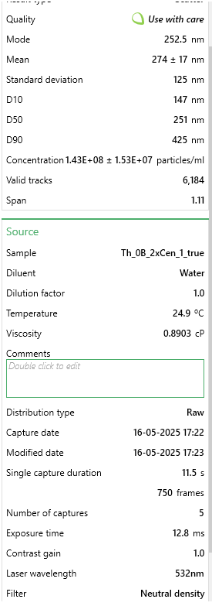
157.5 | 2538474.1726 | 157.5 | 2476979.5046 | 157.5 | 2093628.1531
162.5 | 2482615.3277 | 162.5 | 2593866.1041 | 162.5 | 2958928.1498
167.5 | 2234353.7949 | 167.5 | 3172200.6705 | 167.5 | 3011641.8278
172.5 | 2632606.6704 | 172.5 | 2547111.4643 | 172.5 | 3282172.4015
177.5 | 2760875.129 | 177.5 | 2709736.2985 | 177.5 | 2843554.8169
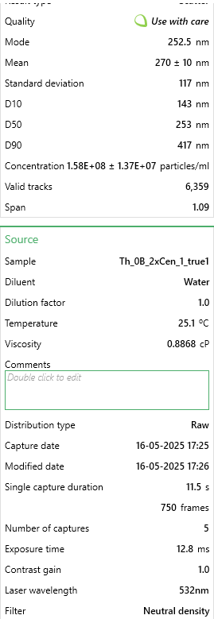
182.5 | 2544680.7109 | 182.5 | 3012625.052 | 182.5 | 3172766.6547
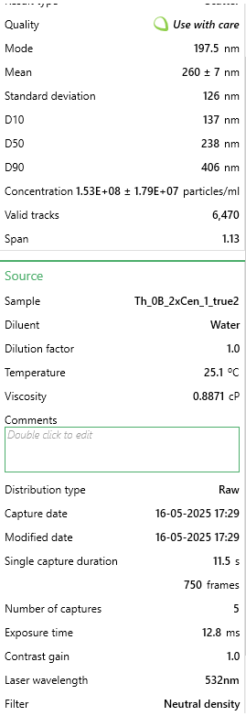
187.5 | 2925348.3945 | 187.5 | 3466958.1823 | 187.5 | 3424399.8722
192.5 | 2675018.0156 | 192.5 | 3440531.6468 | 192.5 | 3218518.1488
197.5 | 3083615.1216 | 197.5 | 2572521.5947 | 197.5 | 3960488.0311
202.5 | 2849835.5116 | 202.5 | 3458826.9406 | 202.5 | 3052420.3334
207.5 | 3072236.4681 | 207.5 | 2525766.9549 | 207.5 | 2943014.5866
212.5 | 3218090.1186 | 212.5 | 3185413.9382 | 212.5 | 3470151.3663
217.5 | 3158093.5815 | 217.5 | 3377514.5235 | 217.5 | 3221501.9419
222.5 | 3247053.964 | 222.5 | 2766654.9904 | 222.5 | 3922693.3186
227.5 | 3183954.1578 | 227.5 | 3177282.6965 | 227.5 | 2940030.7936
232.5 | 2516751.2885 | 232.5 | 2873377.5378 | 232.5 | 3351794.2403
237.5 | 2619159.1707 | 237.5 | 2702621.462 | 237.5 | 3721784.5837
242.5 | 2384345.1377 | 242.5 | 2650784.7961 | 242.5 | 3804336.1926
247.5 | 3293603.0014 | 247.5 | 2846951.0022 | 247.5 | 3433351.2515
252.5 | 3674270.685 | 252.5 | 3762732.0994 | 252.5 | 3443297.2284
257.5 | 2204355.5264 | 257.5 | 3467974.5875 | 257.5 | 1877800.4527
262.5 | 2760875.129 | 262.5 | 2815442.4406 | 262.5 | 2680440.7945
267.5 | 2425722.0598 | 267.5 | 2642653.5544 | 267.5 | 2945003.782
272.5 | 2752599.7446 | 272.5 | 2632489.5023 | 272.5 | 2217952.8652
277.5 | 2475374.3663 | 277.5 | 2777835.4477 | 277.5 | 2890300.9087
282.5 | 2488821.866 | 282.5 | 1737036.5094 | 282.5 | 2919144.2419
287.5 | 2098844.375 | 287.5 | 2917082.962 | 287.5 | 2327358.6119
292.5 | 2057467.4528 | 292.5 | 2364158.526 | 292.5 | 2028979.3027
297.5 | 1411987.4676 | 297.5 | 2776819.0425 | 297.5 | 1943443.9007
302.5 | 2128842.6435 | 302.5 | 2439372.5117 | 302.5 | 1687832.2925
307.5 | 2192976.8728 | 307.5 | 2620292.6397 | 307.5 | 1650037.58
312.5 | 1737830.7294 | 312.5 | 1868152.7819 | 312.5 | 1915595.1652
317.5 | 1905407.264 | 317.5 | 2382453.8198 | 317.5 | 1700762.0626
322.5 | 1836100.9195 | 322.5 | 1770577.8814 | 322.5 | 1438188.2705
327.5 | 1806102.6509 | 327.5 | 1897628.5331 | 327.5 | 1608264.4767
332.5 | 1991264.3774 | 332.5 | 2153762.6468 | 332.5 | 1588372.5228
337.5 | 1977816.8778 | 337.5 | 1448377.4288 | 337.5 | 1414317.9257
342.5 | 1184414.3959 | 342.5 | 1643527.2298 | 342.5 | 1289993.2135
347.5 | 1210274.9723 | 347.5 | 1587624.9431 | 347.5 | 924975.85859
352.5 | 1024078.8227 | 352.5 | 1962678.4667 | 352.5 | 1195506.4323
357.5 | 1455433.2359 | 357.5 | 1792938.7961 | 357.5 | 1482945.1668
362.5 | 1065455.7448 | 362.5 | 2038908.8577 | 362.5 | 855354.01978
367.5 | 1724383.2297 | 367.5 | 1315228.3459 | 367.5 | 1523723.6724
372.5 | 729268.25252 | 372.5 | 1597788.9952 | 372.5 | 1088089.881
377.5 | 1040629.5915 | 377.5 | 930010.7701 | 377.5 | 1467031.6037
382.5 | 672374.98459 | 382.5 | 1089586.3886 | 382.5 | 1175614.4783
387.5 | 955806.90117 | 387.5 | 990995.08289 | 387.5 | 985646.31814
392.5 | 779954.98213 | 392.5 | 1228833.9028 | 392.5 | 798661.95102
397.5 | 1208206.1262 | 397.5 | 986929.46204 | 397.5 | 706164.36516
402.5 | 864777.67249 | 402.5 | 1110930.8981 | 402.5 | 524152.98654
 |  |  |  |  | 1016478.8468
 |  |  |  |  | 782748.38786
 |  |  |  |  | 490336.66482
 |  |  |  |  | 656434.48029
 |  |  |  |  | 745948.27306
...

0R2
...
Size [nm] - 1. Th_0C_2xCen_1 | Concentration [particles/ml] - 1. Th_0C_2xCen_1 | Size [nm] - 1. Th_0C_2xCen_2 | Concentration [particles/ml] - 1. Th_0C_2xCen_2 | Size [nm] - 1. Th_0C_2xCen_3 | Concentration [particles/ml] - 1. Th_0C_2xCen_3
102.5 | 1347029.1907 | 102.5 | 1363872.2334 | 102.5 | 1617940.1655
107.5 | 1286388.0241 | 107.5 | 1511399.252 | 107.5 | 1578554.05 | Sample
112.5 | 1332117.4284 | 112.5 | 2253048.6858 | 112.5 | 1432410.832 | Mode [nm] | 162.5 | Mode [nm] | 212.5 | Mode [nm] | 217.5
117.5 | 1853034.9899 | 117.5 | 2036274.2911 | 117.5 | 1952722.1472 | Mean [nm] | 253 | Mean [nm] | 250 | Mean [nm] | 263
122.5 | 1745670.3017 | 122.5 | 1859643.3028 | 122.5 | 2059479.2497 | Standard deviation [nm] | 115 | Standard deviation [nm] | 127 | Standard deviation [nm] | 117
127.5 | 2343134.9095 | 127.5 | 2059356.7498 | 127.5 | 1993144.7394 | Concentration [particles/ml] | 1.43E+08 | Concentration [particles/ml] | 1.57E+08 | Concentration [particles/ml] | 1.74E+08
132.5 | 2269570.2157 | 132.5 | 2864232.0486 | 132.5 | 2339327.9651 | D10 [nm] | 130 | D10 [nm] | 128 | D10 [nm] | 133
137.5 | 2430617.2481 | 137.5 | 2672547.2829 | 137.5 | 2604666.0063 | D50 [nm] | 228 | D50 [nm] | 223 | D50 [nm] | 246
142.5 | 2564823.1084 | 142.5 | 3052906.0588 | 142.5 | 2803669.5372 | D90 [nm] | 405 | D90 [nm] | 402 | D90 [nm] | 408
147.5 | 1818240.878 | 147.5 | 3140217.9678 | 147.5 | 2589118.8554 | Valid tracks | 5900 | Valid tracks | 6830 | Valid tracks | 7087
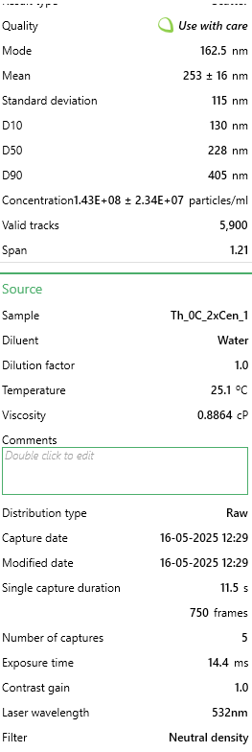
152.5 | 2736805.4331 | 152.5 | 2977637.1718 | 152.5 | 2729043.2131 |  | 2.34E+07 |  | 8.37E+06 |  | 2.98E+07
157.5 | 2563828.9909 | 157.5 | 3285737.8161 | 157.5 | 2682401.7606
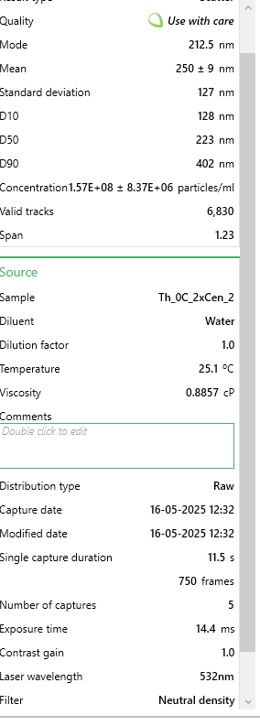
162.5 | 3855187.6025 | 162.5 | 3405164.4503 | 162.5 | 3444212.1524
167.5 | 2841187.7689 | 167.5 | 3693193.3914 | 167.5 | 2466814.6021
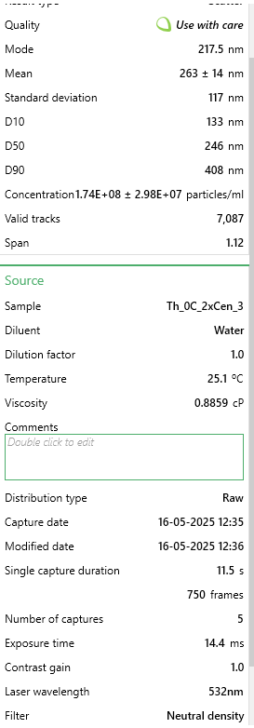
172.5 | 3373040.6228 | 172.5 | 3001723.2157 | 172.5 | 3058642.8112
177.5 | 3285558.2842 | 177.5 | 3900935.5196 | 177.5 | 2650270.9821
182.5 | 2929664.225 | 182.5 | 3776490.9597 | 182.5 | 2785012.9562
187.5 | 3491340.6034 | 187.5 | 3724304.5314 | 187.5 | 3062788.7181
192.5 | 2902823.0529 | 192.5 | 2736776.7332 | 192.5 | 2880368.8148
197.5 | 3265675.9345 | 197.5 | 3565738.076 | 197.5 | 3185092.9715
202.5 | 3200064.1806 | 202.5 | 3253623.091 | 202.5 | 2980907.0569
207.5 | 3069834.7902 | 207.5 | 3670110.9327 | 207.5 | 3119794.9379
212.5 | 2826276.0067 | 212.5 | 4168892.7575 | 212.5 | 3873313.5159
217.5 | 3392922.9725 | 217.5 | 3405164.4503 | 217.5 | 4092010.1046
222.5 | 3071823.0252 | 222.5 | 3026812.8447 | 222.5 | 3569625.8359
227.5 | 2758676.0178 | 227.5 | 3088031.5395 | 227.5 | 3884714.7599
232.5 | 2673181.9141 | 232.5 | 2824088.6422 | 232.5 | 3095955.9733
237.5 | 2765634.8401 | 237.5 | 3252619.5058 | 237.5 | 3249354.5283
242.5 | 2499211.3545 | 242.5 | 2875271.4854 | 242.5 | 3030657.9397
247.5 | 2058817.3091 | 247.5 | 2123586.2 | 247.5 | 3199603.6456
252.5 | 2183081.9946 | 252.5 | 2935486.595 | 252.5 | 3139487.9957
257.5 | 2182087.8771 | 257.5 | 2841149.5899 | 257.5 | 3155035.1465
262.5 | 1971334.9705 | 262.5 | 2549106.3082 | 262.5 | 2750809.2243
267.5 | 2445529.0103 | 267.5 | 2537063.2862 | 267.5 | 2350729.209
272.5 | 1633335.026 | 272.5 | 1911829.7311 | 272.5 | 2539367.9727
277.5 | 1861982.0473 | 277.5 | 2355414.3722 | 277.5 | 2508273.671
282.5 | 1625382.0861 | 282.5 | 1556560.5842 | 282.5 | 3330199.7128
287.5 | 1754617.359 | 287.5 | 1701076.8474 | 287.5 | 2697948.9114
292.5 | 1911687.9215 | 292.5 | 2038281.4614 | 292.5 | 3362330.4912
297.5 | 1205864.5079 | 297.5 | 2098496.571 | 297.5 | 2574608.1813
302.5 | 1761576.1814 | 302.5 | 1682008.7293 | 302.5 | 3126013.7982
307.5 | 1689999.7226 | 307.5 | 1787385.1712 | 307.5 | 2816107.2579
312.5 | 2063787.8965 | 312.5 | 1593693.2352 | 312.5 | 2161053.9686
317.5 | 2021040.8447 | 317.5 | 1711112.699 | 317.5 | 2291650.0358
322.5 | 1431529.1768 | 322.5 | 1549535.4881 | 322.5 | 2366276.3599
327.5 | 1559770.3322 | 327.5 | 1198280.6819 | 327.5 | 1782739.9645
332.5 | 1133293.9316 | 332.5 | 1207312.9483 | 332.5 | 1926810.2291
337.5 | 1393752.7124 | 337.5 | 1491327.5488 | 337.5 | 1702931.2568
342.5 | 1902740.8641 | 342.5 | 1588675.3094 | 342.5 | 1993144.7394
347.5 | 1520005.6328 | 347.5 | 1259499.3767 | 347.5 | 1762010.43
352.5 | 1170076.2785 | 352.5 | 861076.06788 | 352.5 | 1667691.0482
357.5 | 1279429.2017 | 357.5 | 1239427.6735 | 357.5 | 1740244.4189
362.5 | 1084582.1749 | 362.5 | 999570.82006 | 362.5 | 1259319.2191
367.5 | 697870.47368 | 367.5 | 1089893.4845 | 367.5 | 1415827.2044
372.5 | 1300305.6689 | 372.5 | 1072832.5368 | 372.5 | 1430337.8785
377.5 | 1084582.1749 | 377.5 | 978495.53168 | 377.5 | 1792068.255
382.5 | 858917.50607 | 382.5 | 1075843.2923 | 382.5 | 1755791.5697
387.5 | 745588.11291 | 387.5 | 817921.90597 | 387.5 | 1149452.6864
392.5 | 875817.50329 | 392.5 | 880144.18593 | 392.5 | 1308033.6251
397.5 | 818158.68923 | 397.5 | 639283.74737 | 397.5 | 878932.26158
 |  |  |  |  | 1293522.951
 |  |  |  |  | 897588.8426
 |  |  |  |  | 1128723.152
...

0R3
...
Size [nm] - 1. Th_0D_2xCen_1 | Concentration [particles/ml] - 1. Th_0D_2xCen_1 | Size [nm] - 1. Th_0D_2xCen_2 | Concentration [particles/ml] - 1. Th_0D_2xCen_2 | Size [nm] - 1. Th_0D_2xCen_3 | Concentration [particles/ml] - 1. Th_0D_2xCen_3
97.5 | 454270.10727 | 97.5 | 643729.20876 | 97.5 | 521439.43446
102.5 | 491353.38134 | 102.5 | 789740.63525 | 102.5 | 829358.41085 |  | Merged |  | Merged |  | Merged
107.5 | 797290.39236 | 107.5 | 692754.9432 | 107.5 | 820368.07577 | Sample | Th_0D_2xCen_1 | Sample | Th_0D_2xCen_2 | Sample | Th_0D_2xCen_3
112.5 | 720033.57139 | 112.5 | 897384.09565 | 112.5 | 620333.12031 | Mode [nm] | 327.5 | Mode [nm] | 242.5 | Mode [nm] | 197.5
117.5 | 689130.84301 | 117.5 | 1045527.0758 | 117.5 | 1020403.0312 | Mean [nm] | 290 | Mean [nm] | 287 | Mean [nm] | 289
122.5 | 846734.75778 | 122.5 | 1237366.9062 | 122.5 | 1072097.4579 | Standard deviation [nm] | 129 | Standard deviation [nm] | 126 | Standard deviation [nm] | 124
127.5 | 1346328.8667 | 127.5 | 1396167.6548 | 127.5 | 1084459.1687 | Concentration [particles/ml] | 1.26E+08 | Concentration [particles/ml] | 1.61E+08 | Concentration [particles/ml] | 1.82E+08
132.5 | 1310275.6836 | 132.5 | 1612520.3524 | 132.5 | 1331693.3833 | D10 [nm] | 154 | D10 [nm] | 149 | D10 [nm] | 156
137.5 | 1086745.9482 | 137.5 | 1873635.6771 | 137.5 | 1889094.158 | D50 [nm] | 271 | D50 [nm] | 266 | D50 [nm] | 266
142.5 | 938412.85199 | 142.5 | 1563494.618 | 142.5 | 2408286.0087 | D90 [nm] | 446 | D90 [nm] | 442 | D90 [nm] | 443
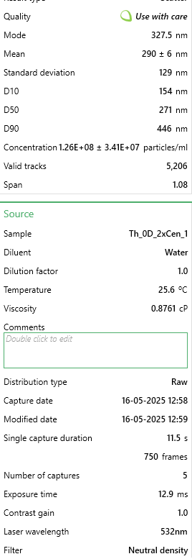
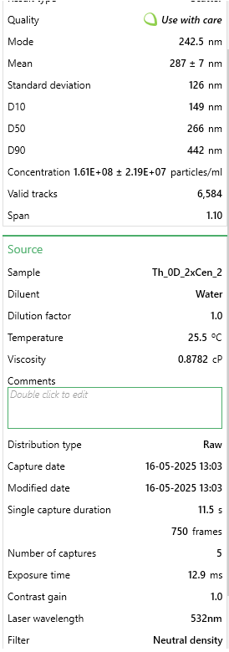
147.5 | 997128.03592 | 147.5 | 2050554.6319 | 147.5 | 2112728.7431 | Valid tracks | 5206 | Valid tracks | 6584 | Valid tracks | 7471
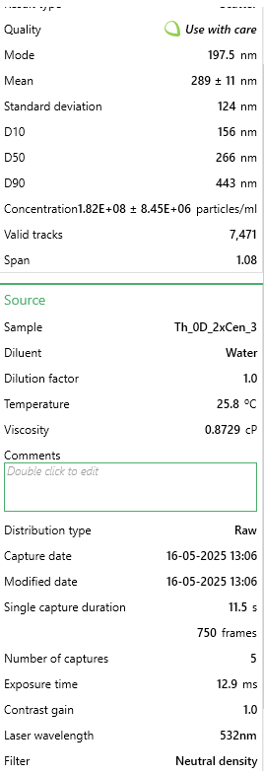
152.5 | 1424615.7786 | 152.5 | 2158198.0923 | 152.5 | 2212746.2208 |  | 3.41E+07 |  | 2.19E+07 |  | 8.45E+06
157.5 | 1768666.1546 | 157.5 | 2372419.2362 | 157.5 | 2590340.294
162.5 | 1803689.2468 | 162.5 | 1983410.6912 | 162.5 | 2872412.0571
167.5 | 2187913.1697 | 167.5 | 2229605.1403 | 167.5 | 2497065.5676
172.5 | 2214695.5343 | 172.5 | 2444892.0611 | 172.5 | 2273430.9826
177.5 | 1762485.6089 | 177.5 | 2487523.1345 | 177.5 | 2159928.0022
182.5 | 1844892.8846 | 182.5 | 2276499.321 | 182.5 | 3280348.5112
187.5 | 1615182.6036 | 187.5 | 3144041.6653 | 187.5 | 2706090.8582
192.5 | 2097265.1665 | 192.5 | 2502444.0102 | 192.5 | 3510725.8475
197.5 | 2033399.5278 | 197.5 | 2550403.9678 | 197.5 | 4179382.0189
202.5 | 2000436.6175 | 202.5 | 2906373.4309 | 202.5 | 3417451.1211
207.5 | 2476338.6347 | 207.5 | 3182409.6314 | 207.5 | 3503983.0962
212.5 | 2433074.8149 | 212.5 | 2825374.3914 | 212.5 | 2872412.0571
217.5 | 2393931.359 | 217.5 | 2732651.8067 | 217.5 | 3959118.8095
222.5 | 1906698.3414 | 222.5 | 3022543.106 | 222.5 | 3955747.4338
227.5 | 2310493.9923 | 227.5 | 3072634.6173 | 227.5 | 3191568.9523
232.5 | 2492820.0898 | 232.5 | 2774217.1033 | 232.5 | 4053517.3278
237.5 | 2344486.9936 | 237.5 | 3301776.637 | 237.5 | 3675923.2546
242.5 | 2416593.3598 | 242.5 | 3773915.7752 | 242.5 | 3528706.5177
247.5 | 2548445.0009 | 247.5 | 2776348.657 | 247.5 | 3880453.3776
252.5 | 2413503.0869 | 252.5 | 2938346.736 | 252.5 | 3305071.9327
257.5 | 2438225.2697 | 257.5 | 3157896.7642 | 257.5 | 3692780.1328
262.5 | 2026188.8912 | 262.5 | 2906373.4309 | 262.5 | 3532077.8933
267.5 | 2061211.9833 | 267.5 | 2278630.8747 | 267.5 | 3164597.9471
272.5 | 2062242.0743 | 272.5 | 2840295.2671 | 272.5 | 2695976.7312
277.5 | 1820170.7019 | 277.5 | 2933017.8518 | 277.5 | 2940963.362
282.5 | 2257959.3541 | 282.5 | 3117397.2444 | 282.5 | 2128461.8295
287.5 | 2101385.5302 | 287.5 | 3130186.5664 | 287.5 | 3387108.7402
292.5 | 2184822.8969 | 292.5 | 2434234.2927 | 292.5 | 3236520.6277
297.5 | 2063272.1652 | 297.5 | 2563193.2898 | 297.5 | 3175835.8659
302.5 | 2120957.2582 | 302.5 | 2522693.7701 | 302.5 | 3197187.9117
307.5 | 1890216.8863 | 307.5 | 2159263.8691 | 307.5 | 2856678.9707
312.5 | 1405044.0506 | 312.5 | 2052686.1855 | 312.5 | 3179207.2416
317.5 | 2139498.8953 | 317.5 | 2267973.1063 | 317.5 | 3198311.7036
322.5 | 1989105.6171 | 322.5 | 2566390.6203 | 322.5 | 1809304.9342
327.5 | 2814208.465 | 327.5 | 2360695.6911 | 327.5 | 2695976.7312
332.5 | 1380321.8679 | 332.5 | 1987673.7986 | 332.5 | 1957645.463
337.5 | 1456548.5979 | 337.5 | 2015383.9963 | 337.5 | 2433009.4302
342.5 | 1534835.5098 | 342.5 | 1577349.7168 | 342.5 | 2363334.3333
347.5 | 1396803.323 | 347.5 | 1822478.389 | 347.5 | 2222860.3478
352.5 | 1769696.2456 | 352.5 | 1454785.3807 | 352.5 | 2203755.8857
357.5 | 1947901.9793 | 357.5 | 1705242.9371 | 357.5 | 2223984.1397
362.5 | 1148551.405 | 362.5 | 1752137.1179 | 362.5 | 1655345.446
367.5 | 1376201.5041 | 367.5 | 1556034.1801 | 367.5 | 1566565.8872
372.5 | 1257741.0453 | 372.5 | 1554968.4033 | 372.5 | 1726144.3348
377.5 | 1203146.2252 | 377.5 | 1617849.2366 | 377.5 | 1821666.645
382.5 | 1548226.6921 | 382.5 | 1704177.1603 | 382.5 | 1649726.4866
387.5 | 970345.67132 | 387.5 | 1732953.1348 | 387.5 | 1397997.1045
 |  |  |  |  | 1283370.3322
...

5.7R1
...
 |  |  |  |  |  | Sample | Th_5.7A_2xCen_1 | Sample | Th_5.7A_2xCen_2 | Sample | Th_5.7A_2xCen_3
 |  |  |  |  |  | Mode [nm] | 177.5 | Mode [nm] | 182.5 | Mode [nm] | 187.5
 |  |  |  |  |  | Mean [nm] | 205 | Mean [nm] | 209 | Mean [nm] | 209
 |  |  |  |  |  | Standard deviation [nm] | 81 | Standard deviation [nm] | 86 | Standard deviation [nm] | 98
 |  |  |  |  | 2788054.271 | Concentration [particles/ml] | 1.69E+08 | Concentration [particles/ml] | 1.47E+08 | Concentration [particles/ml] | 1.66E+08
 |  |  |  |  | 3284764.9557 | D10 [nm] | 118 | D10 [nm] | 118 | D10 [nm] | 116
 |  |  |  |  | 4033371.6903 | D50 [nm] | 193 | D50 [nm] | 195 | D50 [nm] | 197
 |  |  |  |  | 4180058.1451 | D90 [nm] | 305 | D90 [nm] | 314 | D90 [nm] | 310
147.5 | 5382894.9319 | 147.5 | 4010258.849 | 147.5 | 4490628.7769 | Valid tracks | 6258 | Valid tracks | 5409 | Valid tracks | 6155
152.5 | 4418155.6776 | 152.5 | 4116959.8732 | 152.5 | 4796141.2551 |  | 2.45E+07 |  | 1.56E+07 |  | 1.24E+07
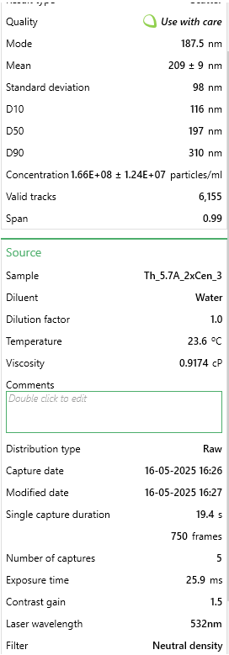
157.5 | 5093084.1479 | 157.5 | 3820463.2218 | 157.5 | 4839641.3761
162.5 | 5447081.2129 | 162.5 | 4146231.8356 | 162.5 | 3845208.376
167.5 | 5518075.1298 | 167.5 | 4266152.4558 | 167.5 | 4755676.0262
172.5 | 3569146.2331 | 172.5 | 4485220.0454 | 172.5 | 3990883.2
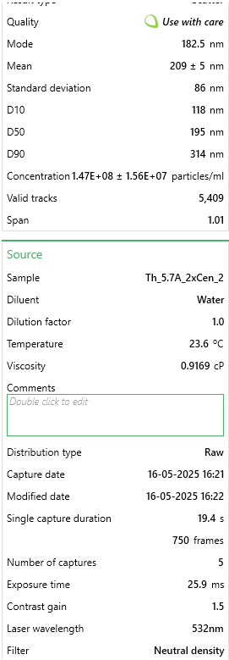
177.5 | 5565728.5809 | 177.5 | 3484307.7826 | 177.5 | 4631245.4473
182.5 | 4993887.1681 | 182.5 | 4502216.6687 | 182.5 | 5025781.429
187.5 | 3961071.5551 | 187.5 | 3193476.6723 | 187.5 | 5333317.1687
192.5 | 4955958.9111 | 192.5 | 3826128.7629 | 192.5 | 3742022.0423
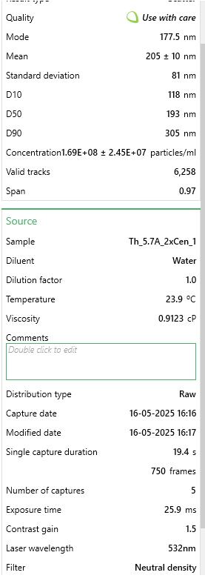
197.5 | 3872572.2889 | 197.5 | 3734535.8483 | 197.5 | 4317639.9233
202.5 | 4489149.5945 | 202.5 | 2897924.2777 | 202.5 | 4368221.4595
207.5 | 5131012.4048 | 207.5 | 4089576.4245 | 207.5 | 5081421.1188
212.5 | 4775070.3009 | 212.5 | 3038618.5486 | 212.5 | 3425381.6262
217.5 | 4043735.7049 | 217.5 | 3595730.0911 | 217.5 | 5092549.0567
222.5 | 4281030.4409 | 222.5 | 3640110.1631 | 222.5 | 3771359.3332
227.5 | 3613882.1259 | 227.5 | 3978154.116 | 227.5 | 4882129.8665
232.5 | 3226819.4009 | 232.5 | 3032008.7507 | 232.5 | 3224067.1124
237.5 | 2968129.238 | 237.5 | 3316230.063 | 237.5 | 2984310.6312
242.5 | 3139292.6541 | 242.5 | 2757230.0068 | 242.5 | 3589265.8032
247.5 | 4101114.3501 | 247.5 | 2056591.4229 | 247.5 | 3324218.5539
252.5 | 2567451.2412 | 252.5 | 2404077.9443 | 252.5 | 2383401.9821
257.5 | 2641362.7164 | 257.5 | 1534417.3839 | 257.5 | 2741519.2578
262.5 | 2699713.8809 | 262.5 | 2508890.4548 | 262.5 | 2541216.3748
267.5 | 2281530.5348 | 267.5 | 1899844.7855 | 267.5 | 1796656.163
272.5 | 2152185.4534 | 272.5 | 1849799.1724 | 272.5 | 1369747.9982
277.5 | 1571591.3658 | 277.5 | 1742153.8913 | 277.5 | 2249866.7267
282.5 | 1850704.4364 | 282.5 | 1479650.4865 | 282.5 | 1970656.6473
287.5 | 1380005.0422 | 287.5 | 1154826.1296 | 287.5 | 2081936.0268
292.5 | 1261357.6742 | 292.5 | 1754429.2304 | 292.5 | 1730900.1661
297.5 | 1235099.6501 | 297.5 | 2059424.1935 | 297.5 | 1772377.0257
302.5 | 1617299.7781 | 302.5 | 1757262.0009 | 302.5 | 1343445.5994
307.5 | 1013365.2248 | 307.5 | 1137829.5062 | 307.5 | 1534643.8059
312.5 | 665203.27614 | 312.5 | 1236032.2188 | 312.5 | 1203840.5597
317.5 | 869432.35214 | 317.5 | 653425.74134 | 317.5 | 1017700.5068
322.5 | 913195.72557 | 322.5 | 1050957.8759 | 322.5 | 1215980.1284
327.5 | 1273027.9071 | 327.5 | 1343677.4999 | 327.5 | 583710.92684
332.5 | 774125.45001 | 332.5 | 1143495.0474 | 332.5 | 1062212.2586
337.5 | 1174803.4467 | 337.5 | 775234.87521 | 337.5 | 396559.24319
342.5 | 572813.93223 | 342.5 | 1055679.1601 | 342.5 | 722304.33582
347.5 | 608797.15038 | 347.5 | 798841.2965 | 347.5 | 858874.48335
352.5 | 839284.25045 | 352.5 | 912152.1187 | 352.5 | 572582.9889
357.5 | 545583.38876 | 357.5 | 435302.40861 | 357.5 | 389477.82814
362.5 | 725499.47953 | 362.5 | 551446.00137 | 362.5 | 589780.71118
367.5 | 295645.90051 | 367.5 | 663812.56671 | 367.5 | 655536.70814
372.5 | 440551.29253 | 372.5 | 407918.95991 | 372.5 | 539199.17506
377.5 | 387062.725 | 377.5 | 244562.52458 | 377.5 | 508850.25338
382.5 | 450276.48663 | 382.5 | 322935.84327 | 382.5 | 535152.65217
387.5 | 338436.75453 | 387.5 | 209625.02107 | 387.5 | 328779.98479
392.5 | 318986.36633 | 392.5 | 101035.48313 | 392.5 | 493675.79255
397.5 | 402623.03556 | 397.5 | 260614.89106 | 397.5 | 160849.28487
402.5 | 321903.92456 | 402.5 | 321047.32956 | 402.5 | 284268.233
407.5 | 310233.69165 | 407.5 | 101035.48313 | 407.5 | 268082.14144
412.5 | 93361.863318 | 412.5 | 162412.17848 | 412.5 | 208395.92882
417.5 | 275222.9929 | 417.5 | 232287.18551 | 417.5 | 247849.527
422.5 | 146850.43084 | 422.5 | 153913.86682 | 422.5 | 338896.29202
427.5 | 228542.06125 | 427.5 | 210569.27792 | 427.5 | 202326.14449
432.5 | 243129.85239 | 432.5 | 129363.18868 | 432.5 | 123418.94814
437.5 | 29175.582287 | 437.5 | 98202.712572 | 437.5 | 81942.088517
442.5 | 144905.39202 | 442.5 | 55711.154248 | 442.5 | 222558.75894
...

8.7R1
...
Size [nm] - 1. Th_8.7A_2xCen_1 | Concentration [particles/ml] - 1. Th_8.7A_2xCen_1 | Size [nm] - 1. Th_8.7A_2xCen_2 | Concentration [particles/ml] - 1. Th_8.7A_2xCen_2 | Size [nm] - 1. Th_8.7A_2xCen_3 | Concentration [particles/ml] - 1. Th_8.7A_2xCen_3
97.5 | 2009363.7724 | 97.5 | 2560525.5803 | 97.5 | 1967003.1092
102.5 | 2237219.8557 | 102.5 | 2696879.5158 | 102.5 | 2144744.354 |  | Merged |  | Merged
107.5 | 3059232.308 | 107.5 | 3343874.364 | 107.5 | 2525900.579 | Sample | Th_8.7A_2xCen_1 | Sample | Th_8.7A_2xCen_2 | Sample
112.5 | 2754462.7789 | 112.5 | 3040967.2993 | 112.5 | 3290187.9317 | Mode [nm] | 177.5 | Mode [nm] | 172.5 | Mode [nm]
117.5 | 3556285.4517 | 117.5 | 3201114.5389 | 117.5 | 4086073.7279 | Mean [nm] | 204 | Mean [nm] | 200 | Mean [nm]
122.5 | 3965849.5508 | 122.5 | 3403357.6244 | 122.5 | 3791813.2226 | Standard deviation [nm] | 93 | Standard deviation [nm] | 87 | Standard deviation [nm]
127.5 | 3984116.4942 | 127.5 | 3502191.3495 | 127.5 | 4247028.2996 | Concentration [particles/ml] | 1.67E+08 | Concentration [particles/ml] | 1.51E+08 | Concentration [particles/ml] | 1.69E+08
132.5 | 4020650.3809 | 132.5 | 3710840.3246 | 132.5 | 3293150.2858 | D10 [nm] | 115 | D10 [nm] | 108 | D10 [nm] | 114
137.5 | 4125444.9509 | 137.5 | 4717480.1167 | 137.5 | 3902407.7749 | D50 [nm] | 191 | D50 [nm] | 183 | D50 [nm] | 194
142.5 | 3829328.1844 | 142.5 | 3968906.1622 | 142.5 | 4780252.034 | D90 [nm] | 301 | D90 [nm] | 306 | D90 [nm] | 306

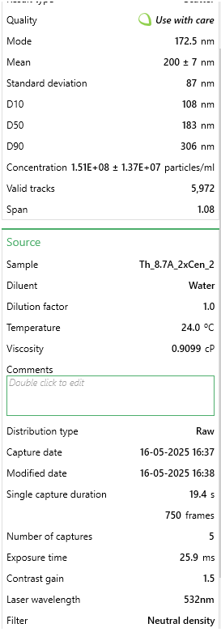
147.5 | 3493793.277 | 147.5 | 4172064.3748 | 147.5 | 3741453.2032 | Valid tracks | 6279 | Valid tracks | 5972 | Valid tracks | 6446
152.5 | 4517703.5246 | 152.5 | 5013066.1647 | 152.5 | 5069575.2825 |  | 2.05E+07 |  | 1.36E+07 |  | 1.80E+07
157.5 | 5005142.4876 | 157.5 | 4193112.2977 | 157.5 | 4069287.0548
162.5 | 5030139.3575 | 162.5 | 3951518.7476 | 162.5 | 3933018.7671
167.5 | 5044560.6286 | 167.5 | 4392610.0019 | 167.5 | 3970541.9188
172.5 | 5171467.8142 | 172.5 | 5495338.1378 | 172.5 | 3872784.2341
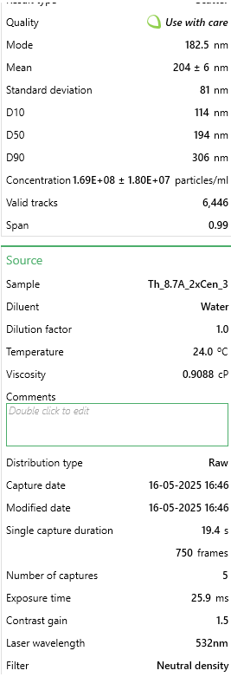
177.5 | 5411822.3324 | 177.5 | 4170234.1206 | 177.5 | 4431681.7039
182.5 | 4914769.1887 | 182.5 | 3325571.8223 | 182.5 | 5322362.8307
187.5 | 4349455.3619 | 187.5 | 3871902.6913 | 187.5 | 5093274.1151
192.5 | 4451365.6776 | 192.5 | 4075976.031 | 192.5 | 4299363.2217
197.5 | 4303307.2944 | 197.5 | 2569676.8511 | 197.5 | 4680519.4466
202.5 | 4828241.5622 | 202.5 | 3988123.8309 | 202.5 | 4229254.1751
207.5 | 4656147.7271 | 207.5 | 2905528.4909 | 207.5 | 3741453.2032
212.5 | 5372404.1914 | 212.5 | 3315505.4244 | 212.5 | 4926394.8353
217.5 | 3305355.3347 | 217.5 | 3309099.5348 | 217.5 | 3959679.9538
222.5 | 3263052.9395 | 222.5 | 2896377.22 | 222.5 | 4590661.3729
227.5 | 3588973.6662 | 227.5 | 2807609.8929 | 227.5 | 4697306.1198
232.5 | 2951553.4838 | 232.5 | 2619093.7137 | 232.5 | 3506439.7795
237.5 | 3452452.2998 | 237.5 | 2546798.674 | 237.5 | 3160831.8035
242.5 | 2152615.0653 | 242.5 | 2270430.2948 | 242.5 | 2482452.7192
247.5 | 2961167.6646 | 247.5 | 2018770.3467 | 247.5 | 3195392.6011
252.5 | 2350667.1883 | 252.5 | 1447731.0465 | 252.5 | 2899157.1931
257.5 | 2916942.4332 | 257.5 | 2561440.7074 | 257.5 | 3209216.9202
262.5 | 2402583.7642 | 262.5 | 2118519.1989 | 262.5 | 2363958.556
267.5 | 2466037.357 | 267.5 | 1797309.5925 | 267.5 | 2054886.2803
272.5 | 2308364.7931 | 272.5 | 1746977.6029 | 272.5 | 2052911.3775
277.5 | 2721774.5644 | 277.5 | 1867774.3779 | 277.5 | 2160543.5758
282.5 | 1656523.3396 | 282.5 | 1878755.9029 | 282.5 | 2337297.3692
287.5 | 1412323.1491 | 287.5 | 1436749.5215 | 287.5 | 2194116.922
292.5 | 1800736.0506 | 292.5 | 1752468.3654 | 292.5 | 1180004.3753
297.5 | 1968022.7953 | 297.5 | 1230845.9276 | 297.5 | 1545361.3785
302.5 | 874890.44635 | 302.5 | 1600557.2695 | 302.5 | 1154330.6399
307.5 | 1050829.9537 | 307.5 | 1181429.0651 | 307.5 | 1300473.4412
312.5 | 921999.93192 | 312.5 | 943496.02333 | 312.5 | 1315285.2116
317.5 | 1074865.4055 | 317.5 | 842832.04412 | 317.5 | 1019049.8036
322.5 | 690298.17635 | 322.5 | 629607.43361 | 322.5 | 1279736.9626
327.5 | 719140.71854 | 327.5 | 1326934.2714 | 327.5 | 1389344.0636
332.5 | 977762.18015 | 332.5 | 916042.21082 | 332.5 | 721826.9442
337.5 | 878736.11864 | 337.5 | 547245.99607 | 337.5 | 864019.94005
342.5 | 781632.89328 | 342.5 | 650655.35654 | 342.5 | 751450.485
347.5 | 854700.66682 | 347.5 | 648825.10237 | 347.5 | 912405.05669
352.5 | 267274.22427 | 352.5 | 437430.74603 | 352.5 | 512487.25587
357.5 | 480709.03646 | 357.5 | 529858.58148 | 357.5 | 277473.83217
362.5 | 329766.39901 | 362.5 | 712883.99823 | 362.5 | 525324.12355
367.5 | 404757.0087 | 367.5 | 275453.2522 | 367.5 | 515449.60995
372.5 | 435522.38703 | 372.5 | 287349.90429 | 372.5 | 528286.47763
377.5 | 679722.57755 | 377.5 | 439261.00019 | 377.5 | 460152.33378
382.5 | 601847.71364 | 382.5 | 308397.82722 | 382.5 | 162929.47441
387.5 | 225933.24713 | 387.5 | 309312.9543 | 387.5 | 347582.87874
392.5 | 225933.24713 | 392.5 | 189431.30633 | 392.5 | 425591.53618
...

